T0ME35
 | Baroda BNP Paribas Retirement Fund

 | Monthly Portfolio Statement as on August 31, 2025
 | Name of the Instrument | ISIN | Industry / Rating | Quantity | Market/Fair Value (Rs. in Lakhs) | % to Net Assets | YTM~ | YTC^ | null
 | Equity & Equity related
 | (a) Listed / awaiting listing on Stock Exchanges
HDFB03 | HDFC Bank Limited | INE040A01034 | Banks | 220,000 | 2,093.52 | 5.50%
IBCL05 | ICICI Bank Limited | INE090A01021 | Banks | 117,000 | 1,635.43 | 4.30%
RIND01 | Reliance Industries Limited | INE002A01018 | Petroleum Products | 81,900 | 1,111.55 | 2.92%
LARS02 | Larsen & Toubro Limited | INE018A01030 | Construction | 23,800 | 857.04 | 2.25%
INFS02 | Infosys Limited | INE009A01021 | IT - Software | 56,700 | 833.26 | 2.19%
ZMPL01 | Eternal Limited | INE758T01015 | Retailing | 265,000 | 831.97 | 2.19%
BTVL02 | Bharti Airtel Limited | INE397D01024 | Telecom - Services | 41,515 | 784.14 | 2.06%
DIVI02 | Divi's Laboratories Limited | INE361B01024 | Pharmaceuticals & Biotechnology | 11,800 | 723.52 | 1.90%
INAV01 | InterGlobe Aviation Limited | INE646L01027 | Transport Services | 12,500 | 705.75 | 1.85%
TRFO01 | Travel Food Services Limited | INE103V01028 | Leisure Services | 55,200 | 691.38 | 1.82%
TEMA02 | Tech Mahindra Limited | INE669C01036 | IT - Software | 43,010 | 637.15 | 1.67%
ABBP01 | Hitachi Energy India Limited | INE07Y701011 | Electrical Equipment | 3,187 | 609.04 | 1.60%
ULCC01 | UltraTech Cement Limited | INE481G01011 | Cement & Cement Products | 4,600 | 581.44 | 1.53%
BRIT03 | Britannia Industries Limited | INE216A01030 | Food Products | 9,850 | 573.66 | 1.51%
BHAH02 | Bharat Heavy Electricals Limited | INE257A01026 | Electrical Equipment | 250,000 | 520.03 | 1.37%
VMML01 | Vishal Mega Mart Limited | INE01EA01019 | Retailing | 342,222 | 511.31 | 1.34%
TWAT02 | Titan Company Limited | INE280A01028 | Consumer Durables | 14,000 | 508.03 | 1.33%
FRHL01 | Fortis Healthcare Limited | INE061F01013 | Healthcare Services | 55,000 | 501.33 | 1.32%
KOMA02 | Kotak Mahindra Bank Limited | INE237A01028 | Banks | 25,000 | 490.08 | 1.29%
MAHI02 | Mahindra & Mahindra Limited | INE101A01026 | Automobiles | 15,300 | 489.52 | 1.29%
CHOL02 | Cholamandalam Investment and Finance Company Ltd | INE121A01024 | Finance | 33,000 | 468.83 | 1.23%
MAXI02 | Max Financial Services Limited | INE180A01020 | Insurance | 29,200 | 467.84 | 1.23%
RAKH02 | Radico Khaitan Limited | INE944F01028 | Beverages | 16,000 | 456.40 | 1.20%
SAGI01 | Sagility India Limited | INE0W2G01015 | IT - Services | 1,012,847 | 444.34 | 1.17%
AFPL02 | AU Small Finance Bank Limited | INE949L01017 | Banks | 59,400 | 426.52 | 1.12%
SAEL02 | TVS Motor Company Limited | INE494B01023 | Automobiles | 13,000 | 425.96 | 1.12%
NTPC01 | NTPC Limited | INE733E01010 | Power | 130,000 | 425.82 | 1.12%
KCUL02 | Cummins India Limited | INE298A01020 | Industrial Products | 11,000 | 420.88 | 1.11%
PRRC03 | Navin Fluorine International Limited | INE048G01026 | Chemicals & Petrochemicals | 8,901 | 417.23 | 1.10%
ALLI02 | GE Vernova T&D India Limited | INE200A01026 | Electrical Equipment | 14,590 | 405.49 | 1.07%
INSP01 | Indiqube Spaces Limited | INE06ST01018 | Commercial Services & Supplies | 183,645 | 402.11 | 1.06%
PSYL02 | Persistent Systems Limited | INE262H01021 | IT - Software | 7,450 | 395.26 | 1.04%
HYUN01 | Hyundai Motor India Ltd | INE0V6F01027 | Automobiles | 16,000 | 393.66 | 1.03%
MAHE01 | Max Healthcare Institute Limited | INE027H01010 | Healthcare Services | 34,000 | 392.46 | 1.03%
RCAM01 | Nippon Life India Asset Management Limited | INE298J01013 | Capital Markets | 50,000 | 392.38 | 1.03%
UTIB02 | Axis Bank Limited | INE238A01034 | Banks | 35,000 | 365.82 | 0.96%
ONCO02 | One 97 Communications Limited | INE982J01020 | Financial Technology (Fintech) | 30,000 | 362.10 | 0.95%
SBAI02 | State Bank of India | INE062A01020 | Banks | 45,000 | 361.13 | 0.95%
GUAM02 | Ambuja Cements Limited | INE079A01024 | Cement & Cement Products | 64,000 | 360.45 | 0.95%
BEFS01 | Mrs. Bectors Food Specialities Limited | INE495P01012 | Food Products | 26,115 | 360.36 | 0.95%
BOCL01 | Linde India Limited | INE473A01011 | Chemicals & Petrochemicals | 5,600 | 357.20 | 0.94%
CIPL03 | Cipla Limited | INE059A01026 | Pharmaceuticals & Biotechnology | 22,000 | 349.67 | 0.92%
ESMC02 | PB Fintech Limited | INE417T01026 | Financial Technology (Fintech) | 19,200 | 339.99 | 0.89%
LTIL01 | LTIMindtree Limited | INE214T01019 | IT - Software | 6,600 | 338.81 | 0.89%
HINI02 | Hindalco Industries Limited | INE038A01020 | Non - Ferrous Metals | 48,000 | 337.90 | 0.89%
PUBA02 | Punjab National Bank | INE160A01022 | Banks | 313,732 | 316.49 | 0.83%
CUBI02 | City Union Bank Limited | INE491A01021 | Banks | 150,000 | 294.08 | 0.77%
LAKM02 | Trent Limited | INE849A01020 | Retailing | 5,400 | 286.09 | 0.75%
MUND02 | Adani Ports and Special Economic Zone Limited | INE742F01042 | Transport Infrastructure | 21,000 | 275.69 | 0.72%
BAFL03 | Bajaj Finance Limited | INE296A01032 | Finance | 30,000 | 263.36 | 0.69%
MCEX01 | Multi Commodity Exchange of India Limited | INE745G01035 | Capital Markets | 3,460 | 255.69 | 0.67%
CONB01 | Concord Biotech Limited | INE338H01029 | Pharmaceuticals & Biotechnology | 14,300 | 240.48 | 0.63%
APLI04 | Hexaware Technologies Limited | INE093A01041 | IT - Software | 16,794 | 127.26 | 0.33%
VORL03 | Vinati Organics Limited | INE410B01037 | Chemicals & Petrochemicals | 3,217 | 55.02 | 0.14%
 | Sub Total |  |  |  | 27,671.92 | 72.71%
 | (b) Invits
ANZE01 | Anzen India Energy Yield Plus Trust | INE0MIZ23019 | Power | 950,000 | 1,092.50 | 2.87%
 | Sub Total |  |  |  | 1,092.50 | 2.87%

SAEL21PS | TVS Motor Company Limited (Preference Share) ** |  | Automobiles | 52,000 | 5.20 | 0.01%
 | Sub Total |  |  |  | 5.20 | 0.01%
 | (c) Unlisted |  |  |  | NIL | NIL
 | Sub Total |  |  |  | NIL | NIL
 | Total |  |  |  | 28,769.62 | 75.59%
 | Debt Instruments
 | (a) Listed / awaiting listing on Stock Exchange
GOI5728 | 7.34% Government of India (22/04/2064) | IN0020240035 | Sovereign | 6,221,800 | 6,174.58 | 16.22% | 7.54%
GOI6156 | 6.79% Government of India (07/10/2034) | IN0020240126 | Sovereign | 1,000,000 | 1,007.63 | 2.65% | 6.79%
RUPL50 | 7.90% Jamnagar Utilities & Power Private Limited (10/08/2028) ** | INE936D07182 | CRISIL AAA | 500 | 510.57 | 1.34% | 7.07%
NTPC257 | 6.84% NTPC Limited (09/05/2035) ** | INE733E08270 | CRISIL AAA | 500 | 491.54 | 1.29% | 7.08%
PHFL84 | 6.75% Piramal Finance Limited (26/09/2031) | INE516Y07444 | ICRA AA | 57,142 | 441.51 | 1.16% | 9.15%
GOI6019 | 7.09% Government of India (05/08/2054) | IN0020240118 | Sovereign | 200,000 | 194.57 | 0.51% | 7.45%
 | Sub Total |  |  |  | 8,820.40 | 23.17%
 | (b) Privately placed / Unlisted |  |  |  | NIL | NIL
 | Sub Total |  |  |  | NIL | NIL
 | Total |  |  |  | 8,820.40 | 23.17%
 | Reverse Repo / TREPS
TRP_010925 | Clearing Corporation of India Ltd |  |  |  | 329.28 | 0.87% | 5.39%
 | Sub Total |  |  |  | 329.28 | 0.87%
 | (b) Privately placed / Unlisted |  |  |  | NIL | NIL
 | Sub Total |  |  |  | NIL | NIL
 | Total |  |  |  | 329.28 | 0.87%
 | Net Receivables / (Payables) |  |  |  | 144.11 | 0.37%
 | GRAND TOTAL |  |  |  | 38,063.41 | 100.00%

 | ** Thinly Traded / Non Traded Security
 | ~ YTM as on August 31, 2025
 | ^ YTC represents Yield to Call provided by valuation agencies as on August 31, 2025. It is disclosed for Perpetual Bond issued by Banks (i.e. AT-1 Bond / Tier 1 Bond / Tier 2 Bond), as per AMFI Best Practices Guidelines Circular no. 135/BP/91/2020-21 read with SEBI circular No. SEBI/HO/IMD/DF4/CIR/P/2021/034 on Valuation of AT-1 Bonds and Tier 2 Bonds.

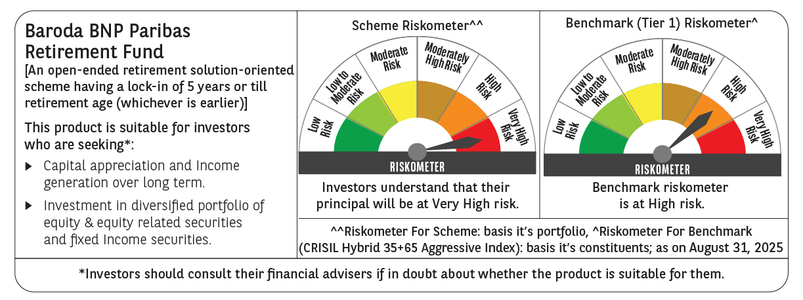

 | Monthly Performance Link: https://www.barodabnpparibasmf.in/assets/download_documents/Performance_of_Schemes_14126.pdf

