T0ME35
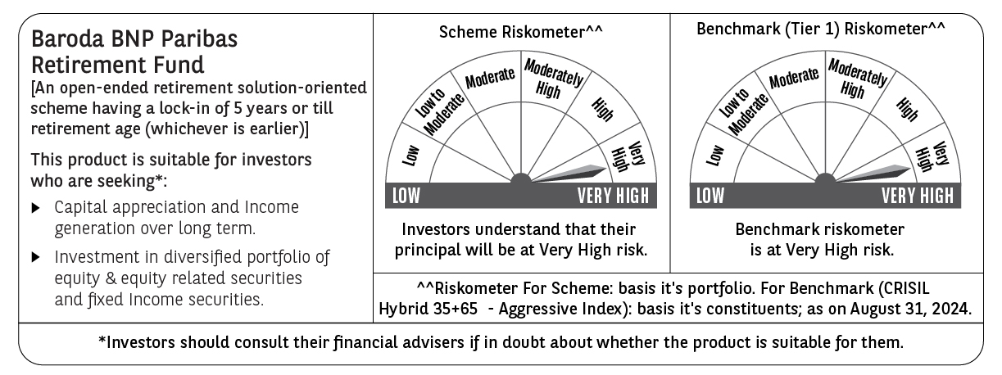
 | Baroda BNP Paribas Retirement Fund

 | Monthly Portfolio Statement as on August 31, 2024
 | Name of the Instrument | ISIN | Industry / Rating | Quantity | Market/Fair Value (Rs. in Lakhs) | % to Net Assets | YTM~ | YTC^ | null
 | Equity & Equity related
 | (a) Listed / awaiting listing on Stock Exchanges
HDFB03 | HDFC Bank Limited | INE040A01034 | Banks | 100,000 | 1,636.90 | 5.25%
INFS02 | Infosys Limited | INE009A01021 | IT - Software | 80,000 | 1,554.96 | 4.98%
IBCL05 | ICICI Bank Limited | INE090A01021 | Banks | 97,000 | 1,192.32 | 3.82%
RIND01 | Reliance Industries Limited | INE002A01018 | Petroleum Products | 36,000 | 1,086.93 | 3.48%
BTVL02 | Bharti Airtel Limited | INE397D01024 | Telecom - Services | 46,000 | 730.96 | 2.34%
UTIB02 | Axis Bank Limited | INE238A01034 | Banks | 60,000 | 705.15 | 2.26%
DABU02 | Dabur India Limited | INE016A01026 | Personal Products | 100,000 | 637.15 | 2.04%
IIFM02 | 360 One WAM Limited | INE466L01038 | Capital Markets | 58,960 | 632.64 | 2.03%
ITCL02 | ITC Limited | INE154A01025 | Diversified FMCG | 125,000 | 627.38 | 2.01%
ASHL02 | Ashok Leyland Limited | INE208A01029 | Agricultural, Commercial & Construction Vehicles | 225,000 | 577.01 | 1.85%
MAHI02 | Mahindra & Mahindra Limited | INE101A01026 | Automobiles | 20,000 | 561.08 | 1.80%
HLEL02 | Hindustan Unilever Limited | INE030A01027 | Diversified FMCG | 20,000 | 555.60 | 1.78%
JYCN01 | Jyoti CNC Automation Ltd | INE980O01024 | Industrial Manufacturing | 40,000 | 496.86 | 1.59%
DIVI02 | Divi's Laboratories Limited | INE361B01024 | Pharmaceuticals & Biotechnology | 9,700 | 494.11 | 1.58%
PHFP02 | PNB Housing Finance Limited | INE572E01012 | Finance | 50,000 | 488.73 | 1.57%
BKBA02 | Bank of Baroda | INE028A01039 | Banks | 195,000 | 487.70 | 1.56%
BEFS01 | Mrs. Bectors Food Specialities Limited | INE495P01012 | Food Products | 29,000 | 466.47 | 1.49%
LARS02 | Larsen & Toubro Limited | INE018A01030 | Construction | 12,000 | 444.56 | 1.42%
HAIL03 | Havells India Limited | INE176B01034 | Consumer Durables | 21,000 | 398.86 | 1.28%
ESMC02 | PB Fintech Limited | INE417T01026 | Financial Technology (Fintech) | 22,500 | 398.76 | 1.28%
LAKM02 | Trent Limited | INE849A01020 | Retailing | 5,400 | 386.57 | 1.24%
BFLS01 | Mphasis Limited | INE356A01018 | IT - Software | 12,300 | 381.91 | 1.22%
NTPC01 | NTPC Limited | INE733E01010 | Power | 90,000 | 374.58 | 1.20%
SBAI02 | State Bank of India | INE062A01020 | Banks | 45,000 | 367.02 | 1.18%
MAXI02 | Max Financial Services Limited | INE180A01020 | Insurance | 34,000 | 365.45 | 1.17%
CIPL03 | Cipla Limited | INE059A01026 | Pharmaceuticals & Biotechnology | 22,000 | 364.08 | 1.17%
TTEC01 | Tata Technologies Limited | INE142M01025 | IT - Services | 33,000 | 351.65 | 1.13%
PGCI01 | Power Grid Corporation of India Limited | INE752E01010 | Power | 100,000 | 337.40 | 1.08%
HINI02 | Hindalco Industries Limited | INE038A01020 | Non - Ferrous Metals | 48,000 | 336.65 | 1.08%
BOCL01 | Linde India Limited | INE473A01011 | Chemicals & Petrochemicals | 4,600 | 332.36 | 1.07%
MIIL02 | UNO Minda Limited | INE405E01023 | Auto Components | 28,000 | 328.69 | 1.05%
KEII02 | KEI Industries Limited | INE878B01027 | Industrial Products | 7,000 | 322.69 | 1.03%
VORL03 | Vinati Organics Limited | INE410B01037 | Chemicals & Petrochemicals | 16,300 | 321.10 | 1.03%
BIRM01 | 3M India Limited | INE470A01017 | Diversified | 900 | 320.97 | 1.03%
MUND02 | Adani Ports and Special Economic Zone Limited | INE742F01042 | Transport Infrastructure | 21,000 | 311.20 | 1.00%
PFCL01 | Power Finance Corporation Limited | INE134E01011 | Finance | 55,000 | 302.25 | 0.97%
MAHE01 | Max Healthcare Institute Limited | INE027H01010 | Healthcare Services | 34,000 | 293.23 | 0.94%
CHOL02 | Cholamandalam Investment and Finance Company Ltd | INE121A01024 | Finance | 20,000 | 291.12 | 0.93%
ALLI02 | GE T&D India Limited | INE200A01026 | Electrical Equipment | 16,500 | 282.74 | 0.91%
SAEL02 | TVS Motor Company Limited | INE494B01023 | Automobiles | 10,000 | 281.33 | 0.90%
IEIN01 | Info Edge (India) Limited | INE663F01024 | Retailing | 3,600 | 276.44 | 0.89%
GUAM02 | Ambuja Cements Limited | INE079A01024 | Cement & Cement Products | 44,000 | 271.50 | 0.87%
PRRC03 | Navin Fluorine International Limited | INE048G01026 | Chemicals & Petrochemicals | 8,000 | 263.87 | 0.85%
HALT02 | Hindustan Aeronautics Limited | INE066F01020 | Aerospace & Defense | 5,500 | 257.40 | 0.82%
ZMPL01 | Zomato Limited | INE758T01015 | Retailing | 100,000 | 250.53 | 0.80%
TEMA02 | Tech Mahindra Limited | INE669C01036 | IT - Software | 15,000 | 245.48 | 0.79%
GCPL02 | Godrej Consumer Products Limited | INE102D01028 | Personal Products | 15,000 | 222.18 | 0.71%
ABBP01 | Hitachi Energy India Limited | INE07Y701011 | Electrical Equipment | 1,800 | 217.71 | 0.70%
BSEL02 | BSE Limited | INE118H01025 | Capital Markets | 7,400 | 209.62 | 0.67%
WESD02 | Westlife Foodworld Limited | INE274F01020 | Leisure Services | 23,826 | 196.02 | 0.63%
 | Sub Total |  |  |  | 23,237.87 | 74.47%
 | (b) Unlisted |  |  |  | NIL | NIL
 | Sub Total |  |  |  | NIL | NIL
 | Total |  |  |  | 23,237.87 | 74.47%
 | Debt Instruments
 | (a) Listed / awaiting listing on Stock Exchange
GOI5728 | 7.34% Government of India (22/04/2064) | IN0020240035 | Sovereign | 3,575,200 | 3,721.12 | 11.93% | 7.16%
SIDB536 | 7.83% Small Industries Dev Bank of India (24/11/2028) ** | INE556F08KL3 | CRISIL AAA | 1,000 | 1,010.59 | 3.24% | 7.51%
RUPL50 | 7.90% Jamnagar Utilities & Power Private Limited (10/08/2028) ** | INE936D07182 | CRISIL AAA | 1,000 | 1,008.41 | 3.23% | 7.64%
PHFL84 | 6.75% Piramal Capital & Housing Finance Limited (26/09/2031) ** | INE516Y07444 | ICRA AA | 57,142 | 438.30 | 1.40% | 10.81%
 | Sub Total |  |  |  | 6,178.42 | 19.80%
 | (b) Privately placed / Unlisted |  |  |  | NIL | NIL
 | Sub Total |  |  |  | NIL | NIL
 | Total |  |  |  | 6,178.42 | 19.80%
 | Reverse Repo / TREPS
TRP_020924 | Clearing Corporation of India Ltd |  |  |  | 604.60 | 1.94% | 6.52%
 | Sub Total |  |  |  | 604.60 | 1.94%
 | (b) Privately placed / Unlisted |  |  |  | NIL | NIL
 | Sub Total |  |  |  | NIL | NIL
 | Total |  |  |  | 604.60 | 1.94%
 | Net Receivables / (Payables) |  |  |  | 1,182.11 | 3.79%
 | GRAND TOTAL |  |  |  | 31,203.00 | 100.00%

 | ** Thinly Traded / Non Traded Security
 | ~ YTM as on August 31, 2024
 | ^ YTC represents Yield to Call provided by valuation agencies as on August 31, 2024. It is disclosed for Perpetual Bond issued by Banks (i.e. AT-1 Bond / Tier 1 Bond / Tier 2 Bond), as per AMFI Best Practices Guidelines Circular no. 135/BP/91/2020-21 read with SEBI circular No. SEBI/HO/IMD/DF4/CIR/P/2021/034 on Valuation of AT-1 Bonds and Tier 2 Bonds.

