Monthly Portfolio
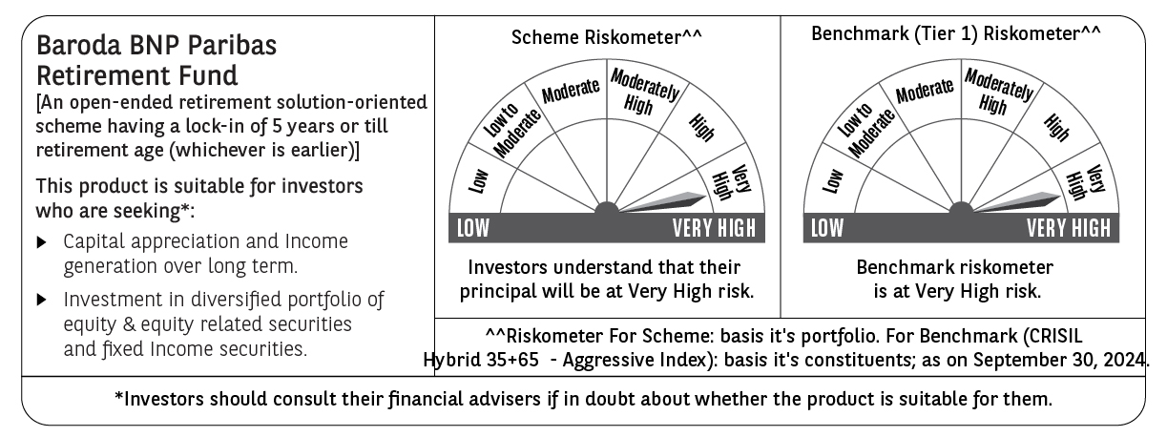
 | Baroda BNP Paribas Retirement Fund

 | Monthly Portfolio Statement as on September 30, 2024
 | Name of the Instrument | ISIN | Industry / Rating | Quantity | Market/Fair Value (Rs. in Lakhs) | % to Net Assets | YTM~ | YTC^ | null
 | Equity & Equity related
 | (a) Listed / awaiting listing on Stock Exchanges
HDFB03 | HDFC Bank Limited | INE040A01034 | Banks | 100,000 | 1,732.05 | 5.25%
INFS02 | Infosys Limited | INE009A01021 | IT - Software | 80,000 | 1,500.48 | 4.55%
IBCL05 | ICICI Bank Limited | INE090A01021 | Banks | 97,000 | 1,234.81 | 3.75%
RIND01 | Reliance Industries Limited | INE002A01018 | Petroleum Products | 36,000 | 1,063.13 | 3.23%
BTVL02 | Bharti Airtel Limited | INE397D01024 | Telecom - Services | 46,000 | 786.39 | 2.39%
UTIB02 | Axis Bank Limited | INE238A01034 | Banks | 60,000 | 739.32 | 2.24%
ITCL02 | ITC Limited | INE154A01025 | Diversified FMCG | 125,000 | 647.69 | 1.96%
DABU02 | Dabur India Limited | INE016A01026 | Personal Products | 100,000 | 625.20 | 1.90%
IIFM02 | 360 One WAM Limited | INE466L01038 | Capital Markets | 58,060 | 603.59 | 1.83%
HLEL02 | Hindustan Unilever Limited | INE030A01027 | Diversified FMCG | 20,000 | 591.66 | 1.79%
BEFS01 | Mrs. Bectors Food Specialities Limited | INE495P01012 | Food Products | 29,000 | 552.83 | 1.68%
DIVI02 | Divi's Laboratories Limited | INE361B01024 | Pharmaceuticals & Biotechnology | 9,700 | 528.00 | 1.60%
MAHI02 | Mahindra & Mahindra Limited | INE101A01026 | Automobiles | 17,000 | 526.13 | 1.60%
ALLI02 | GE T&D India Limited | INE200A01026 | Electrical Equipment | 29,403 | 494.26 | 1.50%
PHFP02 | PNB Housing Finance Limited | INE572E01012 | Finance | 50,000 | 491.48 | 1.49%
AFPL02 | AU Small Finance Bank Limited | INE949L01017 | Banks | 66,000 | 488.53 | 1.48%
BKBA02 | Bank of Baroda | INE028A01039 | Banks | 195,000 | 483.21 | 1.47%
JYCN01 | Jyoti CNC Automation Ltd | INE980O01024 | Industrial Manufacturing | 40,000 | 458.08 | 1.39%
HAIL03 | Havells India Limited | INE176B01034 | Consumer Durables | 21,000 | 422.71 | 1.28%
LAKM02 | Trent Limited | INE849A01020 | Retailing | 5,400 | 409.03 | 1.24%
ABBP01 | Hitachi Energy India Limited | INE07Y701011 | Electrical Equipment | 2,800 | 407.27 | 1.24%
MAXI02 | Max Financial Services Limited | INE180A01020 | Insurance | 34,000 | 404.94 | 1.23%
NTPC01 | NTPC Limited | INE733E01010 | Power | 90,000 | 398.88 | 1.21%
LARS02 | Larsen & Toubro Limited | INE018A01030 | Construction | 10,800 | 396.96 | 1.20%
BOCL01 | Linde India Limited | INE473A01011 | Chemicals & Petrochemicals | 4,600 | 390.31 | 1.18%
BFLS01 | Mphasis Limited | INE356A01018 | IT - Software | 12,300 | 370.28 | 1.12%
ESMC02 | PB Fintech Limited | INE417T01026 | Financial Technology (Fintech) | 22,500 | 364.49 | 1.11%
TTEC01 | Tata Technologies Limited | INE142M01025 | IT - Services | 33,000 | 364.04 | 1.10%
CIPL03 | Cipla Limited | INE059A01026 | Pharmaceuticals & Biotechnology | 22,000 | 363.90 | 1.10%
HINI02 | Hindalco Industries Limited | INE038A01020 | Non - Ferrous Metals | 48,000 | 362.98 | 1.10%
SBAI02 | State Bank of India | INE062A01020 | Banks | 45,000 | 354.56 | 1.08%
PGCI01 | Power Grid Corporation of India Limited | INE752E01010 | Power | 100,000 | 352.85 | 1.07%
VORL03 | Vinati Organics Limited | INE410B01037 | Chemicals & Petrochemicals | 16,300 | 340.08 | 1.03%
MAHE01 | Max Healthcare Institute Limited | INE027H01010 | Healthcare Services | 34,000 | 335.16 | 1.02%
CHOL02 | Cholamandalam Investment and Finance Company Ltd | INE121A01024 | Finance | 20,000 | 321.60 | 0.98%
MIIL02 | UNO Minda Limited | INE405E01023 | Auto Components | 28,000 | 308.46 | 0.94%
BIRM01 | 3M India Limited | INE470A01017 | Diversified | 900 | 304.51 | 0.92%
MUND02 | Adani Ports and Special Economic Zone Limited | INE742F01042 | Transport Infrastructure | 21,000 | 304.12 | 0.92%
KEII02 | KEI Industries Limited | INE878B01027 | Industrial Products | 7,000 | 300.81 | 0.91%
IEIN01 | Info Edge (India) Limited | INE663F01024 | Retailing | 3,600 | 291.63 | 0.88%
SAEL02 | TVS Motor Company Limited | INE494B01023 | Automobiles | 10,000 | 283.99 | 0.86%
GUAM02 | Ambuja Cements Limited | INE079A01024 | Cement & Cement Products | 44,000 | 278.32 | 0.84%
PRRC03 | Navin Fluorine International Limited | INE048G01026 | Chemicals & Petrochemicals | 8,000 | 275.31 | 0.84%
ZMPL01 | Zomato Limited | INE758T01015 | Retailing | 100,000 | 273.30 | 0.83%
BSEL02 | BSE Limited | INE118H01025 | Capital Markets | 7,400 | 272.66 | 0.83%
PFCL01 | Power Finance Corporation Limited | INE134E01011 | Finance | 55,000 | 268.43 | 0.81%
TEMA02 | Tech Mahindra Limited | INE669C01036 | IT - Software | 15,000 | 236.58 | 0.72%
WESD02 | Westlife Foodworld Limited | INE274F01020 | Leisure Services | 23,826 | 225.00 | 0.68%
GCPL02 | Godrej Consumer Products Limited | INE102D01028 | Personal Products | 15,000 | 209.01 | 0.63%
BHFL01 | Bajaj Housing Finance Limited | INE377Y01014 | Finance | 21,864 | 33.68 | 0.10%
 | Sub Total |  |  |  | 23,772.69 | 72.10%
 | (b) Unlisted |  |  |  | NIL | NIL
 | Sub Total |  |  |  | NIL | NIL
 | Total |  |  |  | 23,772.69 | 72.10%
 | Debt Instruments
 | (a) Listed / awaiting listing on Stock Exchange
GOI5728 | 7.34% Government of India (22/04/2064) | IN0020240035 | Sovereign | 3,673,600 | 3,879.44 | 11.77% | 7.04%
RUPL50 | 7.90% Jamnagar Utilities & Power Private Limited (10/08/2028) ** | INE936D07182 | CRISIL AAA | 1,000 | 1,011.33 | 3.07% | 7.54%
PHFL84 | 6.75% Piramal Capital & Housing Finance Limited (26/09/2031) | INE516Y07444 | ICRA AA | 57,142 | 425.16 | 1.29% | 10.80%
 | Sub Total |  |  |  | 5,315.93 | 16.13%
 | (b) Privately placed / Unlisted |  |  |  | NIL | NIL
 | Sub Total |  |  |  | NIL | NIL
 | Total |  |  |  | 5,315.93 | 16.13%
 | Reverse Repo / TREPS
TRP_011024 | Clearing Corporation of India Ltd |  |  |  | 3,826.16 | 11.61% | 6.65%
 | Sub Total |  |  |  | 3,826.16 | 11.61%
 | (b) Privately placed / Unlisted |  |  |  | NIL | NIL
 | Sub Total |  |  |  | NIL | NIL
 | Total |  |  |  | 3,826.16 | 11.61%
 | Net Receivables / (Payables) |  |  |  | 46.92 | 0.16%
 | GRAND TOTAL |  |  |  | 32,961.70 | 100.00%

 | ** Thinly Traded / Non Traded Security
 | ~ YTM as on September 30, 2024
 | ^ YTC represents Yield to Call provided by valuation agencies as on September 30, 2024. It is disclosed for Perpetual Bond issued by Banks (i.e. AT-1 Bond / Tier 1 Bond / Tier 2 Bond), as per AMFI Best Practices Guidelines Circular no. 135/BP/91/2020-21 read with SEBI circular No. SEBI/HO/IMD/DF4/CIR/P/2021/034 on Valuation of AT-1 Bonds and Tier 2 Bonds.

