T0ME35
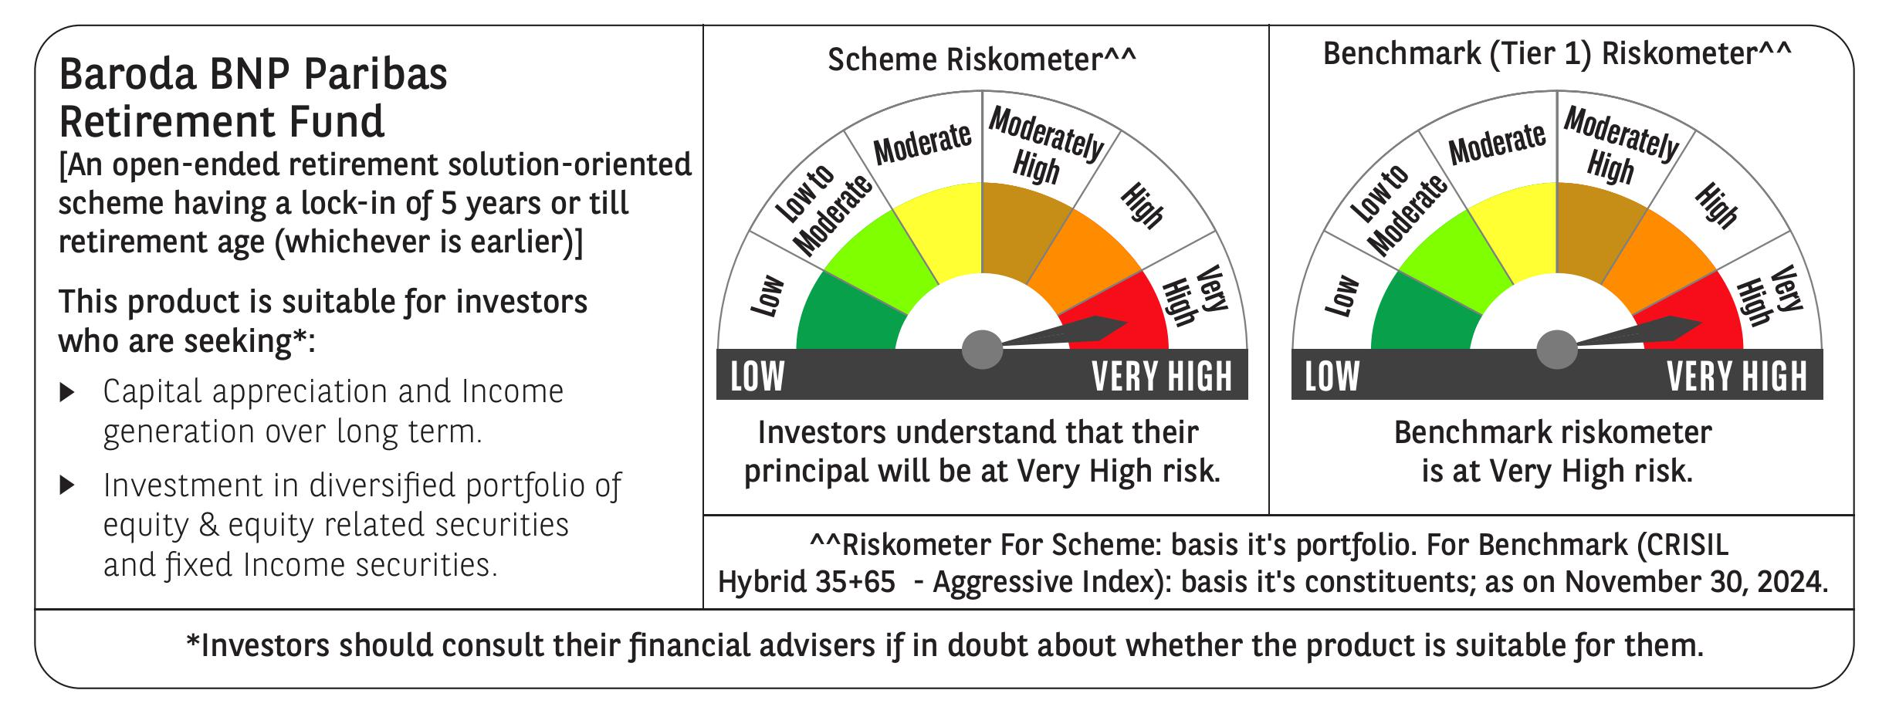
 | Baroda BNP Paribas Retirement Fund

 | Monthly Portfolio Statement as on November 30, 2024
 | Name of the Instrument | ISIN | Industry / Rating | Quantity | Market/Fair Value (Rs. in Lakhs) | % to Net Assets | YTM~ | YTC^ | null
 | Equity & Equity related
 | (a) Listed / awaiting listing on Stock Exchanges
HDFB03 | HDFC Bank Limited | INE040A01034 | Banks | 100,000 | 1,796.05 | 5.16%
INFS02 | Infosys Limited | INE009A01021 | IT - Software | 80,000 | 1,486.28 | 4.27%
IBCL05 | ICICI Bank Limited | INE090A01021 | Banks | 97,000 | 1,261.10 | 3.62%
RIND01 | Reliance Industries Limited | INE002A01018 | Petroleum Products | 72,000 | 930.38 | 2.67%
ALLI02 | GE Vernova T&D India Limited | INE200A01026 | Electrical Equipment | 51,403 | 902.74 | 2.59%
DIVI02 | Divi's Laboratories Limited | INE361B01024 | Pharmaceuticals & Biotechnology | 13,200 | 814.80 | 2.34%
BTVL02 | Bharti Airtel Limited | INE397D01024 | Telecom - Services | 46,000 | 748.49 | 2.15%
IIFM02 | 360 One WAM Limited | INE466L01038 | Capital Markets | 58,060 | 647.40 | 1.86%
ITCL02 | ITC Limited | INE154A01025 | Diversified FMCG | 125,000 | 595.94 | 1.71%
DABU02 | Dabur India Limited | INE016A01026 | Personal Products | 100,000 | 527.15 | 1.51%
BEFS01 | Mrs. Bectors Food Specialities Limited | INE495P01012 | Food Products | 29,000 | 526.15 | 1.51%
MAHI02 | Mahindra & Mahindra Limited | INE101A01026 | Automobiles | 17,000 | 504.24 | 1.45%
HLEL02 | Hindustan Unilever Limited | INE030A01027 | Diversified FMCG | 20,000 | 499.23 | 1.43%
JYCN01 | Jyoti CNC Automation Ltd | INE980O01024 | Industrial Manufacturing | 40,000 | 496.86 | 1.43%
VNBL03 | Varun Beverages Limited | INE200M01039 | Beverages | 79,849 | 496.02 | 1.43%
BKBA02 | Bank of Baroda | INE028A01039 | Banks | 195,000 | 480.48 | 1.38%
DIXO02 | Dixon Technologies (India) Limited | INE935N01020 | Consumer Durables | 3,000 | 474.22 | 1.36%
BHAH02 | Bharat Heavy Electricals Limited | INE257A01026 | Electrical Equipment | 185,000 | 464.52 | 1.33%
PHFP02 | PNB Housing Finance Limited | INE572E01012 | Finance | 50,000 | 445.85 | 1.28%
MASL02 | Mastek Limited | INE759A01021 | IT - Software | 14,000 | 444.12 | 1.28%
ESMC02 | PB Fintech Limited | INE417T01026 | Financial Technology (Fintech) | 22,500 | 426.13 | 1.22%
PFCL01 | Power Finance Corporation Limited | INE134E01011 | Finance | 85,500 | 423.48 | 1.22%
PRRC03 | Navin Fluorine International Limited | INE048G01026 | Chemicals & Petrochemicals | 11,701 | 410.46 | 1.18%
LARS02 | Larsen & Toubro Limited | INE018A01030 | Construction | 10,800 | 402.28 | 1.16%
HAIL03 | Havells India Limited | INE176B01034 | Consumer Durables | 23,100 | 396.86 | 1.14%
NTPC01 | NTPC Limited | INE733E01010 | Power | 108,000 | 392.74 | 1.13%
KEII02 | KEI Industries Limited | INE878B01027 | Industrial Products | 9,000 | 388.19 | 1.12%
AFPL02 | AU Small Finance Bank Limited | INE949L01017 | Banks | 66,000 | 385.01 | 1.11%
ZMPL01 | Zomato Limited | INE758T01015 | Retailing | 135,000 | 377.68 | 1.09%
SBAI02 | State Bank of India | INE062A01020 | Banks | 45,000 | 377.53 | 1.08%
VORL03 | Vinati Organics Limited | INE410B01037 | Chemicals & Petrochemicals | 19,826 | 369.84 | 1.06%
LAKM02 | Trent Limited | INE849A01020 | Retailing | 5,400 | 366.95 | 1.05%
MAXI02 | Max Financial Services Limited | INE180A01020 | Insurance | 32,200 | 365.13 | 1.05%
GCPL02 | Godrej Consumer Products Limited | INE102D01028 | Personal Products | 28,000 | 348.50 | 1.00%
BSEL02 | BSE Limited | INE118H01025 | Capital Markets | 7,400 | 345.64 | 0.99%
BFLS01 | Mphasis Limited | INE356A01018 | IT - Software | 11,500 | 342.07 | 0.98%
UTIB02 | Axis Bank Limited | INE238A01034 | Banks | 30,000 | 340.89 | 0.98%
CIPL03 | Cipla Limited | INE059A01026 | Pharmaceuticals & Biotechnology | 22,000 | 337.46 | 0.97%
ABBP01 | Hitachi Energy India Limited | INE07Y701011 | Electrical Equipment | 2,800 | 335.40 | 0.96%
MAHE01 | Max Healthcare Institute Limited | INE027H01010 | Healthcare Services | 34,000 | 333.12 | 0.96%
PGCI01 | Power Grid Corporation of India Limited | INE752E01010 | Power | 100,000 | 329.40 | 0.95%
BOCL01 | Linde India Limited | INE473A01011 | Chemicals & Petrochemicals | 4,600 | 318.35 | 0.91%
SAEL02 | TVS Motor Company Limited | INE494B01023 | Automobiles | 13,000 | 316.48 | 0.91%
HINI02 | Hindalco Industries Limited | INE038A01020 | Non - Ferrous Metals | 48,000 | 314.98 | 0.90%
SAGI01 | Sagility India Limited | INE0W2G01015 | IT - Services | 822,847 | 304.62 | 0.88%
IEIN01 | Info Edge (India) Limited | INE663F01024 | Retailing | 3,600 | 297.19 | 0.85%
MIIL02 | UNO Minda Limited | INE405E01023 | Auto Components | 28,000 | 294.35 | 0.85%
BIRM01 | 3M India Limited | INE470A01017 | Diversified | 900 | 290.21 | 0.83%
TEMA02 | Tech Mahindra Limited | INE669C01036 | IT - Software | 15,000 | 256.85 | 0.74%
MUND02 | Adani Ports and Special Economic Zone Limited | INE742F01042 | Transport Infrastructure | 21,000 | 249.91 | 0.72%
CHOL02 | Cholamandalam Investment and Finance Company Ltd | INE121A01024 | Finance | 20,000 | 246.79 | 0.71%
TTEC01 | Tata Technologies Limited | INE142M01025 | IT - Services | 26,206 | 245.94 | 0.71%
GUAM02 | Ambuja Cements Limited | INE079A01024 | Cement & Cement Products | 44,000 | 233.86 | 0.67%
WESD02 | Westlife Foodworld Limited | INE274F01020 | Leisure Services | 22,328 | 169.16 | 0.49%
 | Sub Total |  |  |  | 25,875.47 | 74.33%
 | (b) Unlisted |  |  |  | NIL | NIL
 | Sub Total |  |  |  | NIL | NIL
 | Total |  |  |  | 25,875.47 | 74.33%
 | Debt Instruments
 | (a) Listed / awaiting listing on Stock Exchange
GOI5728 | 7.34% Government of India (22/04/2064) | IN0020240035 | Sovereign | 4,321,800 | 4,496.11 | 12.92% | 7.16%
GOI6156 | 6.79% Government of India (07/10/2034) | IN0020240126 | Sovereign | 1,500,000 | 1,503.59 | 4.32% | 6.87%
RUPL50 | 7.90% Jamnagar Utilities & Power Private Limited (10/08/2028) ** | INE936D07182 | CRISIL AAA | 1,000 | 1,011.10 | 2.91% | 7.52%
PHFL84 | 6.75% Piramal Capital & Housing Finance Limited (26/09/2031) ** | INE516Y07444 | ICRA AA | 57,142 | 430.99 | 1.24% | 10.51%
 | Sub Total |  |  |  | 7,441.79 | 21.39%
 | (b) Privately placed / Unlisted |  |  |  | NIL | NIL
 | Sub Total |  |  |  | NIL | NIL
 | Total |  |  |  | 7,441.79 | 21.39%
 | Reverse Repo / TREPS
TRP_021224 | Clearing Corporation of India Ltd |  |  |  | 1,503.91 | 4.32% | 6.69%
 | Sub Total |  |  |  | 1,503.91 | 4.32%
 | (b) Privately placed / Unlisted |  |  |  | NIL | NIL
 | Sub Total |  |  |  | NIL | NIL
 | Total |  |  |  | 1,503.91 | 4.32%
 | Net Receivables / (Payables) |  |  |  | (17.01) | (0.04)%
 | GRAND TOTAL |  |  |  | 34,804.16 | 100.00%

 | ** Thinly Traded / Non Traded Security
 | ~ YTM as on November 30, 2024
 | ^ YTC represents Yield to Call provided by valuation agencies as on November 30, 2024. It is disclosed for Perpetual Bond issued by Banks (i.e. AT-1 Bond / Tier 1 Bond / Tier 2 Bond), as per AMFI Best Practices Guidelines Circular no. 135/BP/91/2020-21 re

