T0ME36
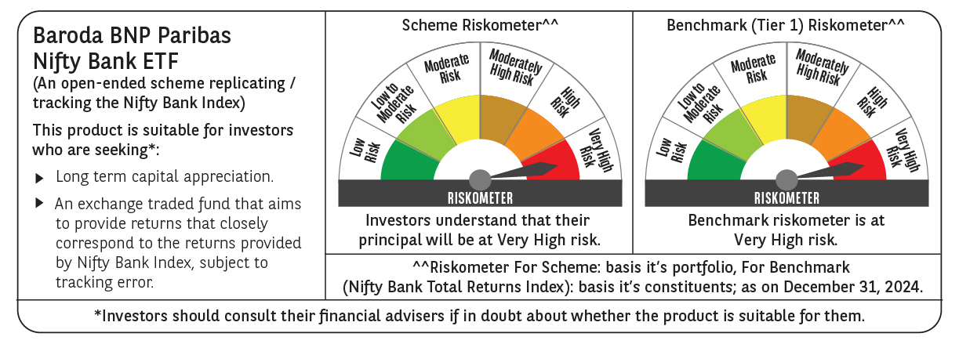
 | Baroda BNP Paribas NIFTY BANK ETF

 | Monthly Portfolio Statement as on December 31, 2024
 | Name of the Instrument | ISIN | Industry | Quantity | Market/Fair Value (Rs. in Lakhs) | % to Net Assets | YTM~ | YTC^ | null
 | Equity & Equity related
 | (a) Listed / awaiting listing on Stock Exchanges
HDFB03 | HDFC Bank Limited | INE040A01034 | Banks | 14,016 | 248.48 | 28.16%
IBCL05 | ICICI Bank Limited | INE090A01021 | Banks | 17,236 | 220.91 | 25.03%
KOMA02 | Kotak Mahindra Bank Limited | INE237A01028 | Banks | 4,366 | 77.98 | 8.84%
UTIB02 | Axis Bank Limited | INE238A01034 | Banks | 7,076 | 75.34 | 8.54%
SBAI02 | State Bank of India | INE062A01020 | Banks | 9,386 | 74.61 | 8.45%
IIBL01 | IndusInd Bank Limited | INE095A01012 | Banks | 4,101 | 39.38 | 4.46%
FEBA02 | The Federal Bank Limited | INE171A01029 | Banks | 15,098 | 30.20 | 3.42%
BKBA02 | Bank of Baroda | INE028A01039 | Banks | 11,748 | 28.26 | 3.20%
IDBK01 | IDFC First Bank Limited | INE092T01019 | Banks | 38,295 | 24.18 | 2.74%
PUBA02 | Punjab National Bank | INE160A01022 | Banks | 21,435 | 22.03 | 2.50%
CANB02 | Canara Bank | INE476A01022 | Banks | 21,183 | 21.21 | 2.40%
AFPL02 | AU Small Finance Bank Limited | INE949L01017 | Banks | 3,492 | 19.52 | 2.21%
 | Sub Total |  |  |  | 882.10 | 99.95%
 | (b) Unlisted |  |  |  | NIL | NIL
 | Sub Total |  |  |  | NIL | NIL
 | Total |  |  |  | 882.10 | 99.95%
 | Reverse Repo / TREPS
TRP_010125 | Clearing Corporation of India Ltd |  |  |  | 0.08 | 0.01% | 6.61%
 | Sub Total |  |  |  | 0.08 | 0.01%
 | Total |  |  |  | 0.08 | 0.01%
 | Net Receivables / (Payables) |  |  |  | 0.36 | 0.04%
 | GRAND TOTAL |  |  |  | 882.54 | 100.00%

 | ~ YTM as on December 31, 2024
 | ^ YTC represents Yield to Call provided by valuation agencies as on December 31, 2024. It is disclosed for Perpetual Bond issued by Banks (i.e. AT-1 Bond / Tier 1 Bond / Tier 2 Bond), as per AMFI Best Practices Guidelines Circular no. 135/BP/91/2020-21 re

