T0ME36
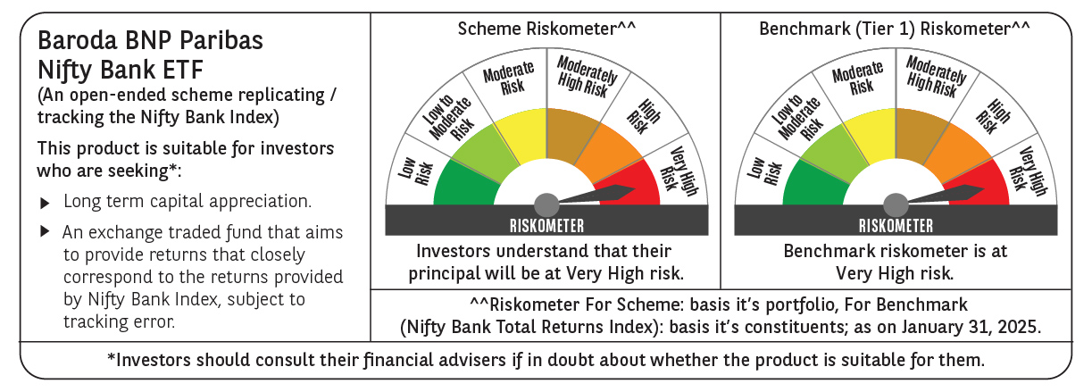
 | Baroda BNP Paribas NIFTY BANK ETF

 | Monthly Portfolio Statement as on January 31, 2025
 | Name of the Instrument | ISIN | Industry | Quantity | Market/Fair Value (Rs. in Lakhs) | % to Net Assets | YTM~ | YTC^ | null
 | Equity & Equity related
 | (a) Listed / awaiting listing on Stock Exchanges
HDFB03 | HDFC Bank Limited | INE040A01034 | Banks | 7,150 | 121.46 | 27.63%
IBCL05 | ICICI Bank Limited | INE090A01021 | Banks | 8,789 | 110.11 | 25.05%
KOMA02 | Kotak Mahindra Bank Limited | INE237A01028 | Banks | 2,192 | 41.68 | 9.48%
SBAI02 | State Bank of India | INE062A01020 | Banks | 4,776 | 36.91 | 8.40%
UTIB02 | Axis Bank Limited | INE238A01034 | Banks | 3,633 | 35.83 | 8.15%
IIBL01 | IndusInd Bank Limited | INE095A01012 | Banks | 2,102 | 20.84 | 4.74%
FEBA02 | The Federal Bank Limited | INE171A01029 | Banks | 7,774 | 14.55 | 3.31%
BKBA02 | Bank of Baroda | INE028A01039 | Banks | 5,980 | 12.76 | 2.90%
IDBK01 | IDFC First Bank Limited | INE092T01019 | Banks | 19,577 | 12.38 | 2.82%
PUBA02 | Punjab National Bank | INE160A01022 | Banks | 11,306 | 11.44 | 2.60%
AFPL02 | AU Small Finance Bank Limited | INE949L01017 | Banks | 1,793 | 10.78 | 2.45%
CANB02 | Canara Bank | INE476A01022 | Banks | 10,861 | 10.13 | 2.30%
 | Sub Total |  |  |  | 438.87 | 99.83%
 | (b) Unlisted |  |  |  | NIL | NIL
 | Sub Total |  |  |  | NIL | NIL
 | Total |  |  |  | 438.87 | 99.83%
 | Reverse Repo / TREPS
TRP_030225 | Clearing Corporation of India Ltd |  |  |  | 0.34 | 0.08% | 6.55%
 | Sub Total |  |  |  | 0.34 | 0.08%
 | Total |  |  |  | 0.34 | 0.08%
 | Net Receivables / (Payables) |  |  |  | 0.31 | 0.09%
 | GRAND TOTAL |  |  |  | 439.52 | 100.00%

 | ~ YTM as on January 31, 2025
 | ^ YTC represents Yield to Call provided by valuation agencies as on January 31, 2025. It is disclosed for Perpetual Bond issued by Banks (i.e. AT-1 Bond / Tier 1 Bond / Tier 2 Bond), as per AMFI Best Practices Guidelines Circular no. 135/BP/91/2020-21 read with SEBI circular No. SEBI/HO/IMD/DF4/CIR/P/2021/034 on Valuation of AT-1 Bonds and Tier 2 Bonds.

