Monthly Portfolio
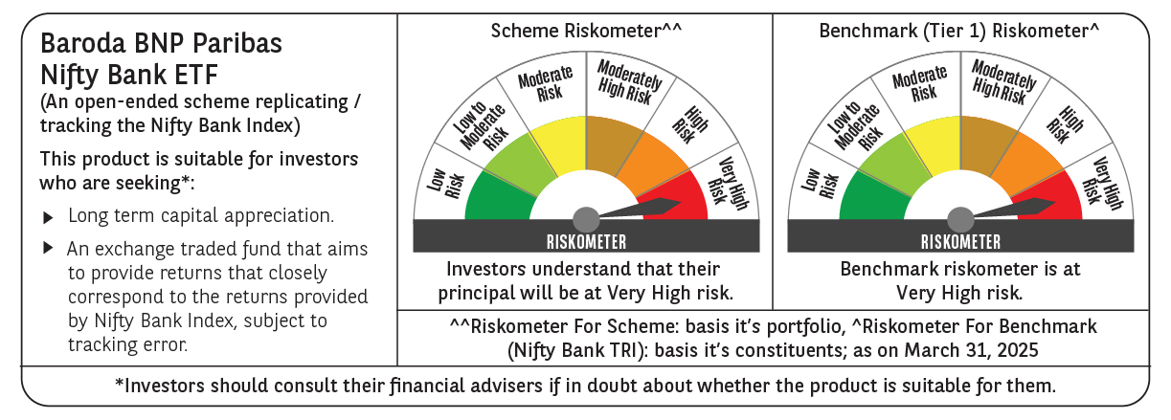
 | Baroda BNP Paribas NIFTY BANK ETF

 | Monthly Portfolio Statement as on March 31, 2025
 | Name of the Instrument | ISIN | Industry | Quantity | Market/Fair Value (Rs. in Lakhs) | % to Net Assets | YTM~ | YTC^ | null
 | Equity & Equity related
 | (a) Listed / awaiting listing on Stock Exchanges
HDFB03 | HDFC Bank Limited | INE040A01034 | Banks | 6,603 | 120.72 | 28.01%
IBCL05 | ICICI Bank Limited | INE090A01021 | Banks | 8,134 | 109.67 | 25.45%
KOMA02 | Kotak Mahindra Bank Limited | INE237A01028 | Banks | 1,711 | 37.15 | 8.62%
SBAI02 | State Bank of India | INE062A01020 | Banks | 4,752 | 36.66 | 8.51%
UTIB02 | Axis Bank Limited | INE238A01034 | Banks | 3,288 | 36.23 | 8.41%
FEBA02 | The Federal Bank Limited | INE171A01029 | Banks | 8,423 | 16.23 | 3.77%
IIBL01 | IndusInd Bank Limited | INE095A01012 | Banks | 2,276 | 14.79 | 3.43%
BKBA02 | Bank of Baroda | INE028A01039 | Banks | 6,163 | 14.08 | 3.27%
IDBK01 | IDFC First Bank Limited | INE092T01019 | Banks | 21,927 | 12.05 | 2.80%
PUBA02 | Punjab National Bank | INE160A01022 | Banks | 11,759 | 11.30 | 2.62%
AFPL02 | AU Small Finance Bank Limited | INE949L01017 | Banks | 2,048 | 10.95 | 2.54%
CANB02 | Canara Bank | INE476A01022 | Banks | 11,668 | 10.38 | 2.41%
 | Sub Total |  |  |  | 430.21 | 99.84%
 | (b) Unlisted |  |  |  | NIL | NIL
 | Sub Total |  |  |  | NIL | NIL
 | Total |  |  |  | 430.21 | 99.84%
 | Reverse Repo / TREPS
TRP_020425 | Clearing Corporation of India Ltd |  |  |  | 0.40 | 0.09% | 6.68%
 | Sub Total |  |  |  | 0.40 | 0.09%
 | Total |  |  |  | 0.40 | 0.09%
 | Net Receivables / (Payables) |  |  |  | 0.33 | 0.07%
 | GRAND TOTAL |  |  |  | 430.94 | 100.00%

 | ~ YTM as on March 31, 2025
 | ^ YTC represents Yield to Call provided by valuation agencies as on March 31, 2025. It is disclosed for Perpetual Bond issued by Banks (i.e. AT-1 Bond / Tier 1 Bond / Tier 2 Bond), as per AMFI Best Practices Guidelines Circular no. 135/BP/91/2020-21 read with SEBI circular No. SEBI/HO/IMD/DF4/CIR/P/2021/034 on Valuation of AT-1 Bonds and Tier 2 Bonds.

