T0ME36
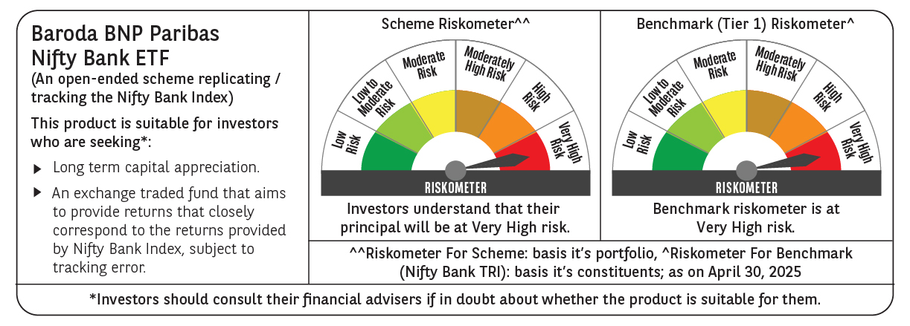
 | Baroda BNP Paribas NIFTY BANK ETF

 | Monthly Portfolio Statement as on April 30, 2025
 | Name of the Instrument | ISIN | Industry | Quantity | Market/Fair Value (Rs. in Lakhs) | % to Net Assets | YTM~ | YTC^ | null
 | Equity & Equity related
 | (a) Listed / awaiting listing on Stock Exchanges
HDFB03 | HDFC Bank Limited | INE040A01034 | Banks | 5,126 | 98.68 | 28.17%
IBCL05 | ICICI Bank Limited | INE090A01021 | Banks | 6,098 | 87.02 | 24.84%
UTIB02 | Axis Bank Limited | INE238A01034 | Banks | 2,499 | 29.61 | 8.45%
KOMA02 | Kotak Mahindra Bank Limited | INE237A01028 | Banks | 1,304 | 28.79 | 8.22%
SBAI02 | State Bank of India | INE062A01020 | Banks | 3,627 | 28.60 | 8.17%
IIBL01 | IndusInd Bank Limited | INE095A01012 | Banks | 1,713 | 14.36 | 4.10%
FEBA02 | The Federal Bank Limited | INE171A01029 | Banks | 6,491 | 12.77 | 3.64%
BKBA02 | Bank of Baroda | INE028A01039 | Banks | 4,883 | 12.20 | 3.48%
IDBK01 | IDFC First Bank Limited | INE092T01019 | Banks | 15,947 | 10.35 | 2.95%
AFPL02 | AU Small Finance Bank Limited | INE949L01017 | Banks | 1,357 | 9.21 | 2.63%
PUBA02 | Punjab National Bank | INE160A01022 | Banks | 9,092 | 9.11 | 2.60%
CANB02 | Canara Bank | INE476A01022 | Banks | 8,963 | 8.73 | 2.49%
 | Sub Total |  |  |  | 349.43 | 99.74%
 | (b) Unlisted |  |  |  | NIL | NIL
 | Sub Total |  |  |  | NIL | NIL
 | Total |  |  |  | 349.43 | 99.74%
 | Reverse Repo / TREPS
TRP_020525 | Clearing Corporation of India Ltd |  |  |  | 0.27 | 0.08% | 5.94%
 | Sub Total |  |  |  | 0.27 | 0.08%
 | Total |  |  |  | 0.27 | 0.08%
 | Net Receivables / (Payables) |  |  |  | 0.62 | 0.18%
 | GRAND TOTAL |  |  |  | 350.32 | 100.00%

 | ~ YTM as on April 30, 2025
 | ^ YTC represents Yield to Call provided by valuation agencies as on April 30, 2025. It is disclosed for Perpetual Bond issued by Banks (i.e. AT-1 Bond / Tier 1 Bond / Tier 2 Bond), as per AMFI Best Practices Guidelines Circular no. 135/BP/91/2020-21 read with SEBI circular No. SEBI/HO/IMD/DF4/CIR/P/2021/034 on Valuation of AT-1 Bonds and Tier 2 Bonds.

