T0ME36
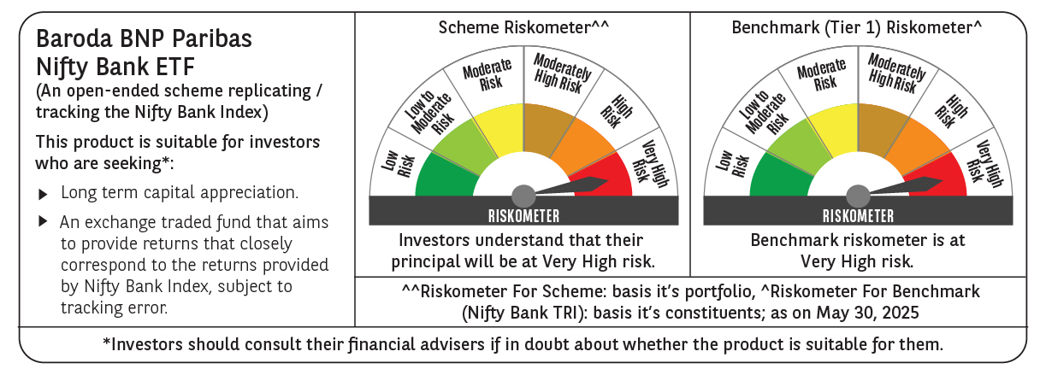
 | Baroda BNP Paribas NIFTY BANK ETF

 | Monthly Portfolio Statement as on May 31, 2025
 | Name of the Instrument | ISIN | Industry | Quantity | Market/Fair Value (Rs. in Lakhs) | % to Net Assets | YTM~ | YTC^ | null
 | Equity & Equity related
 | (a) Listed / awaiting listing on Stock Exchanges
HDFB03 | HDFC Bank Limited | INE040A01034 | Banks | 5,059 | 98.39 | 27.72%
IBCL05 | ICICI Bank Limited | INE090A01021 | Banks | 6,191 | 89.51 | 25.21%
UTIB02 | Axis Bank Limited | INE238A01034 | Banks | 2,502 | 29.83 | 8.40%
SBAI02 | State Bank of India | INE062A01020 | Banks | 3,598 | 29.23 | 8.23%
KOMA02 | Kotak Mahindra Bank Limited | INE237A01028 | Banks | 1,284 | 26.64 | 7.50%
IIBL01 | IndusInd Bank Limited | INE095A01012 | Banks | 1,722 | 14.07 | 3.96%
FEBA02 | The Federal Bank Limited | INE171A01029 | Banks | 6,369 | 12.87 | 3.63%
BKBA02 | Bank of Baroda | INE028A01039 | Banks | 4,810 | 12.00 | 3.38%
IDBK01 | IDFC First Bank Limited | INE092T01019 | Banks | 16,429 | 11.17 | 3.15%
AFPL02 | AU Small Finance Bank Limited | INE949L01017 | Banks | 1,479 | 10.25 | 2.89%
CANB02 | Canara Bank | INE476A01022 | Banks | 8,846 | 10.15 | 2.86%
PUBA02 | Punjab National Bank | INE160A01022 | Banks | 8,869 | 9.39 | 2.64%
 | Sub Total |  |  |  | 353.50 | 99.57%
 | (b) Unlisted |  |  |  | NIL | NIL
 | Sub Total |  |  |  | NIL | NIL
 | Total |  |  |  | 353.50 | 99.57%
 | Reverse Repo / TREPS
TRP_020625 | Clearing Corporation of India Ltd |  |  |  | 0.24 | 0.07% | 5.78%
 | Sub Total |  |  |  | 0.24 | 0.07%
 | Total |  |  |  | 0.24 | 0.07%
 | Net Receivables / (Payables) |  |  |  | 1.26 | 0.36%
 | GRAND TOTAL |  |  |  | 355.00 | 100.00%

 | ~ YTM as on May 31, 2025
 | ^ YTC represents Yield to Call provided by valuation agencies as on May 31, 2025. It is disclosed for Perpetual Bond issued by Banks (i.e. AT-1 Bond / Tier 1 Bond / Tier 2 Bond), as per AMFI Best Practices Guidelines Circular no. 135/BP/91/2020-21 read with SEBI circular No. SEBI/HO/IMD/DF4/CIR/P/2021/034 on Valuation of AT-1 Bonds and Tier 2 Bonds.

