T0ME36
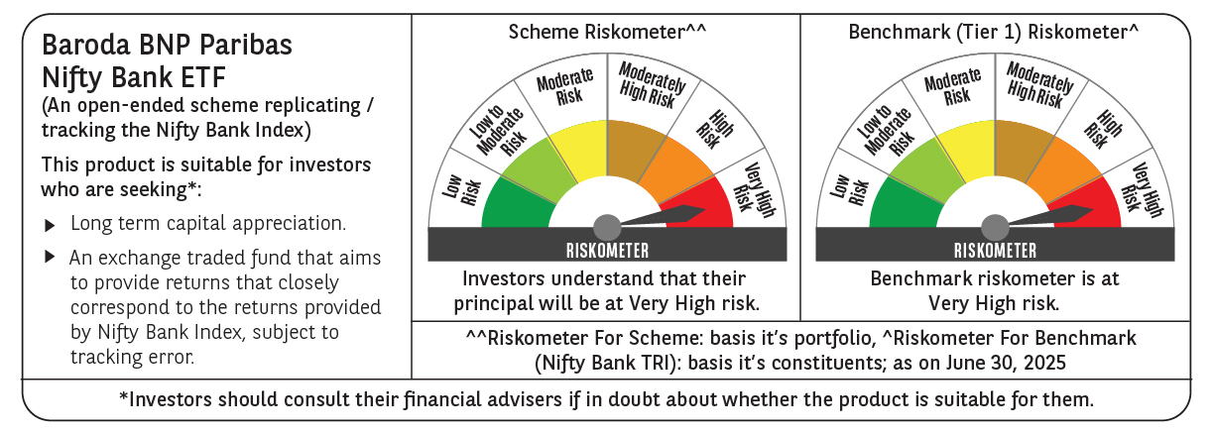
 | Baroda BNP Paribas NIFTY BANK ETF

 | Monthly Portfolio Statement as on June 30, 2025
 | Name of the Instrument | ISIN | Industry | Quantity | Market/Fair Value (Rs. in Lakhs) | % to Net Assets | YTM~ | YTC^ | null
 | Equity & Equity related
 | (a) Listed / awaiting listing on Stock Exchanges
HDFB03 | HDFC Bank Limited | INE040A01034 | Banks | 4,731 | 94.69 | 28.07%
IBCL05 | ICICI Bank Limited | INE090A01021 | Banks | 5,886 | 85.10 | 25.23%
UTIB02 | Axis Bank Limited | INE238A01034 | Banks | 2,386 | 28.61 | 8.48%
SBAI02 | State Bank of India | INE062A01020 | Banks | 3,478 | 28.53 | 8.46%
KOMA02 | Kotak Mahindra Bank Limited | INE237A01028 | Banks | 1,316 | 28.47 | 8.44%
IIBL01 | IndusInd Bank Limited | INE095A01012 | Banks | 1,398 | 12.19 | 3.61%
FEBA02 | The Federal Bank Limited | INE171A01029 | Banks | 5,161 | 11.00 | 3.26%
IDBK01 | IDFC First Bank Limited | INE092T01019 | Banks | 14,146 | 10.30 | 3.05%
AFPL02 | AU Small Finance Bank Limited | INE949L01017 | Banks | 1,196 | 9.78 | 2.90%
BKBA02 | Bank of Baroda | INE028A01039 | Banks | 3,873 | 9.64 | 2.86%
CANB02 | Canara Bank | INE476A01022 | Banks | 7,053 | 8.05 | 2.39%
PUBA02 | Punjab National Bank | INE160A01022 | Banks | 7,161 | 7.91 | 2.35%
 | Sub Total |  |  |  | 334.27 | 99.10%
 | (b) Unlisted |  |  |  | NIL | NIL
 | Sub Total |  |  |  | NIL | NIL
 | Total |  |  |  | 334.27 | 99.10%
 | Reverse Repo / TREPS
TRP_010725 | Clearing Corporation of India Ltd |  |  |  | 0.33 | 0.10% | 5.47%
 | Sub Total |  |  |  | 0.33 | 0.10%
 | Total |  |  |  | 0.33 | 0.10%
 | Net Receivables / (Payables) |  |  |  | 2.70 | 0.80%
 | GRAND TOTAL |  |  |  | 337.30 | 100.00%

 | ~ YTM as on June 30, 2025
 | ^ YTC represents Yield to Call provided by valuation agencies as on June 30, 2025. It is disclosed for Perpetual Bond issued by Banks (i.e. AT-1 Bond / Tier 1 Bond / Tier 2 Bond), as per AMFI Best Practices Guidelines Circular no. 135/BP/91/2020-21 read with SEBI circular No. SEBI/HO/IMD/DF4/CIR/P/2021/034 on Valuation of AT-1 Bonds and Tier 2 Bonds.

