T0ME36
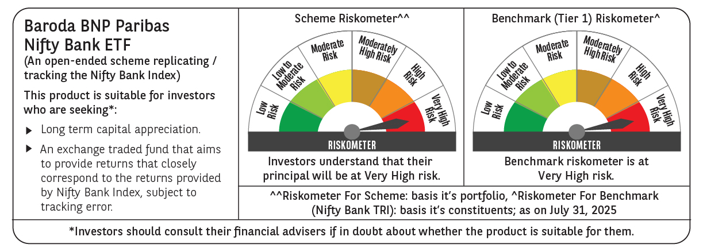
 | Baroda BNP Paribas NIFTY BANK ETF

 | Monthly Portfolio Statement as on July 31, 2025
 | Name of the Instrument | ISIN | Industry | Quantity | Market/Fair Value (Rs. in Lakhs) | % to Net Assets | YTM~ | YTC^ | null
 | Equity & Equity related
 | (a) Listed / awaiting listing on Stock Exchanges
HDFB03 | HDFC Bank Limited | INE040A01034 | Banks | 4,696 | 94.77 | 28.75%
IBCL05 | ICICI Bank Limited | INE090A01021 | Banks | 5,822 | 86.25 | 26.16%
SBAI02 | State Bank of India | INE062A01020 | Banks | 3,566 | 28.40 | 8.62%
KOMA02 | Kotak Mahindra Bank Limited | INE237A01028 | Banks | 1,294 | 25.60 | 7.77%
UTIB02 | Axis Bank Limited | INE238A01034 | Banks | 2,346 | 25.06 | 7.60%
IIBL01 | IndusInd Bank Limited | INE095A01012 | Banks | 1,453 | 11.61 | 3.52%
FEBA02 | The Federal Bank Limited | INE171A01029 | Banks | 5,370 | 10.87 | 3.30%
IDBK01 | IDFC First Bank Limited | INE092T01019 | Banks | 14,630 | 10.06 | 3.05%
BKBA02 | Bank of Baroda | INE028A01039 | Banks | 4,037 | 9.60 | 2.91%
AFPL02 | AU Small Finance Bank Limited | INE949L01017 | Banks | 1,232 | 9.14 | 2.77%
CANB02 | Canara Bank | INE476A01022 | Banks | 7,419 | 7.96 | 2.41%
PUBA02 | Punjab National Bank | INE160A01022 | Banks | 7,550 | 7.96 | 2.41%
 | Sub Total |  |  |  | 327.28 | 99.27%
 | (b) Unlisted |  |  |  | NIL | NIL
 | Sub Total |  |  |  | NIL | NIL
 | Total |  |  |  | 327.28 | 99.27%
 | Reverse Repo / TREPS
TRP_010825 | Clearing Corporation of India Ltd |  |  |  | 0.36 | 0.11% | 5.42%
 | Sub Total |  |  |  | 0.36 | 0.11%
 | Total |  |  |  | 0.36 | 0.11%
 | Net Receivables / (Payables) |  |  |  | 2.00 | 0.62%
 | GRAND TOTAL |  |  |  | 329.64 | 100.00%

 | ~ YTM as on July 31, 2025
 | ^ YTC represents Yield to Call provided by valuation agencies as on July 31, 2025. It is disclosed for Perpetual Bond issued by Banks (i.e. AT-1 Bond / Tier 1 Bond / Tier 2 Bond), as per AMFI Best Practices Guidelines Circular no. 135/BP/91/2020-21 read with SEBI circular No. SEBI/HO/IMD/DF4/CIR/P/2021/034 on Valuation of AT-1 Bonds and Tier 2 Bonds.

