T0ME36
 | Baroda BNP Paribas NIFTY BANK ETF

 | Monthly Portfolio Statement as on August 31, 2025
 | Name of the Instrument | ISIN | Industry | Quantity | Market/Fair Value (Rs. in Lakhs) | % to Net Assets | YTM~ | YTC^ | null
 | Equity & Equity related
 | (a) Listed / awaiting listing on Stock Exchanges
HDFB03 | HDFC Bank Limited | INE040A01034 | Banks | 9,517 | 90.56 | 28.59%
IBCL05 | ICICI Bank Limited | INE090A01021 | Banks | 5,874 | 82.11 | 25.92%
SBAI02 | State Bank of India | INE062A01020 | Banks | 3,555 | 28.53 | 9.01%
KOMA02 | Kotak Mahindra Bank Limited | INE237A01028 | Banks | 1,301 | 25.50 | 8.05%
UTIB02 | Axis Bank Limited | INE238A01034 | Banks | 2,333 | 24.38 | 7.70%
IIBL01 | IndusInd Bank Limited | INE095A01012 | Banks | 1,437 | 10.63 | 3.35%
FEBA02 | The Federal Bank Limited | INE171A01029 | Banks | 5,294 | 10.15 | 3.20%
IDBK01 | IDFC First Bank Limited | INE092T01019 | Banks | 14,343 | 9.75 | 3.08%
BKBA02 | Bank of Baroda | INE028A01039 | Banks | 4,021 | 9.36 | 2.96%
AFPL02 | AU Small Finance Bank Limited | INE949L01017 | Banks | 1,235 | 8.87 | 2.80%
CANB02 | Canara Bank | INE476A01022 | Banks | 7,335 | 7.62 | 2.40%
PUBA02 | Punjab National Bank | INE160A01022 | Banks | 7,522 | 7.59 | 2.40%
 | Sub Total |  |  |  | 315.05 | 99.46%
 | (b) Unlisted |  |  |  | NIL | NIL
 | Sub Total |  |  |  | NIL | NIL
 | Total |  |  |  | 315.05 | 99.46%
 | Reverse Repo / TREPS
TRP_010925 | Clearing Corporation of India Ltd |  |  |  | 0.36 | 0.12% | 5.39%
 | Sub Total |  |  |  | 0.36 | 0.12%
 | Total |  |  |  | 0.36 | 0.12%
 | Net Receivables / (Payables) |  |  |  | 1.38 | 0.42%
 | GRAND TOTAL |  |  |  | 316.79 | 100.00%

 | ~ YTM as on August 31, 2025
 | ^ YTC represents Yield to Call provided by valuation agencies as on August 31, 2025. It is disclosed for Perpetual Bond issued by Banks (i.e. AT-1 Bond / Tier 1 Bond / Tier 2 Bond), as per AMFI Best Practices Guidelines Circular no. 135/BP/91/2020-21 read with SEBI circular No. SEBI/HO/IMD/DF4/CIR/P/2021/034 on Valuation of AT-1 Bonds and Tier 2 Bonds.

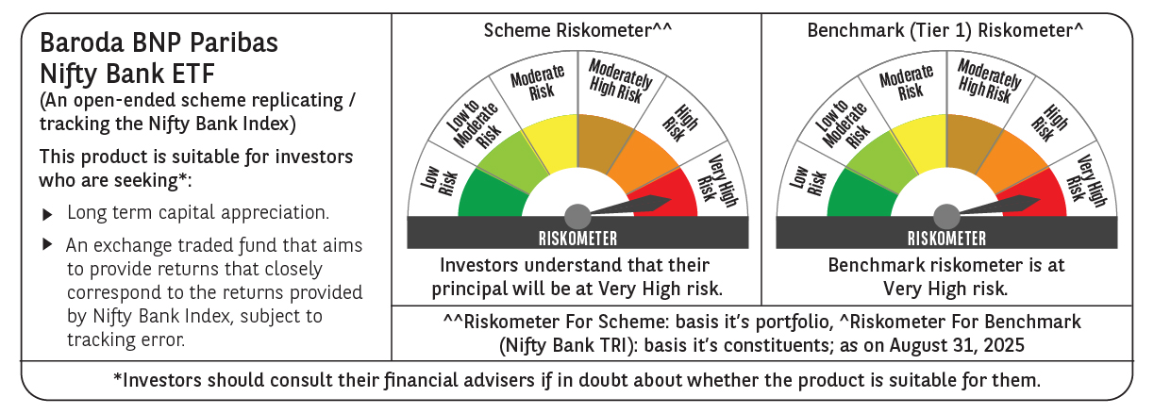

 | Monthly Performance Link: https://www.barodabnpparibasmf.in/assets/download_documents/Performance_of_Schemes_14126.pdf

