Monthly Portfolio
 | Baroda BNP Paribas NIFTY BANK ETF

 | Monthly Portfolio Statement as on September 30, 2025
 | Name of the Instrument | ISIN | Industry | Quantity | Market/Fair Value (Rs. in Lakhs) | % to Net Assets | YTM~ | YTC^ | null
 | Equity & Equity related
 | (a) Listed / awaiting listing on Stock Exchanges
HDFB03 | HDFC Bank Limited | INE040A01034 | Banks | 10,377 | 98.69 | 28.20%
IBCL05 | ICICI Bank Limited | INE090A01021 | Banks | 6,362 | 85.76 | 24.51%
SBAI02 | State Bank of India | INE062A01020 | Banks | 3,645 | 31.80 | 9.09%
KOMA02 | Kotak Mahindra Bank Limited | INE237A01028 | Banks | 1,585 | 31.58 | 9.03%
UTIB02 | Axis Bank Limited | INE238A01034 | Banks | 2,778 | 31.44 | 8.98%
FEBA02 | The Federal Bank Limited | INE171A01029 | Banks | 5,606 | 10.82 | 3.09%
IIBL01 | IndusInd Bank Limited | INE095A01012 | Banks | 1,458 | 10.72 | 3.06%
BKBA02 | Bank of Baroda | INE028A01039 | Banks | 4,100 | 10.60 | 3.03%
IDBK01 | IDFC First Bank Limited | INE092T01019 | Banks | 14,743 | 10.29 | 2.94%
AFPL02 | AU Small Finance Bank Limited | INE949L01017 | Banks | 1,278 | 9.35 | 2.67%
CANB02 | Canara Bank | INE476A01022 | Banks | 7,473 | 9.24 | 2.64%
PUBA02 | Punjab National Bank | INE160A01022 | Banks | 7,675 | 8.66 | 2.47%
 | Sub Total |  |  |  | 348.95 | 99.71%
 | (b) Unlisted |  |  |  | NIL | NIL
 | Sub Total |  |  |  | NIL | NIL
 | Total |  |  |  | 348.95 | 99.71%
 | Reverse Repo / TREPS
TRP_011025 | Clearing Corporation of India Ltd |  |  |  | 0.27 | 0.08% | 5.53%
 | Sub Total |  |  |  | 0.27 | 0.08%
 | Total |  |  |  | 0.27 | 0.08%
 | Net Receivables / (Payables) |  |  |  | 0.68 | 0.21%
 | GRAND TOTAL |  |  |  | 349.90 | 100.00%

 | ~ YTM as on September 30, 2025
 | ^ YTC represents Yield to Call provided by valuation agencies as on September 30, 2025. It is disclosed for Perpetual Bond issued by Banks (i.e. AT-1 Bond / Tier 1 Bond / Tier 2 Bond), as per AMFI Best Practices Guidelines Circular no. 135/BP/91/2020-21 read with SEBI circular No. SEBI/HO/IMD/DF4/CIR/P/2021/034 on Valuation of AT-1 Bonds and Tier 2 Bonds.

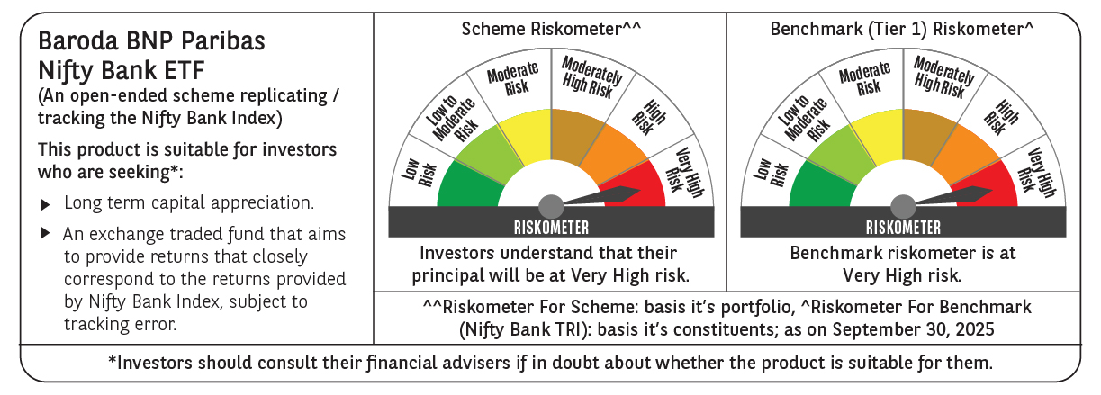

 | Monthly Performance Link: https://www.barodabnpparibasmf.in/assets/download_documents/Performance_of_Schemes_September_14618.pdf

