T0ME36
 | Baroda BNP Paribas NIFTY BANK ETF

 | Monthly Portfolio Statement as on October 31, 2025
 | Name of the Instrument | ISIN | Industry | Quantity | Market/Fair Value (Rs. in Lakhs) | % to Net Assets | YTM~ | YTC^ | null
 | Equity & Equity related
 | (a) Listed / awaiting listing on Stock Exchanges
HDFB03 | HDFC Bank Limited | INE040A01034 | Banks | 10,466 | 103.33 | 27.94%
IBCL05 | ICICI Bank Limited | INE090A01021 | Banks | 6,304 | 84.81 | 22.93%
SBAI02 | State Bank of India | INE062A01020 | Banks | 3,662 | 34.31 | 9.28%
UTIB02 | Axis Bank Limited | INE238A01034 | Banks | 2,710 | 33.41 | 9.03%
KOMA02 | Kotak Mahindra Bank Limited | INE237A01028 | Banks | 1,576 | 33.13 | 8.96%
FEBA02 | The Federal Bank Limited | INE171A01029 | Banks | 5,539 | 13.11 | 3.54%
IDBK01 | IDFC First Bank Limited | INE092T01019 | Banks | 15,033 | 12.29 | 3.32%
IIBL01 | IndusInd Bank Limited | INE095A01012 | Banks | 1,497 | 11.90 | 3.22%
BKBA02 | Bank of Baroda | INE028A01039 | Banks | 4,185 | 11.65 | 3.15%
AFPL02 | AU Small Finance Bank Limited | INE949L01017 | Banks | 1,276 | 11.20 | 3.03%
CANB02 | Canara Bank | INE476A01022 | Banks | 7,367 | 10.09 | 2.73%
PUBA02 | Punjab National Bank | INE160A01022 | Banks | 7,832 | 9.62 | 2.60%
 | Sub Total |  |  |  | 368.85 | 99.73%
 | (b) Unlisted |  |  |  | NIL | NIL
 | Sub Total |  |  |  | NIL | NIL
 | Total |  |  |  | 368.85 | 99.73%
 | Reverse Repo / TREPS
TRP_031125 | Clearing Corporation of India Ltd |  |  |  | 0.29 | 0.08% | 5.60%
 | Sub Total |  |  |  | 0.29 | 0.08%
 | Total |  |  |  | 0.29 | 0.08%
 | Net Receivables / (Payables) |  |  |  | 0.75 | 0.19%
 | GRAND TOTAL |  |  |  | 369.89 | 100.00%

 | ~ YTM as on October 31, 2025
 | ^ YTC represents Yield to Call provided by valuation agencies as on October 31, 2025. It is disclosed for Perpetual Bond issued by Banks (i.e. AT-1 Bond / Tier 1 Bond / Tier 2 Bond), as per AMFI Best Practices Guidelines Circular no. 135/BP/91/2020-21 read with SEBI circular No. SEBI/HO/IMD/DF4/CIR/P/2021/034 on Valuation of AT-1 Bonds and Tier 2 Bonds.

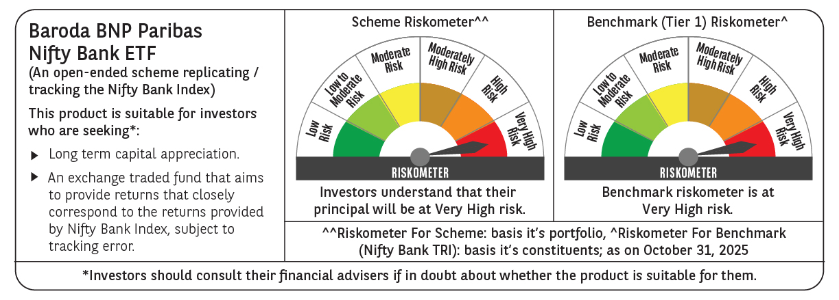

 | Monthly Performance Link: https://www.barodabnpparibasmf.in/assets/download_documents/Performance_of_Schemes-October_2025_15267.pdf

