T0ME36
 | Baroda BNP Paribas NIFTY BANK ETF

 | Monthly Portfolio Statement as on November 30, 2025
 | Name of the Instrument | ISIN | Industry | Quantity | Market/Fair Value (Rs. in Lakhs) | % to Net Assets | YTM~ | YTC^ | null
 | Equity & Equity related
 | (a) Listed / awaiting listing on Stock Exchanges
HDFB03 | HDFC Bank Limited | INE040A01034 | Banks | 10,437 | 105.16 | 27.49%
IBCL05 | ICICI Bank Limited | INE090A01021 | Banks | 6,268 | 87.05 | 22.76%
SBAI02 | State Bank of India | INE062A01020 | Banks | 3,734 | 36.56 | 9.56%
UTIB02 | Axis Bank Limited | INE238A01034 | Banks | 2,736 | 35.01 | 9.15%
KOMA02 | Kotak Mahindra Bank Limited | INE237A01028 | Banks | 1,574 | 33.44 | 8.74%
FEBA02 | The Federal Bank Limited | INE171A01029 | Banks | 5,647 | 14.56 | 3.81%
IIBL01 | IndusInd Bank Limited | INE095A01012 | Banks | 1,488 | 12.78 | 3.34%
AFPL02 | AU Small Finance Bank Limited | INE949L01017 | Banks | 1,291 | 12.33 | 3.22%
BKBA02 | Bank of Baroda | INE028A01039 | Banks | 4,220 | 12.23 | 3.20%
CANB02 | Canara Bank | INE476A01022 | Banks | 7,622 | 11.55 | 3.02%
IDBK01 | IDFC First Bank Limited | INE092T01019 | Banks | 14,258 | 11.42 | 2.99%
PUBA02 | Punjab National Bank | INE160A01022 | Banks | 7,877 | 9.81 | 2.56%
 | Sub Total |  |  |  | 381.90 | 99.84%
 | (b) Unlisted |  |  |  | NIL | NIL
 | Sub Total |  |  |  | NIL | NIL
 | Total |  |  |  | 381.90 | 99.84%
 | Reverse Repo / TREPS
TRP_011225 | Clearing Corporation of India Ltd |  |  |  | 0.30 | 0.08% | 5.43%
 | Sub Total |  |  |  | 0.30 | 0.08%
 | Total |  |  |  | 0.30 | 0.08%
 | Net Receivables / (Payables) |  |  |  | 0.31 | 0.08%
 | GRAND TOTAL |  |  |  | 382.51 | 100.00%

 | ~ YTM as on November 30, 2025
 | ^ YTC represents Yield to Call provided by valuation agencies as on November 30, 2025. It is disclosed for Perpetual Bond issued by Banks (i.e. AT-1 Bond / Tier 1 Bond / Tier 2 Bond), as per AMFI Best Practices Guidelines Circular no. 135/BP/91/2020-21 read with SEBI circular No. SEBI/HO/IMD/DF4/CIR/P/2021/034 on Valuation of AT-1 Bonds and Tier 2 Bonds.

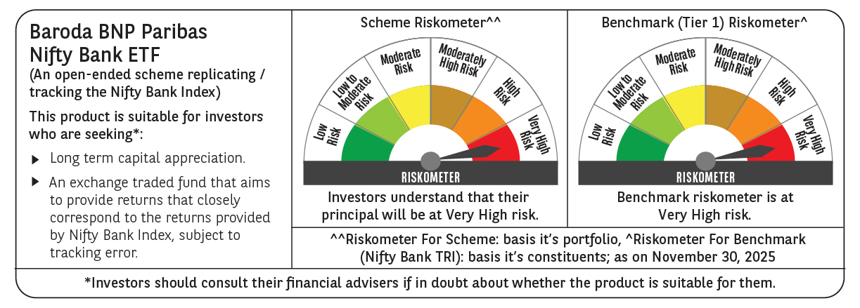

 | Monthly Performance Link: https://www.barodabnpparibasmf.in/assets/download_documents/Performance_of_Schemes_Nov-2025_15612.pdf

