T0ME36
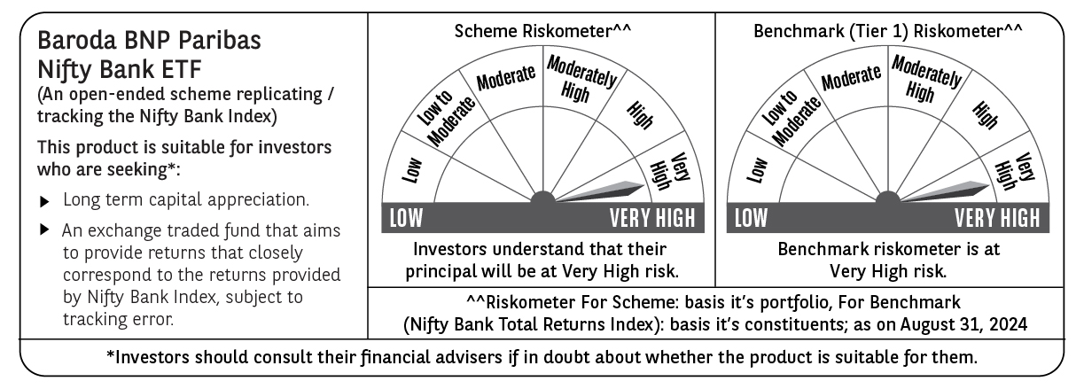
 | Baroda BNP Paribas NIFTY BANK ETF

 | Monthly Portfolio Statement as on August 31, 2024
 | Name of the Instrument | ISIN | Industry | Quantity | Market/Fair Value (Rs. in Lakhs) | % to Net Assets | YTM~ | YTC^ | null
 | Equity & Equity related
 | (a) Listed / awaiting listing on Stock Exchanges
HDFB03 | HDFC Bank Limited | INE040A01034 | Banks | 17,790 | 291.20 | 27.85%
IBCL05 | ICICI Bank Limited | INE090A01021 | Banks | 20,531 | 252.37 | 24.14%
KOMA02 | Kotak Mahindra Bank Limited | INE237A01028 | Banks | 5,904 | 105.14 | 10.06%
SBAI02 | State Bank of India | INE062A01020 | Banks | 12,608 | 102.83 | 9.83%
UTIB02 | Axis Bank Limited | INE238A01034 | Banks | 8,353 | 98.17 | 9.39%
IIBL01 | IndusInd Bank Limited | INE095A01012 | Banks | 3,997 | 56.97 | 5.45%
BKBA02 | Bank of Baroda | INE028A01039 | Banks | 11,373 | 28.44 | 2.72%
FEBA02 | The Federal Bank Limited | INE171A01029 | Banks | 14,395 | 28.03 | 2.68%
AFPL02 | AU Small Finance Bank Limited | INE949L01017 | Banks | 3,399 | 23.41 | 2.24%
PUBA02 | Punjab National Bank | INE160A01022 | Banks | 18,196 | 21.21 | 2.03%
IDBK01 | IDFC First Bank Limited | INE092T01019 | Banks | 27,069 | 19.99 | 1.91%
BAND01 | Bandhan Bank Limited | INE545U01014 | Banks | 4,982 | 9.98 | 0.95%
 | Sub Total |  |  |  | 1,037.74 | 99.25%
 | (b) Unlisted |  |  |  | NIL | NIL
 | Sub Total |  |  |  | NIL | NIL
 | Total |  |  |  | 1,037.74 | 99.25%
 | Reverse Repo / TREPS
TRP_020924 | Clearing Corporation of India Ltd |  |  |  | 4.82 | 0.46% | 6.52%
 | Sub Total |  |  |  | 4.82 | 0.46%
 | Total |  |  |  | 4.82 | 0.46%
 | Net Receivables / (Payables) |  |  |  | 3.06 | 0.29%
 | GRAND TOTAL |  |  |  | 1,045.62 | 100.00%

 | ~ YTM as on August 31, 2024
 | ^ YTC represents Yield to Call provided by valuation agencies as on August 31, 2024. It is disclosed for Perpetual Bond issued by Banks (i.e. AT-1 Bond / Tier 1 Bond / Tier 2 Bond), as per AMFI Best Practices Guidelines Circular no. 135/BP/91/2020-21 read with SEBI circular No. SEBI/HO/IMD/DF4/CIR/P/2021/034 on Valuation of AT-1 Bonds and Tier 2 Bonds.

