Monthly Portfolio
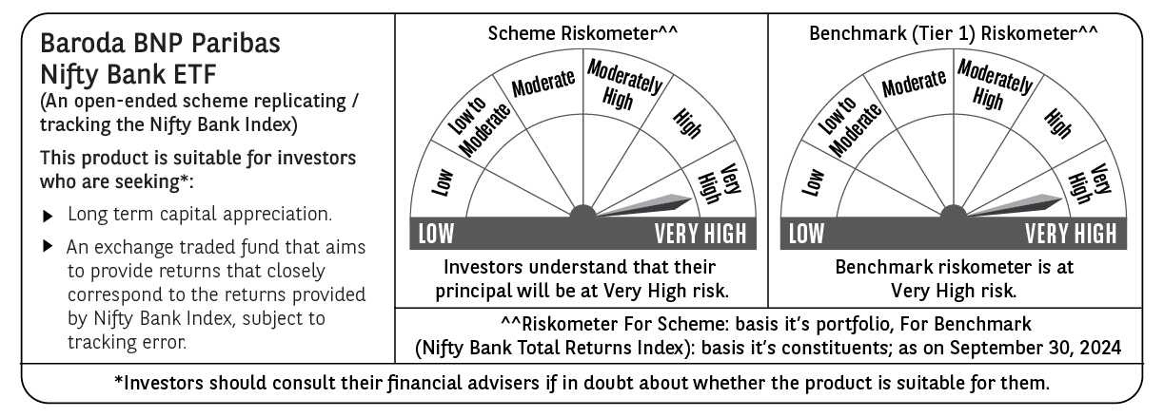
 | Baroda BNP Paribas NIFTY BANK ETF

 | Monthly Portfolio Statement as on September 30, 2024
 | Name of the Instrument | ISIN | Industry | Quantity | Market/Fair Value (Rs. in Lakhs) | % to Net Assets | YTM~ | YTC^ | null
 | Equity & Equity related
 | (a) Listed / awaiting listing on Stock Exchanges
HDFB03 | HDFC Bank Limited | INE040A01034 | Banks | 15,246 | 264.07 | 27.91%
IBCL05 | ICICI Bank Limited | INE090A01021 | Banks | 17,804 | 226.64 | 23.96%
SBAI02 | State Bank of India | INE062A01020 | Banks | 11,441 | 90.14 | 9.53%
UTIB02 | Axis Bank Limited | INE238A01034 | Banks | 7,215 | 88.90 | 9.40%
KOMA02 | Kotak Mahindra Bank Limited | INE237A01028 | Banks | 4,743 | 87.93 | 9.30%
IIBL01 | IndusInd Bank Limited | INE095A01012 | Banks | 3,680 | 53.27 | 5.63%
FEBA02 | The Federal Bank Limited | INE171A01029 | Banks | 13,281 | 26.13 | 2.76%
BKBA02 | Bank of Baroda | INE028A01039 | Banks | 10,328 | 25.59 | 2.71%
AFPL02 | AU Small Finance Bank Limited | INE949L01017 | Banks | 3,055 | 22.61 | 2.39%
CANB02 | Canara Bank | INE476A01022 | Banks | 18,833 | 20.97 | 2.22%
IDBK01 | IDFC First Bank Limited | INE092T01019 | Banks | 24,781 | 18.42 | 1.95%
PUBA02 | Punjab National Bank | INE160A01022 | Banks | 16,619 | 17.82 | 1.88%
 | Sub Total |  |  |  | 942.49 | 99.64%
 | (b) Unlisted |  |  |  | NIL | NIL
 | Sub Total |  |  |  | NIL | NIL
 | Total |  |  |  | 942.49 | 99.64%
 | Reverse Repo / TREPS
TRP_011024 | Clearing Corporation of India Ltd |  |  |  | 2.92 | 0.31% | 6.65%
 | Sub Total |  |  |  | 2.92 | 0.31%
 | Total |  |  |  | 2.92 | 0.31%
 | Net Receivables / (Payables) |  |  |  | 0.57 | 0.05%
 | GRAND TOTAL |  |  |  | 945.98 | 100.00%

 | ~ YTM as on September 30, 2024
 | ^ YTC represents Yield to Call provided by valuation agencies as on September 30, 2024. It is disclosed for Perpetual Bond issued by Banks (i.e. AT-1 Bond / Tier 1 Bond / Tier 2 Bond), as per AMFI Best Practices Guidelines Circular no. 135/BP/91/2020-21 read with SEBI circular No. SEBI/HO/IMD/DF4/CIR/P/2021/034 on Valuation of AT-1 Bonds and Tier 2 Bonds.

