T0ME36
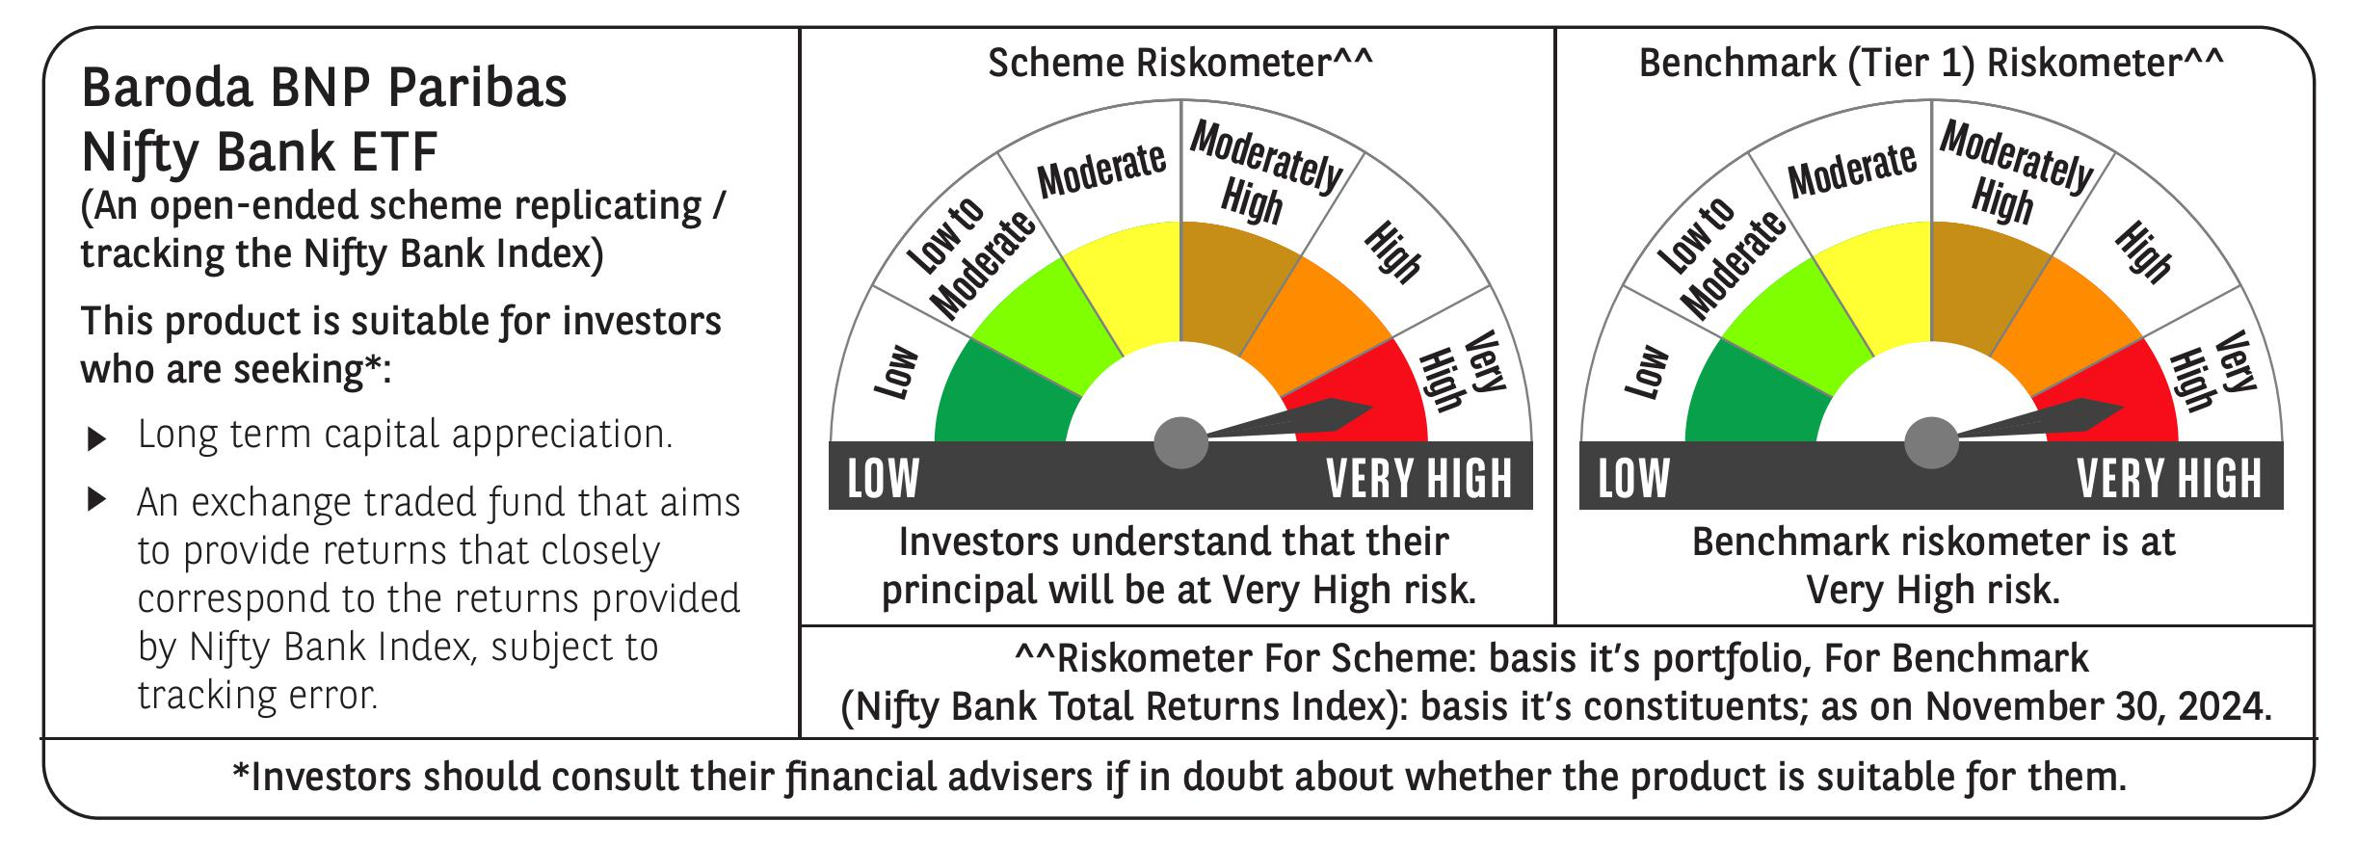
 | Baroda BNP Paribas NIFTY BANK ETF

 | Monthly Portfolio Statement as on November 30, 2024
 | Name of the Instrument | ISIN | Industry | Quantity | Market/Fair Value (Rs. in Lakhs) | % to Net Assets | YTM~ | YTC^ | null
 | Equity & Equity related
 | (a) Listed / awaiting listing on Stock Exchanges
HDFB03 | HDFC Bank Limited | INE040A01034 | Banks | 14,814 | 266.07 | 29.45%
IBCL05 | ICICI Bank Limited | INE090A01021 | Banks | 16,879 | 219.44 | 24.29%
SBAI02 | State Bank of India | INE062A01020 | Banks | 11,031 | 92.54 | 10.24%
KOMA02 | Kotak Mahindra Bank Limited | INE237A01028 | Banks | 4,610 | 81.38 | 9.01%
UTIB02 | Axis Bank Limited | INE238A01034 | Banks | 6,871 | 78.08 | 8.64%
IIBL01 | IndusInd Bank Limited | INE095A01012 | Banks | 3,573 | 35.58 | 3.94%
FEBA02 | The Federal Bank Limited | INE171A01029 | Banks | 13,307 | 28.05 | 3.10%
BKBA02 | Bank of Baroda | INE028A01039 | Banks | 10,178 | 25.08 | 2.78%
IDBK01 | IDFC First Bank Limited | INE092T01019 | Banks | 35,707 | 22.88 | 2.53%
CANB02 | Canara Bank | INE476A01022 | Banks | 18,422 | 18.79 | 2.08%
AFPL02 | AU Small Finance Bank Limited | INE949L01017 | Banks | 3,051 | 17.80 | 1.97%
PUBA02 | Punjab National Bank | INE160A01022 | Banks | 16,225 | 17.02 | 1.88%
 | Sub Total |  |  |  | 902.71 | 99.91%
 | (b) Unlisted |  |  |  | NIL | NIL
 | Sub Total |  |  |  | NIL | NIL
 | Total |  |  |  | 902.71 | 99.91%
 | Reverse Repo / TREPS
TRP_021224 | Clearing Corporation of India Ltd |  |  |  | 0.23 | 0.03% | 6.69%
 | Sub Total |  |  |  | 0.23 | 0.03%
 | Total |  |  |  | 0.23 | 0.03%
 | Net Receivables / (Payables) |  |  |  | 0.53 | 0.06%
 | GRAND TOTAL |  |  |  | 903.47 | 100.00%

 | ~ YTM as on November 30, 2024
 | ^ YTC represents Yield to Call provided by valuation agencies as on November 30, 2024. It is disclosed for Perpetual Bond issued by Banks (i.e. AT-1 Bond / Tier 1 Bond / Tier 2 Bond), as per AMFI Best Practices Guidelines Circular no. 135/BP/91/2020-21 re

