T0ME37
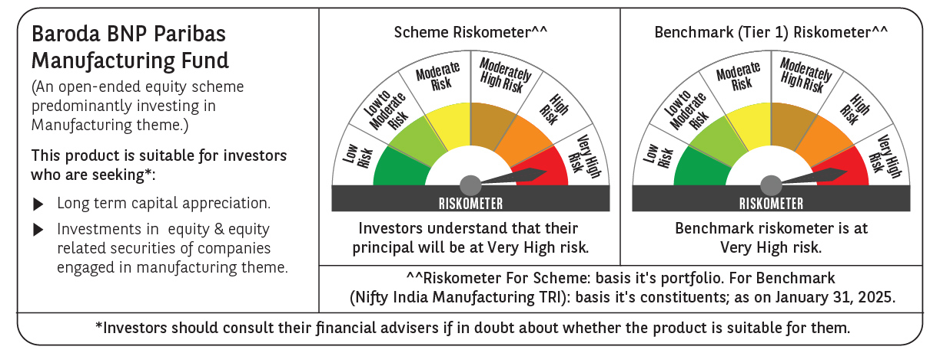
 | Baroda BNP Paribas Manufacturing Fund

 | Monthly Portfolio Statement as on January 31, 2025
 | Name of the Instrument | ISIN | Industry / Rating | Quantity | Market/Fair Value (Rs. in Lakhs) | % to Net Assets | YTM~ | YTC^ | null
 | Equity & Equity related
 | (a) Listed / awaiting listing on Stock Exchanges
DIVI02 | Divi's Laboratories Limited | INE361B01024 | Pharmaceuticals & Biotechnology | 175,500 | 9,788.86 | 7.62%
RIND01 | Reliance Industries Limited | INE002A01018 | Petroleum Products | 720,000 | 9,108.72 | 7.09%
SPIL03 | Sun Pharmaceutical Industries Limited | INE044A01036 | Pharmaceuticals & Biotechnology | 396,000 | 6,906.04 | 5.38%
MOTI02 | Bosch Limited | INE323A01026 | Auto Components | 18,000 | 5,171.25 | 4.03%
MAHI02 | Mahindra & Mahindra Limited | INE101A01026 | Automobiles | 171,000 | 5,112.64 | 3.98%
SESA02 | Vedanta Limited | INE205A01025 | Diversified Metals | 1,026,000 | 4,528.76 | 3.53%
HERO02 | Hero MotoCorp Limited | INE158A01026 | Automobiles | 81,000 | 3,514.71 | 2.74%
MAUD01 | Maruti Suzuki India Limited | INE585B01010 | Automobiles | 27,000 | 3,323.88 | 2.59%
DRRL03 | Dr. Reddy's Laboratories Limited | INE089A01031 | Pharmaceuticals & Biotechnology | 270,000 | 3,286.85 | 2.56%
TELC03 | Tata Motors Limited | INE155A01022 | Automobiles | 432,000 | 3,093.55 | 2.41%
ESCO01 | Escorts Kubota Limited | INE042A01014 | Agricultural, Commercial & Construction Vehicles | 81,000 | 2,934.99 | 2.29%
ABBP01 | Hitachi Energy India Limited | INE07Y701011 | Electrical Equipment | 21,150 | 2,720.64 | 2.12%
BHEL02 | Bharat Electronics Limited | INE263A01024 | Aerospace & Defense | 900,000 | 2,633.85 | 2.05%
CIPL03 | Cipla Limited | INE059A01026 | Pharmaceuticals & Biotechnology | 172,000 | 2,544.57 | 1.98%
ASPH02 | AstraZeneca Pharma India Limited | INE203A01020 | Pharmaceuticals & Biotechnology | 34,200 | 2,474.40 | 1.93%
NACL03 | National Aluminium Company Limited | INE139A01034 | Non - Ferrous Metals | 1,170,000 | 2,366.21 | 1.84%
BPCL01 | Bharat Petroleum Corporation Limited | INE029A01011 | Petroleum Products | 900,000 | 2,349.90 | 1.83%
BOCL01 | Linde India Limited | INE473A01011 | Chemicals & Petrochemicals | 34,200 | 2,143.60 | 1.67%
JYCN01 | Jyoti CNC Automation Ltd | INE980O01024 | Industrial Manufacturing | 198,000 | 2,130.08 | 1.66%
DHAN02 | Dhanuka Agritech Limited | INE435G01025 | Fertilizers & Agrochemicals | 144,000 | 2,078.78 | 1.62%
ULCC01 | UltraTech Cement Limited | INE481G01011 | Cement & Cement Products | 18,000 | 2,067.74 | 1.61%
BHAH02 | Bharat Heavy Electricals Limited | INE257A01026 | Electrical Equipment | 990,000 | 2,060.09 | 1.60%
IPCA03 | IPCA Laboratories Limited | INE571A01038 | Pharmaceuticals & Biotechnology | 135,000 | 1,948.46 | 1.52%
TEGA01 | Tega Industries Limited | INE011K01018 | Industrial Manufacturing | 124,700 | 1,886.96 | 1.47%
SUMI01 | Sumitomo Chemical India Limited | INE258G01013 | Fertilizers & Agrochemicals | 360,000 | 1,842.12 | 1.43%
MCSP02 | United Spirits Limited | INE854D01024 | Beverages | 126,000 | 1,794.24 | 1.40%
ALLI02 | GE Vernova T&D India Limited | INE200A01026 | Electrical Equipment | 99,000 | 1,769.63 | 1.38%
BIRM01 | 3M India Limited | INE470A01017 | Diversified | 5,850 | 1,748.70 | 1.36%
GUOL01 | Gulf Oil Lubricants India Limited | INE635Q01029 | Petroleum Products | 171,000 | 1,746.25 | 1.36%
BASF01 | BASF India Limited | INE373A01013 | Chemicals & Petrochemicals | 36,000 | 1,661.24 | 1.29%
HYUN01 | Hyundai Motor India Ltd | INE0V6F01027 | Automobiles | 99,000 | 1,660.77 | 1.29%
MAGL01 | Mahanagar Gas Limited | INE002S01010 | Gas | 117,000 | 1,614.42 | 1.26%
KCUL02 | Cummins India Limited | INE298A01020 | Industrial Products | 49,500 | 1,442.45 | 1.12%
SKFB02 | SKF India Limited | INE640A01023 | Industrial Products | 35,550 | 1,437.59 | 1.12%
BHDY02 | Bharat Dynamics Limited | INE171Z01026 | Aerospace & Defense | 108,000 | 1,409.40 | 1.10%
WABT01 | ZF Commercial Vehicle Control Systems India Limited | INE342J01019 | Auto Components | 12,450 | 1,373.73 | 1.07%
GRIN02 | Grindwell Norton Limited | INE536A01023 | Industrial Products | 70,860 | 1,365.79 | 1.06%
SOKO03 | Jtekt India Limited | INE643A01035 | Auto Components | 882,000 | 1,350.87 | 1.05%
TAHO01 | Honeywell Automation India Limited | INE671A01010 | Industrial Manufacturing | 3,330 | 1,347.73 | 1.05%
INGE01 | Ingersoll Rand (India) Limited | INE177A01018 | Industrial Products | 35,550 | 1,330.33 | 1.04%
AMRA03 | Amara Raja Energy & Mobility Ltd | INE885A01032 | Auto Components | 126,000 | 1,303.66 | 1.02%
VORL03 | Vinati Organics Limited | INE410B01037 | Chemicals & Petrochemicals | 76,500 | 1,280.34 | 1.00%
KSPL02 | KSB Limited | INE999A01023 | Industrial Products | 180,000 | 1,264.59 | 0.98%
GSPL01 | Gujarat State Petronet Limited | INE246F01010 | Gas | 360,000 | 1,244.52 | 0.97%
KEWI01 | Kennametal India Limited | INE717A01029 | Industrial Manufacturing | 49,581 | 1,205.64 | 0.94%
NAYV01 | NLC India Limited | INE589A01014 | Power | 504,000 | 1,118.48 | 0.87%
SAEL02 | TVS Motor Company Limited | INE494B01023 | Automobiles | 45,000 | 1,106.06 | 0.86%
NAPH02 | Natco Pharma Limited | INE987B01026 | Pharmaceuticals & Biotechnology | 81,000 | 950.82 | 0.74%
SCDL01 | Sundaram Clayton Limited | INE0Q3R01026 | Auto Components | 37,136 | 804.92 | 0.63%
COCH02 | Cochin Shipyard Limited | INE704P01025 | Industrial Manufacturing | 45,000 | 689.54 | 0.54%
ACSO01 | Acme Solar Holdings Ltd | INE622W01025 | Finance | 81,000 | 174.27 | 0.14%
 | Sub Total |  |  |  | 122,213.63 | 95.19%
 | (b) Unlisted |  |  |  | NIL | NIL
 | Sub Total |  |  |  | NIL | NIL
 | Total |  |  |  | 122,213.63 | 95.19%
 | Money Market Instruments
 | Treasury Bill
TBIL2323 | 364 Days Tbill (MD 13/02/2025) | IN002023Z489 | Sovereign | 2,500,000 | 2,494.73 | 1.94% | 6.42%
 | Sub Total |  |  |  | 2,494.73 | 1.94%
 | Total |  |  |  | 2,494.73 | 1.94%
 | Reverse Repo / TREPS
TRP_030225 | Clearing Corporation of India Ltd |  |  |  | 3,864.80 | 3.01% | 6.54%
 | Sub Total |  |  |  | 3,864.80 | 3.01%
 | Total |  |  |  | 3,864.80 | 3.01%
 | Net Receivables / (Payables) |  |  |  | (187.26) | (0.14)%
 | GRAND TOTAL |  |  |  | 128,385.90 | 100.00%

 | ~ YTM as on January 31, 2025
 | ^ YTC represents Yield to Call provided by valuation agencies as on January 31, 2025. It is disclosed for Perpetual Bond issued by Banks (i.e. AT-1 Bond / Tier 1 Bond / Tier 2 Bond), as per AMFI Best Practices Guidelines Circular no. 135/BP/91/2020-21 read with SEBI circular No. SEBI/HO/IMD/DF4/CIR/P/2021/034 on Valuation of AT-1 Bonds and Tier 2 Bonds.

