Monthly Portfolio
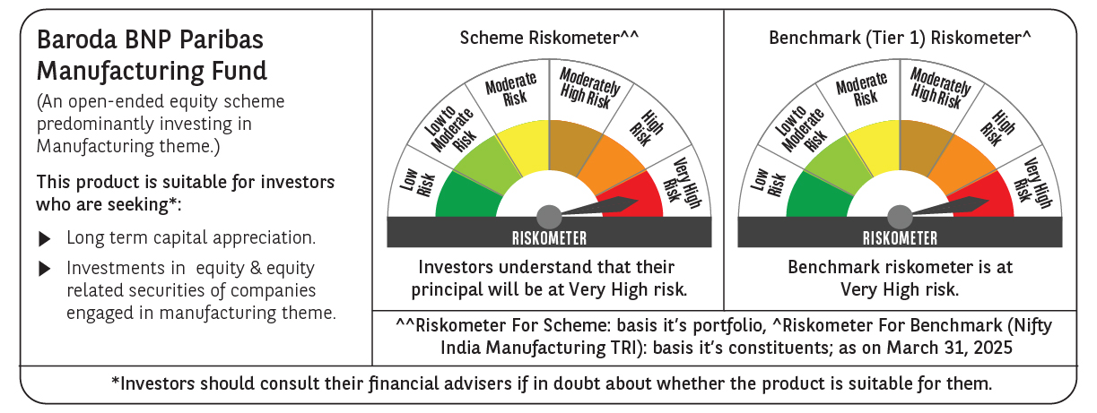
 | Baroda BNP Paribas Manufacturing Fund

 | Monthly Portfolio Statement as on March 31, 2025
 | Name of the Instrument | ISIN | Industry / Rating | Quantity | Market/Fair Value (Rs. in Lakhs) | % to Net Assets | YTM~ | YTC^ | null
 | Equity & Equity related
 | (a) Listed / awaiting listing on Stock Exchanges
DIVI02 | Divi's Laboratories Limited | INE361B01024 | Pharmaceuticals & Biotechnology | 166,500 | 9,616.12 | 7.82%
RIND01 | Reliance Industries Limited | INE002A01018 | Petroleum Products | 702,000 | 8,951.20 | 7.28%
SPIL03 | Sun Pharmaceutical Industries Limited | INE044A01036 | Pharmaceuticals & Biotechnology | 396,000 | 6,869.41 | 5.59%
MOTI02 | Bosch Limited | INE323A01026 | Auto Components | 17,125 | 4,856.38 | 3.95%
SESA02 | Vedanta Limited | INE205A01025 | Diversified Metals | 1,026,000 | 4,754.48 | 3.87%
MAHI02 | Mahindra & Mahindra Limited | INE101A01026 | Automobiles | 162,000 | 4,318.60 | 3.51%
ABBP01 | Hitachi Energy India Limited | INE07Y701011 | Electrical Equipment | 27,900 | 3,530.37 | 2.87%
MAUD01 | Maruti Suzuki India Limited | INE585B01010 | Automobiles | 27,000 | 3,110.98 | 2.53%
DRRL03 | Dr. Reddy's Laboratories Limited | INE089A01031 | Pharmaceuticals & Biotechnology | 270,000 | 3,089.34 | 2.51%
ASPH02 | AstraZeneca Pharma India Limited | INE203A01020 | Pharmaceuticals & Biotechnology | 34,200 | 2,943.82 | 2.40%
ESCO01 | Escorts Kubota Limited | INE042A01014 | Agricultural, Commercial & Construction Vehicles | 81,000 | 2,632.54 | 2.14%
TELC03 | Tata Motors Limited | INE155A01022 | Automobiles | 387,000 | 2,610.12 | 2.12%
BHEL02 | Bharat Electronics Limited | INE263A01024 | Aerospace & Defense | 855,000 | 2,576.29 | 2.10%
SUMI01 | Sumitomo Chemical India Limited | INE258G01013 | Fertilizers & Agrochemicals | 450,000 | 2,517.08 | 2.05%
HERO02 | Hero MotoCorp Limited | INE158A01026 | Automobiles | 67,500 | 2,512.99 | 2.04%
BPCL01 | Bharat Petroleum Corporation Limited | INE029A01011 | Petroleum Products | 900,000 | 2,506.23 | 2.04%
CIPL03 | Cipla Limited | INE059A01026 | Pharmaceuticals & Biotechnology | 172,000 | 2,480.58 | 2.02%
BOCL01 | Linde India Limited | INE473A01011 | Chemicals & Petrochemicals | 36,000 | 2,252.66 | 1.83%
BHAH02 | Bharat Heavy Electricals Limited | INE257A01026 | Electrical Equipment | 990,000 | 2,142.66 | 1.74%
ULCC01 | UltraTech Cement Limited | INE481G01011 | Cement & Cement Products | 18,000 | 2,071.72 | 1.69%
NACL03 | National Aluminium Company Limited | INE139A01034 | Non - Ferrous Metals | 1,170,000 | 2,053.70 | 1.67%
IPCA03 | IPCA Laboratories Limited | INE571A01038 | Pharmaceuticals & Biotechnology | 135,000 | 2,027.57 | 1.65%
WABT01 | ZF Commercial Vehicle Control Systems India Limited | INE342J01019 | Auto Components | 15,300 | 1,988.01 | 1.62%
TEGA01 | Tega Industries Limited | INE011K01018 | Industrial Manufacturing | 124,700 | 1,840.20 | 1.50%
MCSP02 | United Spirits Limited | INE854D01024 | Beverages | 126,000 | 1,765.64 | 1.44%
HYUN01 | Hyundai Motor India Ltd | INE0V6F01027 | Automobiles | 99,000 | 1,690.57 | 1.38%
BIRM01 | 3M India Limited | INE470A01017 | Diversified | 5,850 | 1,690.02 | 1.38%
MAGL01 | Mahanagar Gas Limited | INE002S01010 | Gas | 117,000 | 1,622.73 | 1.32%
BASF01 | BASF India Limited | INE373A01013 | Chemicals & Petrochemicals | 36,000 | 1,592.53 | 1.30%
KCUL02 | Cummins India Limited | INE298A01020 | Industrial Products | 49,500 | 1,510.67 | 1.23%
SKFB02 | SKF India Limited | INE640A01023 | Industrial Products | 35,550 | 1,368.87 | 1.11%
KSPL02 | KSB Limited | INE999A01023 | Industrial Products | 186,495 | 1,331.20 | 1.08%
INGE01 | Ingersoll Rand (India) Limited | INE177A01018 | Industrial Products | 35,550 | 1,271.61 | 1.03%
AMRA03 | Amara Raja Energy & Mobility Ltd | INE885A01032 | Auto Components | 126,000 | 1,264.16 | 1.03%
GUOL01 | Gulf Oil Lubricants India Limited | INE635Q01029 | Petroleum Products | 108,000 | 1,237.84 | 1.01%
TAHO01 | Honeywell Automation India Limited | INE671A01010 | Industrial Manufacturing | 3,600 | 1,212.64 | 0.99%
VORL03 | Vinati Organics Limited | INE410B01037 | Chemicals & Petrochemicals | 76,500 | 1,209.43 | 0.98%
GRIN02 | Grindwell Norton Limited | INE536A01023 | Industrial Products | 70,860 | 1,202.28 | 0.98%
SOKO03 | Jtekt India Limited | INE643A01035 | Auto Components | 927,000 | 1,156.15 | 0.94%
KEWI01 | Kennametal India Limited | INE717A01029 | Industrial Manufacturing | 50,400 | 1,107.36 | 0.90%
NAYV01 | NLC India Limited | INE589A01014 | Power | 450,000 | 1,101.02 | 0.90%
SAEL02 | TVS Motor Company Limited | INE494B01023 | Automobiles | 45,000 | 1,088.93 | 0.89%
ALLI02 | GE Vernova T&D India Limited | INE200A01026 | Electrical Equipment | 64,800 | 1,010.07 | 0.82%
SCDL01 | Sundaram Clayton Limited | INE0Q3R01026 | Auto Components | 39,554 | 873.02 | 0.71%
NAPH02 | Natco Pharma Limited | INE987B01026 | Pharmaceuticals & Biotechnology | 108,000 | 862.65 | 0.70%
BHDY02 | Bharat Dynamics Limited | INE171Z01026 | Aerospace & Defense | 62,066 | 795.31 | 0.65%
GSPL01 | Gujarat State Petronet Limited | INE246F01010 | Gas | 243,000 | 707.86 | 0.58%
JYCN01 | Jyoti CNC Automation Ltd | INE980O01024 | Industrial Manufacturing | 54,000 | 571.62 | 0.47%
PFIZ01 | Pfizer Limited | INE182A01018 | Pharmaceuticals & Biotechnology | 9,900 | 396.45 | 0.32%
DHAN02 | Dhanuka Agritech Limited | INE435G01025 | Fertilizers & Agrochemicals | 11,698 | 151.35 | 0.12%
 | Sub Total |  |  |  | 114,045.03 | 92.80%
 | (b) Unlisted |  |  |  | NIL | NIL
 | Sub Total |  |  |  | NIL | NIL
 | Total |  |  |  | 114,045.03 | 92.80%
 | Derivatives
 | Index / Stock Futures
DIVIAPR25 | Divi's Laboratories Limited April 2025 Future |  |  | -18,000 | (1,045.47) | (0.85)%
 | Sub Total |  |  |  | (1,045.47) | (0.85)%
 | Total |  |  |  | (1,045.47) | (0.85)%
 | Money Market Instruments
 | Treasury Bill
TBIL2394 | 364 Days Tbill (MD 07/08/2025) | IN002024Z198 | Sovereign | 1,500,000 | 1,467.17 | 1.19% | 6.38%
TBIL2450 | 364 Days Tbill (MD 18/12/2025) | IN002024Z362 | Sovereign | 1,000,000 | 956.11 | 0.78% | 6.42%
 | Sub Total |  |  |  | 2,423.28 | 1.97%
 | Total |  |  |  | 2,423.28 | 1.97%
 | Reverse Repo / TREPS
TRP_020425 | Clearing Corporation of India Ltd |  |  |  | 6,818.50 | 5.55% | 6.68%
 | Sub Total |  |  |  | 6,818.50 | 5.55%
 | Total |  |  |  | 6,818.50 | 5.55%
 | Net Receivables / (Payables) |  |  |  | 657.53 | 0.53%
 | GRAND TOTAL |  |  |  | 122,898.87 | 100.00%

 | ~ YTM as on March 31, 2025
 | ^ YTC represents Yield to Call provided by valuation agencies as on March 31, 2025. It is disclosed for Perpetual Bond issued by Banks (i.e. AT-1 Bond / Tier 1 Bond / Tier 2 Bond), as per AMFI Best Practices Guidelines Circular no. 135/BP/91/2020-21 read with SEBI circular No. SEBI/HO/IMD/DF4/CIR/P/2021/034 on Valuation of AT-1 Bonds and Tier 2 Bonds.
 | Details of Stock Future / Index Future
 | Long/Short | Name of the Instrument | Industry | Quantity. | Market/Fair Value (Rs. in Lacs). | % to NAV.
 | Short | Divi's Laboratories Limited_24/04/2025 | Pharmaceuticals & Biotechnology | 18,000 | 1,045.47 | 0.85%

