T0ME37
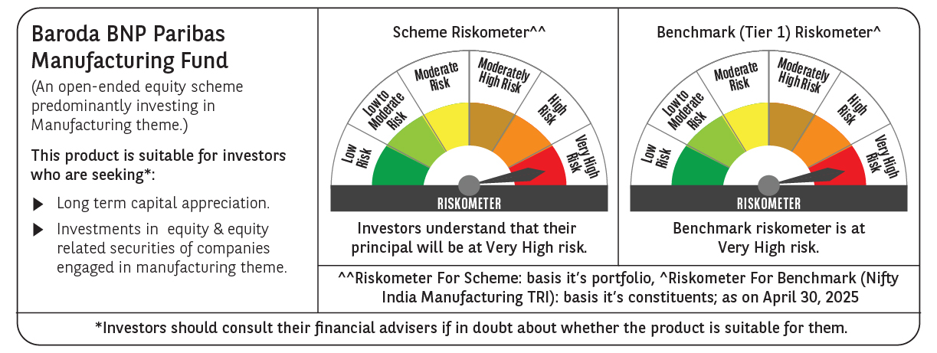
 | Baroda BNP Paribas Manufacturing Fund

 | Monthly Portfolio Statement as on April 30, 2025
 | Name of the Instrument | ISIN | Industry / Rating | Quantity | Market/Fair Value (Rs. in Lakhs) | % to Net Assets | YTM~ | YTC^ | null
 | Equity & Equity related
 | (a) Listed / awaiting listing on Stock Exchanges
RIND01 | Reliance Industries Limited | INE002A01018 | Petroleum Products | 702,000 | 9,863.10 | 7.85%
DIVI02 | Divi's Laboratories Limited | INE361B01024 | Pharmaceuticals & Biotechnology | 162,000 | 9,860.94 | 7.85%
SPIL03 | Sun Pharmaceutical Industries Limited | INE044A01036 | Pharmaceuticals & Biotechnology | 378,000 | 6,926.09 | 5.52%
MOTI02 | Bosch Limited | INE323A01026 | Auto Components | 17,125 | 5,044.17 | 4.02%
MAHI02 | Mahindra & Mahindra Limited | INE101A01026 | Automobiles | 162,000 | 4,744.66 | 3.78%
ABBP01 | Hitachi Energy India Limited | INE07Y701011 | Electrical Equipment | 27,900 | 4,053.59 | 3.23%
SESA02 | Vedanta Limited | INE205A01025 | Diversified Metals | 900,000 | 3,772.80 | 3.00%
MAUD01 | Maruti Suzuki India Limited | INE585B01010 | Automobiles | 27,000 | 3,309.39 | 2.64%
CIPL03 | Cipla Limited | INE059A01026 | Pharmaceuticals & Biotechnology | 198,000 | 3,069.20 | 2.44%
DRRL03 | Dr. Reddy's Laboratories Limited | INE089A01031 | Pharmaceuticals & Biotechnology | 252,000 | 2,983.43 | 2.38%
ASPH02 | AstraZeneca Pharma India Limited | INE203A01020 | Pharmaceuticals & Biotechnology | 34,200 | 2,968.90 | 2.36%
BPCL01 | Bharat Petroleum Corporation Limited | INE029A01011 | Petroleum Products | 900,000 | 2,790.45 | 2.22%
ESCO01 | Escorts Kubota Limited | INE042A01014 | Agricultural, Commercial & Construction Vehicles | 81,000 | 2,639.79 | 2.10%
HERO02 | Hero MotoCorp Limited | INE158A01026 | Automobiles | 67,500 | 2,583.50 | 2.06%
BHEL02 | Bharat Electronics Limited | INE263A01024 | Aerospace & Defense | 810,000 | 2,544.21 | 2.03%
TELC03 | Tata Motors Limited | INE155A01022 | Automobiles | 387,000 | 2,493.25 | 1.99%
SUMI01 | Sumitomo Chemical India Limited | INE258G01013 | Fertilizers & Agrochemicals | 450,000 | 2,288.70 | 1.82%
BOCL01 | Linde India Limited | INE473A01011 | Chemicals & Petrochemicals | 36,000 | 2,280.96 | 1.82%
BHAH02 | Bharat Heavy Electricals Limited | INE257A01026 | Electrical Equipment | 990,000 | 2,245.72 | 1.79%
ULCC01 | UltraTech Cement Limited | INE481G01011 | Cement & Cement Products | 18,000 | 2,095.38 | 1.67%
MCSP02 | United Spirits Limited | INE854D01024 | Beverages | 126,000 | 1,970.51 | 1.57%
WABT01 | ZF Commercial Vehicle Control Systems India Limited | INE342J01019 | Auto Components | 15,300 | 1,916.63 | 1.53%
IPCA03 | IPCA Laboratories Limited | INE571A01038 | Pharmaceuticals & Biotechnology | 135,000 | 1,891.62 | 1.51%
NACL03 | National Aluminium Company Limited | INE139A01034 | Non - Ferrous Metals | 1,170,000 | 1,830.70 | 1.46%
BIRM01 | 3M India Limited | INE470A01017 | Diversified | 5,850 | 1,761.44 | 1.40%
HYUN01 | Hyundai Motor India Ltd | INE0V6F01027 | Automobiles | 99,000 | 1,690.52 | 1.35%
TEGA01 | Tega Industries Limited | INE011K01018 | Industrial Manufacturing | 124,700 | 1,685.45 | 1.34%
BASF01 | BASF India Limited | INE373A01013 | Chemicals & Petrochemicals | 36,000 | 1,580.83 | 1.26%
MAGL01 | Mahanagar Gas Limited | INE002S01010 | Gas | 117,000 | 1,574.94 | 1.25%
KCUL02 | Cummins India Limited | INE298A01020 | Industrial Products | 49,500 | 1,433.22 | 1.14%
SKFB02 | SKF India Limited | INE640A01023 | Industrial Products | 35,550 | 1,381.37 | 1.10%
KSPL02 | KSB Limited | INE999A01023 | Industrial Products | 186,495 | 1,366.36 | 1.09%
INGE01 | Ingersoll Rand (India) Limited | INE177A01018 | Industrial Products | 35,550 | 1,334.87 | 1.06%
SOKO03 | Jtekt India Limited | INE643A01035 | Auto Components | 927,000 | 1,316.53 | 1.05%
GUOL01 | Gulf Oil Lubricants India Limited | INE635Q01029 | Petroleum Products | 108,000 | 1,285.09 | 1.02%
VORL03 | Vinati Organics Limited | INE410B01037 | Chemicals & Petrochemicals | 76,500 | 1,242.90 | 0.99%
TAHO01 | Honeywell Automation India Limited | INE671A01010 | Industrial Manufacturing | 3,600 | 1,242.72 | 0.99%
AMRA03 | Amara Raja Energy & Mobility Ltd | INE885A01032 | Auto Components | 126,000 | 1,224.59 | 0.98%
GRIN02 | Grindwell Norton Limited | INE536A01023 | Industrial Products | 72,000 | 1,213.99 | 0.97%
SAEL02 | TVS Motor Company Limited | INE494B01023 | Automobiles | 45,000 | 1,202.40 | 0.96%
PIDI02 | Pidilite Industries Limited | INE318A01026 | Chemicals & Petrochemicals | 36,000 | 1,092.20 | 0.87%
KEWI01 | Kennametal India Limited | INE717A01029 | Industrial Manufacturing | 51,730 | 1,073.45 | 0.85%
NAYV01 | NLC India Limited | INE589A01014 | Power | 450,000 | 1,024.11 | 0.82%
NAPH02 | Natco Pharma Limited | INE987B01026 | Pharmaceuticals & Biotechnology | 108,000 | 918.97 | 0.73%
GSPL01 | Gujarat State Petronet Limited | INE246F01010 | Gas | 243,000 | 789.75 | 0.63%
SCDL01 | Sundaram Clayton Limited | INE0Q3R01026 | Auto Components | 39,554 | 783.25 | 0.62%
ALLI02 | GE Vernova T&D India Limited | INE200A01026 | Electrical Equipment | 36,000 | 563.80 | 0.45%
PFIZ01 | Pfizer Limited | INE182A01018 | Pharmaceuticals & Biotechnology | 9,900 | 424.99 | 0.34%
BHDY02 | Bharat Dynamics Limited | INE171Z01026 | Aerospace & Defense | 27,000 | 412.99 | 0.33%
 | Sub Total |  |  |  | 115,788.42 | 92.23%
 | (b) Unlisted |  |  |  | NIL | NIL
 | Sub Total |  |  |  | NIL | NIL
 | Total |  |  |  | 115,788.42 | 92.23%
 | Derivatives
 | Index / Stock Futures
MAUDMAY25 | Maruti Suzuki India Limited May 2025 Future |  |  | -5,400 | (664.74) | (0.53)%
 | Sub Total |  |  |  | (664.74) | (0.53)%
 | Total |  |  |  | (664.74) | (0.53)%
 | Money Market Instruments
 | Treasury Bill
TBIL2394 | 364 Days Tbill (MD 07/08/2025) | IN002024Z198 | Sovereign | 1,500,000 | 1,476.61 | 1.18% | 5.90%
TBIL2450 | 364 Days Tbill (MD 18/12/2025) | IN002024Z362 | Sovereign | 1,000,000 | 963.95 | 0.77% | 5.91%
 | Sub Total |  |  |  | 2,440.56 | 1.95%
 | Total |  |  |  | 2,440.56 | 1.95%
 | Reverse Repo / TREPS
TRP_020525 | Clearing Corporation of India Ltd |  |  |  | 7,339.61 | 5.84% | 5.94%
 | Sub Total |  |  |  | 7,339.61 | 5.84%
 | Total |  |  |  | 7,339.61 | 5.84%
 | Net Receivables / (Payables) |  |  |  | 676.20 | 0.51%
 | GRAND TOTAL |  |  |  | 125,580.05 | 100.00%

 | ~ YTM as on April 30, 2025
 | ^ YTC represents Yield to Call provided by valuation agencies as on April 30, 2025. It is disclosed for Perpetual Bond issued by Banks (i.e. AT-1 Bond / Tier 1 Bond / Tier 2 Bond), as per AMFI Best Practices Guidelines Circular no. 135/BP/91/2020-21 read with SEBI circular No. SEBI/HO/IMD/DF4/CIR/P/2021/034 on Valuation of AT-1 Bonds and Tier 2 Bonds.
 | Details of Stock Future / Index Future
 | Long/Short | Name of the Instrument | Industry | Quantity. | Market/Fair Value (Rs. in Lacs). | % to NAV.
 | Short | Maruti Suzuki India Limited_29/05/2025 | Automobiles | 5,400 | 664.74 | 0.53%

