T0ME37
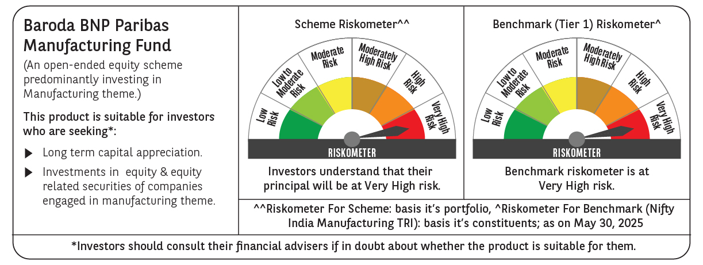
 | Baroda BNP Paribas Manufacturing Fund

 | Monthly Portfolio Statement as on May 31, 2025
 | Name of the Instrument | ISIN | Industry / Rating | Quantity | Market/Fair Value (Rs. in Lakhs) | % to Net Assets | YTM~ | YTC^ | null
 | Equity & Equity related
 | (a) Listed / awaiting listing on Stock Exchanges
DIVI02 | Divi's Laboratories Limited | INE361B01024 | Pharmaceuticals & Biotechnology | 162,000 | 10,711.44 | 8.19%
RIND01 | Reliance Industries Limited | INE002A01018 | Petroleum Products | 702,000 | 9,974.72 | 7.63%
SPIL03 | Sun Pharmaceutical Industries Limited | INE044A01036 | Pharmaceuticals & Biotechnology | 360,000 | 6,039.36 | 4.62%
MOTI02 | Bosch Limited | INE323A01026 | Auto Components | 17,125 | 5,379.82 | 4.11%
ABBP01 | Hitachi Energy India Limited | INE07Y701011 | Electrical Equipment | 27,000 | 5,210.46 | 3.98%
MAHI02 | Mahindra & Mahindra Limited | INE101A01026 | Automobiles | 162,000 | 4,822.42 | 3.69%
SESA02 | Vedanta Limited | INE205A01025 | Diversified Metals | 900,000 | 3,919.95 | 3.00%
MAUD01 | Maruti Suzuki India Limited | INE585B01010 | Automobiles | 27,000 | 3,326.13 | 2.54%
DRRL03 | Dr. Reddy's Laboratories Limited | INE089A01031 | Pharmaceuticals & Biotechnology | 252,000 | 3,153.02 | 2.41%
BHEL02 | Bharat Electronics Limited | INE263A01024 | Aerospace & Defense | 810,000 | 3,115.26 | 2.38%
HERO02 | Hero MotoCorp Limited | INE158A01026 | Automobiles | 67,500 | 2,908.78 | 2.22%
CIPL03 | Cipla Limited | INE059A01026 | Pharmaceuticals & Biotechnology | 198,000 | 2,902.09 | 2.22%
BPCL01 | Bharat Petroleum Corporation Limited | INE029A01011 | Petroleum Products | 900,000 | 2,865.60 | 2.19%
ASPH02 | AstraZeneca Pharma India Limited | INE203A01020 | Pharmaceuticals & Biotechnology | 34,200 | 2,726.42 | 2.09%
TELC03 | Tata Motors Limited | INE155A01022 | Automobiles | 378,000 | 2,719.71 | 2.08%
BOCL01 | Linde India Limited | INE473A01011 | Chemicals & Petrochemicals | 36,000 | 2,701.98 | 2.07%
ESCO01 | Escorts Kubota Limited | INE042A01014 | Agricultural, Commercial & Construction Vehicles | 81,000 | 2,690.58 | 2.06%
BHAH02 | Bharat Heavy Electricals Limited | INE257A01026 | Electrical Equipment | 990,000 | 2,572.32 | 1.97%
SUMI01 | Sumitomo Chemical India Limited | INE258G01013 | Fertilizers & Agrochemicals | 450,000 | 2,280.38 | 1.74%
NACL03 | National Aluminium Company Limited | INE139A01034 | Non - Ferrous Metals | 1,170,000 | 2,110.10 | 1.61%
WABT01 | ZF Commercial Vehicle Control Systems India Limited | INE342J01019 | Auto Components | 15,300 | 2,045.30 | 1.56%
ULCC01 | UltraTech Cement Limited | INE481G01011 | Cement & Cement Products | 18,000 | 2,017.80 | 1.54%
TEGA01 | Tega Industries Limited | INE011K01018 | Industrial Manufacturing | 121,500 | 2,004.75 | 1.53%
MCSP02 | United Spirits Limited | INE854D01024 | Beverages | 126,000 | 1,915.33 | 1.46%
BASF01 | BASF India Limited | INE373A01013 | Chemicals & Petrochemicals | 36,000 | 1,876.54 | 1.44%
HYUN01 | Hyundai Motor India Ltd | INE0V6F01027 | Automobiles | 99,000 | 1,828.73 | 1.40%
IPCA03 | IPCA Laboratories Limited | INE571A01038 | Pharmaceuticals & Biotechnology | 126,000 | 1,795.25 | 1.37%
BIRM01 | 3M India Limited | INE470A01017 | Diversified | 5,850 | 1,712.59 | 1.31%
SKFB02 | SKF India Limited | INE640A01023 | Industrial Products | 35,550 | 1,669.43 | 1.28%
KCUL02 | Cummins India Limited | INE298A01020 | Industrial Products | 49,500 | 1,617.71 | 1.24%
KSPL02 | KSB Limited | INE999A01023 | Industrial Products | 186,495 | 1,578.12 | 1.21%
MAGL01 | Mahanagar Gas Limited | INE002S01010 | Gas | 117,000 | 1,550.48 | 1.19%
TAHO01 | Honeywell Automation India Limited | INE671A01010 | Industrial Manufacturing | 3,690 | 1,421.76 | 1.09%
VORL03 | Vinati Organics Limited | INE410B01037 | Chemicals & Petrochemicals | 76,500 | 1,410.20 | 1.08%
INGE01 | Ingersoll Rand (India) Limited | INE177A01018 | Industrial Products | 35,550 | 1,393.13 | 1.07%
KEWI01 | Kennametal India Limited | INE717A01029 | Industrial Manufacturing | 53,100 | 1,340.30 | 1.02%
AMRA03 | Amara Raja Energy & Mobility Ltd | INE885A01032 | Auto Components | 126,000 | 1,298.75 | 0.99%
GRIN02 | Grindwell Norton Limited | INE536A01023 | Industrial Products | 72,000 | 1,293.55 | 0.99%
SOKO03 | Jtekt India Limited | INE643A01035 | Auto Components | 927,000 | 1,285.93 | 0.98%
GUOL01 | Gulf Oil Lubricants India Limited | INE635Q01029 | Petroleum Products | 108,000 | 1,281.10 | 0.98%
PIDI02 | Pidilite Industries Limited | INE318A01026 | Chemicals & Petrochemicals | 40,500 | 1,258.42 | 0.96%
SAEL02 | TVS Motor Company Limited | INE494B01023 | Automobiles | 45,000 | 1,251.36 | 0.96%
NAYV01 | NLC India Limited | INE589A01014 | Power | 450,000 | 1,087.74 | 0.83%
NAPH02 | Natco Pharma Limited | INE987B01026 | Pharmaceuticals & Biotechnology | 117,000 | 1,033.58 | 0.79%
SCDL01 | Sundaram Clayton Limited | INE0Q3R01026 | Auto Components | 40,288 | 998.14 | 0.76%
GSPL01 | Gujarat State Petronet Limited | INE246F01010 | Gas | 177,976 | 585.19 | 0.45%
PFIZ01 | Pfizer Limited | INE182A01018 | Pharmaceuticals & Biotechnology | 10,350 | 580.98 | 0.44%
AEVO01 | Aegis Vopak Terminals Limited | INE0INX01018 | Miscellaneous | 807,659 | 1,898.00 | 1.45%
 | Sub Total |  |  |  | 123,160.70 | 94.17%
 | (b) Unlisted |  |  |  | NIL | NIL
 | Sub Total |  |  |  | NIL | NIL
 | Total |  |  |  | 123,160.70 | 94.17%
 | Money Market Instruments
 | Treasury Bill
TBIL2394 | 364 Days Tbill (MD 07/08/2025) | IN002024Z198 | Sovereign | 1,500,000 | 1,484.70 | 1.14% | 5.61%
TBIL2450 | 364 Days Tbill (MD 18/12/2025) | IN002024Z362 | Sovereign | 1,000,000 | 970.22 | 0.74% | 5.60%
 | Sub Total |  |  |  | 2,454.92 | 1.88%
 | Total |  |  |  | 2,454.92 | 1.88%
 | Reverse Repo / TREPS
TRP_020625 | Clearing Corporation of India Ltd |  |  |  | 5,627.27 | 4.30% | 5.77%
 | Sub Total |  |  |  | 5,627.27 | 4.30%
 | Total |  |  |  | 5,627.27 | 4.30%
 | Net Receivables / (Payables) |  |  |  | (479.63) | (0.35)%
 | GRAND TOTAL |  |  |  | 130,763.26 | 100.00%

 | # Unlisted Security
 | ~ YTM as on May 31, 2025
 | ^ YTC represents Yield to Call provided by valuation agencies as on May 31, 2025. It is disclosed for Perpetual Bond issued by Banks (i.e. AT-1 Bond / Tier 1 Bond / Tier 2 Bond), as per AMFI Best Practices Guidelines Circular no. 135/BP/91/2020-21 read with SEBI circular No. SEBI/HO/IMD/DF4/CIR/P/2021/034 on Valuation of AT-1 Bonds and Tier 2 Bonds.

