T0ME37
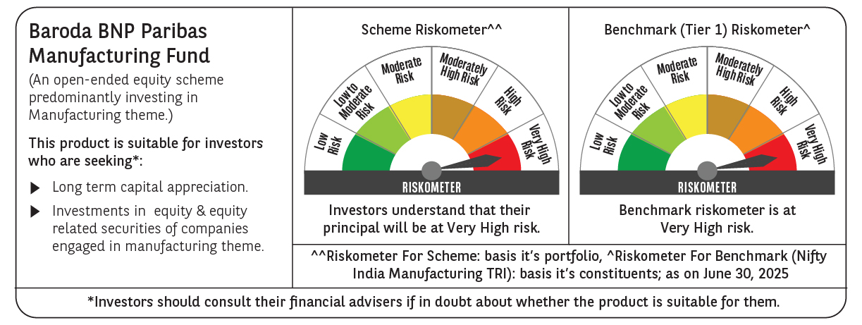
 | Baroda BNP Paribas Manufacturing Fund

 | Monthly Portfolio Statement as on June 30, 2025
 | Name of the Instrument | ISIN | Industry / Rating | Quantity | Market/Fair Value (Rs. in Lakhs) | % to Net Assets | YTM~ | YTC^ | null
 | Equity & Equity related
 | (a) Listed / awaiting listing on Stock Exchanges
RIND01 | Reliance Industries Limited | INE002A01018 | Petroleum Products | 702,000 | 10,534.21 | 7.97%
DIVI02 | Divi's Laboratories Limited | INE361B01024 | Pharmaceuticals & Biotechnology | 153,000 | 10,418.54 | 7.88%
MOTI02 | Bosch Limited | INE323A01026 | Auto Components | 16,200 | 5,294.16 | 4.00%
ABBP01 | Hitachi Energy India Limited | INE07Y701011 | Electrical Equipment | 26,100 | 5,221.83 | 3.95%
MAHI02 | Mahindra & Mahindra Limited | INE101A01026 | Automobiles | 153,000 | 4,870.30 | 3.68%
SPIL03 | Sun Pharmaceutical Industries Limited | INE044A01036 | Pharmaceuticals & Biotechnology | 270,000 | 4,524.39 | 3.42%
SESA02 | Vedanta Limited | INE205A01025 | Diversified Metals | 900,000 | 4,147.65 | 3.14%
DRRL03 | Dr. Reddy's Laboratories Limited | INE089A01031 | Pharmaceuticals & Biotechnology | 288,000 | 3,695.90 | 2.79%
BHEL02 | Bharat Electronics Limited | INE263A01024 | Aerospace & Defense | 810,000 | 3,414.15 | 2.58%
MAUD01 | Maruti Suzuki India Limited | INE585B01010 | Automobiles | 27,000 | 3,348.00 | 2.53%
ASPH02 | AstraZeneca Pharma India Limited | INE203A01020 | Pharmaceuticals & Biotechnology | 34,200 | 3,046.71 | 2.30%
BPCL01 | Bharat Petroleum Corporation Limited | INE029A01011 | Petroleum Products | 900,000 | 2,987.55 | 2.26%
CIPL03 | Cipla Limited | INE059A01026 | Pharmaceuticals & Biotechnology | 180,000 | 2,710.62 | 2.05%
ESCO01 | Escorts Kubota Limited | INE042A01014 | Agricultural, Commercial & Construction Vehicles | 81,000 | 2,701.03 | 2.04%
HERO02 | Hero MotoCorp Limited | INE158A01026 | Automobiles | 63,000 | 2,669.37 | 2.02%
BHAH02 | Bharat Heavy Electricals Limited | INE257A01026 | Electrical Equipment | 990,000 | 2,636.37 | 1.99%
TELC03 | Tata Motors Limited | INE155A01022 | Automobiles | 378,000 | 2,600.64 | 1.97%
BOCL01 | Linde India Limited | INE473A01011 | Chemicals & Petrochemicals | 36,000 | 2,395.98 | 1.81%
SUMI01 | Sumitomo Chemical India Limited | INE258G01013 | Fertilizers & Agrochemicals | 450,000 | 2,383.20 | 1.80%
NACL03 | National Aluminium Company Limited | INE139A01034 | Non - Ferrous Metals | 1,170,000 | 2,254.59 | 1.70%
HYUN01 | Hyundai Motor India Ltd | INE0V6F01027 | Automobiles | 99,000 | 2,197.50 | 1.66%
KCUL02 | Cummins India Limited | INE298A01020 | Industrial Products | 63,000 | 2,141.62 | 1.62%
WABT01 | ZF Commercial Vehicle Control Systems India Limited | INE342J01019 | Auto Components | 15,300 | 2,048.98 | 1.55%
AEVO01 | Aegis Vopak Terminals Limited | INE0INX01018 | Oil | 810,000 | 1,987.50 | 1.50%
TEGA01 | Tega Industries Limited | INE011K01018 | Industrial Manufacturing | 121,500 | 1,892.61 | 1.43%
SENE01 | Siemens Energy India Limited | INE1NPP01017 | Electrical Equipment | 63,000 | 1,874.82 | 1.42%
BASF01 | BASF India Limited | INE373A01013 | Chemicals & Petrochemicals | 36,000 | 1,858.50 | 1.41%
MAGL01 | Mahanagar Gas Limited | INE002S01010 | Gas | 117,000 | 1,735.34 | 1.31%
SKFB02 | SKF India Limited | INE640A01023 | Industrial Products | 35,550 | 1,712.02 | 1.29%
MCSP02 | United Spirits Limited | INE854D01024 | Beverages | 117,000 | 1,670.88 | 1.26%
BIRM01 | 3M India Limited | INE470A01017 | Diversified | 5,850 | 1,667.25 | 1.26%
INGE01 | Ingersoll Rand (India) Limited | INE177A01018 | Industrial Products | 42,159 | 1,633.66 | 1.24%
ULCC01 | UltraTech Cement Limited | INE481G01011 | Cement & Cement Products | 13,500 | 1,632.56 | 1.23%
KSPL02 | KSB Limited | INE999A01023 | Industrial Products | 186,495 | 1,525.62 | 1.15%
VORL03 | Vinati Organics Limited | INE410B01037 | Chemicals & Petrochemicals | 76,500 | 1,511.72 | 1.14%
IPCA03 | IPCA Laboratories Limited | INE571A01038 | Pharmaceuticals & Biotechnology | 108,000 | 1,500.98 | 1.13%
TAHO01 | Honeywell Automation India Limited | INE671A01010 | Industrial Manufacturing | 3,690 | 1,452.20 | 1.10%
PIDI02 | Pidilite Industries Limited | INE318A01026 | Chemicals & Petrochemicals | 45,000 | 1,374.48 | 1.04%
GUOL01 | Gulf Oil Lubricants India Limited | INE635Q01029 | Petroleum Products | 108,000 | 1,363.61 | 1.03%
SOKO03 | Jtekt India Limited | INE643A01035 | Auto Components | 927,000 | 1,349.06 | 1.02%
SAEL02 | TVS Motor Company Limited | INE494B01023 | Automobiles | 45,000 | 1,313.10 | 0.99%
GRIN02 | Grindwell Norton Limited | INE536A01023 | Industrial Products | 72,000 | 1,245.02 | 0.94%
KEWI01 | Kennametal India Limited | INE717A01029 | Industrial Manufacturing | 53,100 | 1,242.49 | 0.94%
NAPH02 | Natco Pharma Limited | INE987B01026 | Pharmaceuticals & Biotechnology | 126,000 | 1,167.58 | 0.88%
NAYV01 | NLC India Limited | INE589A01014 | Power | 450,000 | 1,036.22 | 0.78%
SCDL01 | Sundaram Clayton Limited | INE0Q3R01026 | Auto Components | 40,288 | 834.53 | 0.63%
PFIZ01 | Pfizer Limited | INE182A01018 | Pharmaceuticals & Biotechnology | 11,700 | 664.27 | 0.50%
ICEM01 | The India Cements Limited | INE383A01012 | Cement & Cement Products | 101,631 | 350.47 | 0.27%
 | Sub Total |  |  |  | 123,839.78 | 93.60%
 | (b) Unlisted |  |  |  | NIL | NIL
 | Sub Total |  |  |  | NIL | NIL
 | Total |  |  |  | 123,839.78 | 93.60%
 | Derivatives
 | Index / Stock Futures
NIFTYFJUL25 | NIFTY July 2025 Future |  |  | -1,800 | (461.06) | (0.35)%
 | Sub Total |  |  |  | (461.06) | (0.35)%
 | Total |  |  |  | (461.06) | (0.35)%
 | Money Market Instruments
 | Treasury Bill
TBIL2394 | 364 Days Tbill (MD 07/08/2025) | IN002024Z198 | Sovereign | 1,500,000 | 1,491.91 | 1.13% | 5.35%
TBIL2450 | 364 Days Tbill (MD 18/12/2025) | IN002024Z362 | Sovereign | 1,000,000 | 975.01 | 0.74% | 5.50%
 | Sub Total |  |  |  | 2,466.92 | 1.87%
 | Total |  |  |  | 2,466.92 | 1.87%
 | Reverse Repo / TREPS
TRP_010725 | Clearing Corporation of India Ltd |  |  |  | 3,936.09 | 2.98% | 5.47%
 | Sub Total |  |  |  | 3,936.09 | 2.98%
 | Total |  |  |  | 3,936.09 | 2.98%
 | Net Receivables / (Payables) |  |  |  | 2,471.67 | 1.90%
 | GRAND TOTAL |  |  |  | 132,253.40 | 100.00%

 | ~ YTM as on June 30, 2025
 | ^ YTC represents Yield to Call provided by valuation agencies as on June 30, 2025. It is disclosed for Perpetual Bond issued by Banks (i.e. AT-1 Bond / Tier 1 Bond / Tier 2 Bond), as per AMFI Best Practices Guidelines Circular no. 135/BP/91/2020-21 read with SEBI circular No. SEBI/HO/IMD/DF4/CIR/P/2021/034 on Valuation of AT-1 Bonds and Tier 2 Bonds.
 | Details of Stock Future / Index Future
 | Long/Short | Name of the Instrument | Industry | Quantity. | Market/Fair Value (Rs. in Lacs). | % to NAV.
 | Short | NIFTY_31/07/2025 | Index | 1,800 | 461.06 | 0.35%

