T0ME37
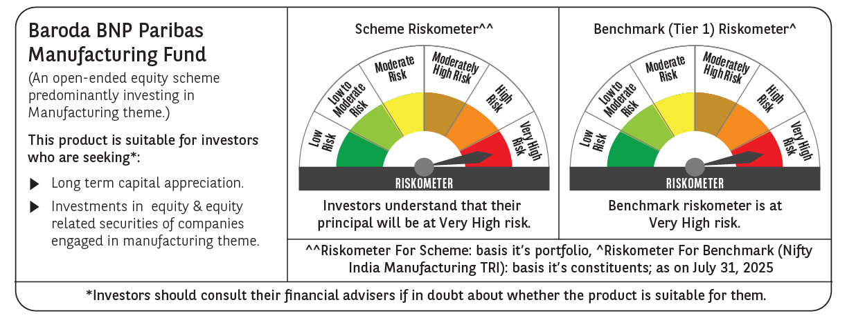
 | Baroda BNP Paribas Manufacturing Fund

 | Monthly Portfolio Statement as on July 31, 2025
 | Name of the Instrument | ISIN | Industry / Rating | Quantity | Market/Fair Value (Rs. in Lakhs) | % to Net Assets | YTM~ | YTC^ | null
 | Equity & Equity related
 | (a) Listed / awaiting listing on Stock Exchanges
DIVI02 | Divi's Laboratories Limited | INE361B01024 | Pharmaceuticals & Biotechnology | 153,000 | 10,091.12 | 8.12%
RIND01 | Reliance Industries Limited | INE002A01018 | Petroleum Products | 666,000 | 9,258.73 | 7.45%
MOTI02 | Bosch Limited | INE323A01026 | Auto Components | 15,300 | 6,178.91 | 4.97%
ABBP01 | Hitachi Energy India Limited | INE07Y701011 | Electrical Equipment | 26,100 | 5,244.80 | 4.22%
MAHI02 | Mahindra & Mahindra Limited | INE101A01026 | Automobiles | 153,000 | 4,900.74 | 3.94%
SPIL03 | Sun Pharmaceutical Industries Limited | INE044A01036 | Pharmaceuticals & Biotechnology | 243,000 | 4,147.28 | 3.34%
SESA02 | Vedanta Limited | INE205A01025 | Diversified Metals | 900,000 | 3,830.85 | 3.08%
DRRL03 | Dr. Reddy's Laboratories Limited | INE089A01031 | Pharmaceuticals & Biotechnology | 288,000 | 3,658.46 | 2.94%
ASPH02 | AstraZeneca Pharma India Limited | INE203A01020 | Pharmaceuticals & Biotechnology | 34,200 | 3,141.61 | 2.53%
SUMI01 | Sumitomo Chemical India Limited | INE258G01013 | Fertilizers & Agrochemicals | 450,000 | 2,919.15 | 2.35%
MAUD01 | Maruti Suzuki India Limited | INE585B01010 | Automobiles | 22,500 | 2,836.80 | 2.28%
BPCL01 | Bharat Petroleum Corporation Limited | INE029A01011 | Petroleum Products | 855,000 | 2,815.52 | 2.27%
ESCO01 | Escorts Kubota Limited | INE042A01014 | Agricultural, Commercial & Construction Vehicles | 81,000 | 2,720.95 | 2.19%
CIPL03 | Cipla Limited | INE059A01026 | Pharmaceuticals & Biotechnology | 162,000 | 2,518.45 | 2.03%
BHEL02 | Bharat Electronics Limited | INE263A01024 | Aerospace & Defense | 630,000 | 2,413.53 | 1.94%
BOCL01 | Linde India Limited | INE473A01011 | Chemicals & Petrochemicals | 36,000 | 2,366.46 | 1.90%
BHAH02 | Bharat Heavy Electricals Limited | INE257A01026 | Electrical Equipment | 990,000 | 2,360.66 | 1.90%
HERO02 | Hero MotoCorp Limited | INE158A01026 | Automobiles | 54,000 | 2,300.78 | 1.85%
KCUL02 | Cummins India Limited | INE298A01020 | Industrial Products | 63,000 | 2,239.97 | 1.80%
HYUN01 | Hyundai Motor India Ltd | INE0V6F01027 | Automobiles | 99,000 | 2,130.28 | 1.71%
TELC03 | Tata Motors Limited | INE155A01022 | Automobiles | 315,000 | 2,097.74 | 1.69%
WABT01 | ZF Commercial Vehicle Control Systems India Limited | INE342J01019 | Auto Components | 15,300 | 2,017.46 | 1.62%
NACL03 | National Aluminium Company Limited | INE139A01034 | Non - Ferrous Metals | 1,080,000 | 1,998.65 | 1.61%
AEVO01 | Aegis Vopak Terminals Limited | INE0INX01018 | Oil | 810,000 | 1,942.06 | 1.56%
TEGA01 | Tega Industries Limited | INE011K01018 | Industrial Manufacturing | 99,094 | 1,888.73 | 1.52%
BIRM01 | 3M India Limited | INE470A01017 | Diversified | 5,850 | 1,799.17 | 1.45%
BASF01 | BASF India Limited | INE373A01013 | Chemicals & Petrochemicals | 36,000 | 1,797.84 | 1.45%
SKFB02 | SKF India Limited | INE640A01023 | Industrial Products | 35,550 | 1,742.16 | 1.40%
INGE01 | Ingersoll Rand (India) Limited | INE177A01018 | Industrial Products | 45,000 | 1,738.71 | 1.40%
PRRC03 | Navin Fluorine International Limited | INE048G01026 | Chemicals & Petrochemicals | 32,052 | 1,617.92 | 1.30%
IPCA03 | IPCA Laboratories Limited | INE571A01038 | Pharmaceuticals & Biotechnology | 108,000 | 1,591.81 | 1.28%
KSPL02 | KSB Limited | INE999A01023 | Industrial Products | 180,000 | 1,509.48 | 1.21%
SENE01 | Siemens Energy India Limited | INE1NPP01017 | Electrical Equipment | 45,000 | 1,457.06 | 1.17%
TAHO01 | Honeywell Automation India Limited | INE671A01010 | Industrial Manufacturing | 3,690 | 1,430.61 | 1.15%
ICEM01 | The India Cements Limited | INE383A01012 | Cement & Cement Products | 360,000 | 1,328.76 | 1.07%
VORL03 | Vinati Organics Limited | INE410B01037 | Chemicals & Petrochemicals | 72,000 | 1,317.74 | 1.06%
NAYV01 | NLC India Limited | INE589A01014 | Power | 540,000 | 1,308.15 | 1.05%
PIDI02 | Pidilite Industries Limited | INE318A01026 | Chemicals & Petrochemicals | 45,000 | 1,291.41 | 1.04%
BHFO02 | Bharat Forge Limited | INE465A01025 | Auto Components | 108,000 | 1,262.63 | 1.02%
SAEL02 | TVS Motor Company Limited | INE494B01023 | Automobiles | 45,000 | 1,260.81 | 1.01%
MAGL01 | Mahanagar Gas Limited | INE002S01010 | Gas | 90,000 | 1,222.29 | 0.98%
NAPH02 | Natco Pharma Limited | INE987B01026 | Pharmaceuticals & Biotechnology | 126,000 | 1,201.28 | 0.97%
SOKO03 | Jtekt India Limited | INE643A01035 | Auto Components | 927,000 | 1,195.64 | 0.96%
BHAE01 | BEML Limited | INE258A01016 | Agricultural, Commercial & Construction Vehicles | 29,700 | 1,176.33 | 0.95%
KEWI01 | Kennametal India Limited | INE717A01029 | Industrial Manufacturing | 53,100 | 1,149.99 | 0.93%
SCDL01 | Sundaram Clayton Limited | INE0Q3R01026 | Auto Components | 42,695 | 833.19 | 0.67%
PFIZ01 | Pfizer Limited | INE182A01018 | Pharmaceuticals & Biotechnology | 12,783 | 664.01 | 0.53%
GRIN02 | Grindwell Norton Limited | INE536A01023 | Industrial Products | 33,470 | 515.57 | 0.41%
GUOL01 | Gulf Oil Lubricants India Limited | INE635Q01029 | Petroleum Products | 25,336 | 306.26 | 0.25%
SOKO03RF | Jtekt India Limited- Rights share** | INE643A20019 | Auto Components | 84,272 | 17.60 | 0.01%
 | Sub Total |  |  |  | 118,756.11 | 95.53%
 | (b) Unlisted |  |  |  | NIL | NIL
 | Sub Total |  |  |  | NIL | NIL
 | Total |  |  |  | 118,756.11 | 95.53%
 | Derivatives
 | Index / Stock Futures
SESAAUG25 | Vedanta Limited August 2025 Future |  |  | -207,000 | (883.06) | (0.71)%
 | Sub Total |  |  |  | (883.06) | (0.71)%
 | Total |  |  |  | (883.06) | (0.71)%
 | Money Market Instruments
 | Treasury Bill
TBIL2487 | 364 Days Tbill (MD 19/03/2026) | IN002024Z495 | Sovereign | 1,500,000 | 1,449.58 | 1.17% | 5.52%
TBIL2450 | 364 Days Tbill (MD 18/12/2025) | IN002024Z362 | Sovereign | 1,000,000 | 979.65 | 0.79% | 5.45%
 | Sub Total |  |  |  | 2,429.23 | 1.96%
 | Total |  |  |  | 2,429.23 | 1.96%
 | Reverse Repo / TREPS
TRP_010825 | Clearing Corporation of India Ltd |  |  |  | 2,674.45 | 2.15% | 5.42%
 | Sub Total |  |  |  | 2,674.45 | 2.15%
 | Total |  |  |  | 2,674.45 | 2.15%
 | Net Receivables / (Payables) |  |  |  | 1,311.42 | 1.07%
 | GRAND TOTAL |  |  |  | 124,288.15 | 100.00%

 | ** Thinly Traded / Non Traded Security
 | ~ YTM as on July 31, 2025
 | ^ YTC represents Yield to Call provided by valuation agencies as on July 31, 2025. It is disclosed for Perpetual Bond issued by Banks (i.e. AT-1 Bond / Tier 1 Bond / Tier 2 Bond), as per AMFI Best Practices Guidelines Circular no. 135/BP/91/2020-21 read with SEBI circular No. SEBI/HO/IMD/DF4/CIR/P/2021/034 on Valuation of AT-1 Bonds and Tier 2 Bonds.
 | Details of Stock Future / Index Future
 | Long/Short | Name of the Instrument | Industry | Quantity. | Market/Fair Value (Rs. in Lacs). | % to NAV.
 | Short | Vedanta Limited_28/08/2025 | Diversified Metals | 207,000 | 883.06 | 0.71%

