T0ME37
 | Baroda BNP Paribas Manufacturing Fund

 | Monthly Portfolio Statement as on August 31, 2025
 | Name of the Instrument | ISIN | Industry / Rating | Quantity | Market/Fair Value (Rs. in Lakhs) | % to Net Assets | YTM~ | YTC^ | null
 | Equity & Equity related
 | (a) Listed / awaiting listing on Stock Exchanges
RIND01 | Reliance Industries Limited | INE002A01018 | Petroleum Products | 666,000 | 9,038.95 | 7.69%
DIVI02 | Divi's Laboratories Limited | INE361B01024 | Pharmaceuticals & Biotechnology | 126,000 | 7,725.69 | 6.57%
MOTI02 | Bosch Limited | INE323A01026 | Auto Components | 15,300 | 6,113.88 | 5.20%
ABBP01 | Hitachi Energy India Limited | INE07Y701011 | Electrical Equipment | 26,100 | 4,987.71 | 4.24%
MAHI02 | Mahindra & Mahindra Limited | INE101A01026 | Automobiles | 153,000 | 4,895.24 | 4.17%
MAUD01 | Maruti Suzuki India Limited | INE585B01010 | Automobiles | 22,500 | 3,327.98 | 2.83%
SPIL03 | Sun Pharmaceutical Industries Limited | INE044A01036 | Pharmaceuticals & Biotechnology | 207,000 | 3,300.62 | 2.81%
DRRL03 | Dr. Reddy's Laboratories Limited | INE089A01031 | Pharmaceuticals & Biotechnology | 252,000 | 3,175.45 | 2.70%
SESA02 | Vedanta Limited | INE205A01025 | Diversified Metals | 693,000 | 2,915.10 | 2.48%
ASPH02 | AstraZeneca Pharma India Limited | INE203A01020 | Pharmaceuticals & Biotechnology | 34,200 | 2,893.49 | 2.46%
ESCO01 | Escorts Kubota Limited | INE042A01014 | Agricultural, Commercial & Construction Vehicles | 81,000 | 2,889.92 | 2.46%
HERO02 | Hero MotoCorp Limited | INE158A01026 | Automobiles | 54,000 | 2,747.36 | 2.34%
BPCL01 | Bharat Petroleum Corporation Limited | INE029A01011 | Petroleum Products | 855,000 | 2,635.11 | 2.24%
CIPL03 | Cipla Limited | INE059A01026 | Pharmaceuticals & Biotechnology | 162,000 | 2,574.83 | 2.19%
SUMI01 | Sumitomo Chemical India Limited | INE258G01013 | Fertilizers & Agrochemicals | 450,000 | 2,547.68 | 2.17%
HYUN01 | Hyundai Motor India Ltd | INE0V6F01027 | Automobiles | 99,000 | 2,435.80 | 2.07%
KCUL02 | Cummins India Limited | INE298A01020 | Industrial Products | 63,000 | 2,410.51 | 2.05%
BOCL01 | Linde India Limited | INE473A01011 | Chemicals & Petrochemicals | 36,000 | 2,296.26 | 1.95%
BHEL02 | Bharat Electronics Limited | INE263A01024 | Aerospace & Defense | 585,000 | 2,160.99 | 1.84%
WABT01 | ZF Commercial Vehicle Control Systems India Limited | INE342J01019 | Auto Components | 15,300 | 2,153.48 | 1.83%
TELC03 | Tata Motors Limited | INE155A01022 | Automobiles | 315,000 | 2,107.35 | 1.79%
BHAH02 | Bharat Heavy Electricals Limited | INE257A01026 | Electrical Equipment | 990,000 | 2,059.30 | 1.75%
BIRM01 | 3M India Limited | INE470A01017 | Diversified | 5,850 | 1,799.46 | 1.53%
INGE01 | Ingersoll Rand (India) Limited | INE177A01018 | Industrial Products | 45,000 | 1,713.42 | 1.46%
AEVO01 | Aegis Vopak Terminals Limited | INE0INX01018 | Oil | 684,000 | 1,694.75 | 1.44%
KSPL02 | KSB Limited | INE999A01023 | Industrial Products | 189,000 | 1,560.95 | 1.33%
SKFB02 | SKF India Limited | INE640A01023 | Industrial Products | 34,200 | 1,518.48 | 1.29%
NACL03 | National Aluminium Company Limited | INE139A01034 | Non - Ferrous Metals | 810,000 | 1,508.06 | 1.28%
IPCA03 | IPCA Laboratories Limited | INE571A01038 | Pharmaceuticals & Biotechnology | 108,000 | 1,495.15 | 1.27%
SAEL02 | TVS Motor Company Limited | INE494B01023 | Automobiles | 45,000 | 1,474.47 | 1.25%
BASF01 | BASF India Limited | INE373A01013 | Chemicals & Petrochemicals | 31,500 | 1,451.96 | 1.24%
SOKO03 | Jtekt India Limited | INE643A01035 | Auto Components | 1,044,000 | 1,407.63 | 1.20%
ICEM01 | The India Cements Limited | INE383A01012 | Cement & Cement Products | 360,000 | 1,373.40 | 1.17%
PIDI02 | Pidilite Industries Limited | INE318A01026 | Chemicals & Petrochemicals | 45,000 | 1,372.64 | 1.17%
SENE01 | Siemens Energy India Limited | INE1NPP01017 | Electrical Equipment | 40,500 | 1,366.83 | 1.16%
TEGA01 | Tega Industries Limited | INE011K01018 | Industrial Manufacturing | 72,000 | 1,329.77 | 1.13%
LARS02 | Larsen & Toubro Limited | INE018A01030 | Construction | 36,000 | 1,296.36 | 1.10%
VORL03 | Vinati Organics Limited | INE410B01037 | Chemicals & Petrochemicals | 72,000 | 1,231.49 | 1.05%
NAYV01 | NLC India Limited | INE589A01014 | Power | 540,000 | 1,215.81 | 1.03%
BHFO02 | Bharat Forge Limited | INE465A01025 | Auto Components | 108,000 | 1,195.24 | 1.02%
PRRC03 | Navin Fluorine International Limited | INE048G01026 | Chemicals & Petrochemicals | 25,200 | 1,181.25 | 1.01%
BHAE01 | BEML Limited | INE258A01016 | Agricultural, Commercial & Construction Vehicles | 30,600 | 1,174.86 | 1.00%
KEWI01 | Kennametal India Limited | INE717A01029 | Industrial Manufacturing | 53,100 | 1,168.81 | 0.99%
NAPH02 | Natco Pharma Limited | INE987B01026 | Pharmaceuticals & Biotechnology | 135,000 | 1,163.70 | 0.99%
MAGL01 | Mahanagar Gas Limited | INE002S01010 | Gas | 90,000 | 1,126.62 | 0.96%
TAHO01 | Honeywell Automation India Limited | INE671A01010 | Industrial Manufacturing | 2,477 | 959.59 | 0.82%
SCDL01 | Sundaram Clayton Limited | INE0Q3R01026 | Auto Components | 49,500 | 817.94 | 0.70%
PFIZ01 | Pfizer Limited | INE182A01018 | Pharmaceuticals & Biotechnology | 12,783 | 659.09 | 0.56%
JSWC01 | JSW Cement Limited | INE718I01012 | Cement & Cement Products | 360,000 | 534.35 | 0.45%
 | Sub Total |  |  |  | 112,184.78 | 95.43%

SAEL21PS | TVS Motor Company Limited (Preference Share) ** |  | Automobiles | 180,000 | 18.00 | 0.02%
 | Sub Total |  |  |  | 18.00 | 0.02%
 | (b) Unlisted |  |  |  | NIL | NIL
 | Sub Total |  |  |  | NIL | NIL
 | Total |  |  |  | 112,202.78 | 95.45%
 | Money Market Instruments
 | Treasury Bill
TBIL2487 | 364 Days Tbill (MD 19/03/2026) | IN002024Z495 | Sovereign | 1,500,000 | 1,455.92 | 1.24% | 5.55%
TBIL2450 | 364 Days Tbill (MD 18/12/2025) | IN002024Z362 | Sovereign | 1,000,000 | 984.00 | 0.84% | 5.49%
 | Sub Total |  |  |  | 2,439.92 | 2.08%
 | Total |  |  |  | 2,439.92 | 2.08%
 | Reverse Repo / TREPS
TRP_010925 | Clearing Corporation of India Ltd |  |  |  | 3,103.17 | 2.64% | 5.39%
 | Sub Total |  |  |  | 3,103.17 | 2.64%
 | Total |  |  |  | 3,103.17 | 2.64%
 | Net Receivables / (Payables) |  |  |  | (216.15) | (0.17)%
 | GRAND TOTAL |  |  |  | 117,529.72 | 100.00%

 | ** Thinly Traded / Non Traded Security
 | ~ YTM as on August 31, 2025
 | ^ YTC represents Yield to Call provided by valuation agencies as on August 31, 2025. It is disclosed for Perpetual Bond issued by Banks (i.e. AT-1 Bond / Tier 1 Bond / Tier 2 Bond), as per AMFI Best Practices Guidelines Circular no. 135/BP/91/2020-21 read with SEBI circular No. SEBI/HO/IMD/DF4/CIR/P/2021/034 on Valuation of AT-1 Bonds and Tier 2 Bonds.

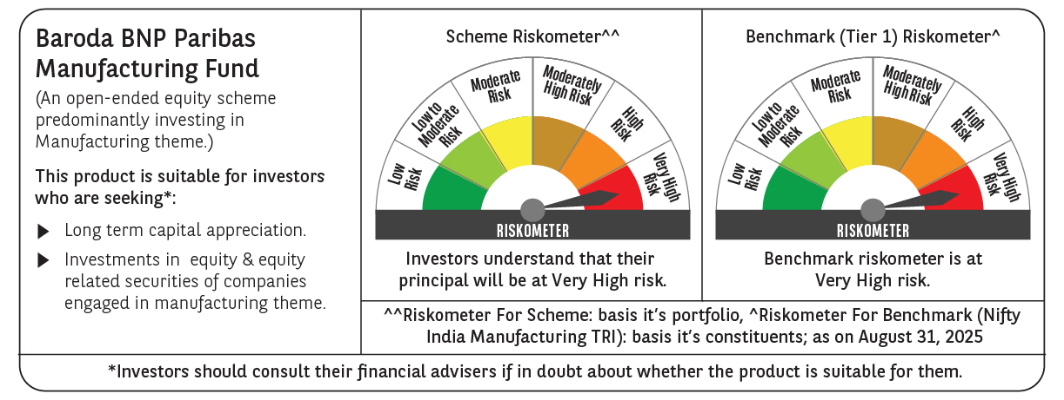

 | Monthly Performance Link: https://www.barodabnpparibasmf.in/assets/download_documents/Performance_of_Schemes_14126.pdf

