Monthly Portfolio
 | Baroda BNP Paribas Manufacturing Fund

 | Monthly Portfolio Statement as on September 30, 2025
 | Name of the Instrument | ISIN | Industry / Rating | Quantity | Market/Fair Value (Rs. in Lakhs) | % to Net Assets | YTM~ | YTC^ | null
 | Equity & Equity related
 | (a) Listed / awaiting listing on Stock Exchanges
RIND01 | Reliance Industries Limited | INE002A01018 | Petroleum Products | 666,000 | 9,084.24 | 8.03%
DIVI02 | Divi's Laboratories Limited | INE361B01024 | Pharmaceuticals & Biotechnology | 126,000 | 7,168.77 | 6.34%
MOTI02 | Bosch Limited | INE323A01026 | Auto Components | 15,300 | 5,836.19 | 5.16%
MAHI02 | Mahindra & Mahindra Limited | INE101A01026 | Automobiles | 144,000 | 4,934.88 | 4.36%
ABBP01 | Hitachi Energy India Limited | INE07Y701011 | Electrical Equipment | 26,100 | 4,698.26 | 4.15%
MAUD01 | Maruti Suzuki India Limited | INE585B01010 | Automobiles | 22,500 | 3,606.53 | 3.19%
ASPH02 | AstraZeneca Pharma India Limited | INE203A01020 | Pharmaceuticals & Biotechnology | 33,300 | 3,032.13 | 2.68%
HERO02 | Hero MotoCorp Limited | INE158A01026 | Automobiles | 54,000 | 2,955.15 | 2.61%
SESA02 | Vedanta Limited | INE205A01025 | Diversified Metals | 630,000 | 2,934.54 | 2.59%
ESCO01 | Escorts Kubota Limited | INE042A01014 | Agricultural, Commercial & Construction Vehicles | 81,000 | 2,791.75 | 2.47%
DRRL03 | Dr. Reddy's Laboratories Limited | INE089A01031 | Pharmaceuticals & Biotechnology | 225,000 | 2,753.33 | 2.43%
BPCL01 | Bharat Petroleum Corporation Limited | INE029A01011 | Petroleum Products | 810,000 | 2,751.17 | 2.43%
SAEL02 | TVS Motor Company Limited | INE494B01023 | Automobiles | 79,650 | 2,738.92 | 2.42%
SPIL03 | Sun Pharmaceutical Industries Limited | INE044A01036 | Pharmaceuticals & Biotechnology | 171,000 | 2,726.25 | 2.41%
HYUN01 | Hyundai Motor India Ltd | INE0V6F01027 | Automobiles | 99,000 | 2,558.56 | 2.26%
KCUL02 | Cummins India Limited | INE298A01020 | Industrial Products | 63,000 | 2,473.70 | 2.19%
SUMI01 | Sumitomo Chemical India Limited | INE258G01013 | Fertilizers & Agrochemicals | 450,000 | 2,399.63 | 2.12%
BHAH02 | Bharat Heavy Electricals Limited | INE257A01026 | Electrical Equipment | 990,000 | 2,360.66 | 2.09%
BOCL01 | Linde India Limited | INE473A01011 | Chemicals & Petrochemicals | 36,000 | 2,248.38 | 1.99%
CIPL03 | Cipla Limited | INE059A01026 | Pharmaceuticals & Biotechnology | 144,000 | 2,164.75 | 1.91%
WABT01 | ZF Commercial Vehicle Control Systems India Limited | INE342J01019 | Auto Components | 15,300 | 1,974.47 | 1.75%
BHEL02 | Bharat Electronics Limited | INE263A01024 | Aerospace & Defense | 450,000 | 1,817.78 | 1.61%
INGE01 | Ingersoll Rand (India) Limited | INE177A01018 | Industrial Products | 45,000 | 1,771.16 | 1.57%
BIRM01 | 3M India Limited | INE470A01017 | Diversified | 5,850 | 1,722.53 | 1.52%
SOKO03 | Jtekt India Limited | INE643A01035 | Auto Components | 1,044,000 | 1,703.49 | 1.51%
NACL03 | National Aluminium Company Limited | INE139A01034 | Non - Ferrous Metals | 765,000 | 1,636.11 | 1.45%
SIEM02 | Siemens Limited | INE003A01024 | Electrical Equipment | 51,300 | 1,605.28 | 1.42%
KSPL02 | KSB Limited | INE999A01023 | Industrial Products | 189,000 | 1,552.82 | 1.37%
NAYV01 | NLC India Limited | INE589A01014 | Power | 540,000 | 1,540.73 | 1.36%
SKFB02 | SKF India Limited | INE640A01023 | Industrial Products | 31,500 | 1,485.41 | 1.31%
IPCA03 | IPCA Laboratories Limited | INE571A01038 | Pharmaceuticals & Biotechnology | 108,000 | 1,446.12 | 1.28%
ICEM01 | The India Cements Limited | INE383A01012 | Cement & Cement Products | 360,000 | 1,382.40 | 1.22%
PIDI02 | Pidilite Industries Limited | INE318A01026 | Chemicals & Petrochemicals | 90,000 | 1,321.20 | 1.17%
LARS02 | Larsen & Toubro Limited | INE018A01030 | Construction | 36,000 | 1,317.24 | 1.16%
BHFO02 | Bharat Forge Limited | INE465A01025 | Auto Components | 108,000 | 1,309.39 | 1.16%
BHAE01 | BEML Limited | INE258A01016 | Agricultural, Commercial & Construction Vehicles | 30,600 | 1,277.18 | 1.13%
AEVO01 | Aegis Vopak Terminals Limited | INE0INX01018 | Oil | 486,000 | 1,265.93 | 1.12%
BASF01 | BASF India Limited | INE373A01013 | Chemicals & Petrochemicals | 27,143 | 1,193.48 | 1.06%
MAGL01 | Mahanagar Gas Limited | INE002S01010 | Gas | 90,000 | 1,165.59 | 1.03%
PRRC03 | Navin Fluorine International Limited | INE048G01026 | Chemicals & Petrochemicals | 25,200 | 1,164.62 | 1.03%
NAPH02 | Natco Pharma Limited | INE987B01026 | Pharmaceuticals & Biotechnology | 144,000 | 1,145.59 | 1.01%
KEWI01 | Kennametal India Limited | INE717A01029 | Industrial Manufacturing | 54,000 | 1,128.47 | 1.00%
SENE01 | Siemens Energy India Limited | INE1NPP01017 | Electrical Equipment | 27,000 | 926.86 | 0.82%
SCDL01 | Sundaram Clayton Limited | INE0Q3R01026 | Auto Components | 50,400 | 847.32 | 0.75%
JSWC01 | JSW Cement Limited | INE718I01012 | Cement & Cement Products | 495,000 | 682.56 | 0.60%
TEGA01 | Tega Industries Limited | INE011K01018 | Industrial Manufacturing | 36,000 | 680.80 | 0.60%
PFIZ01 | Pfizer Limited | INE182A01018 | Pharmaceuticals & Biotechnology | 13,320 | 670.80 | 0.59%
VORL03 | Vinati Organics Limited | INE410B01037 | Chemicals & Petrochemicals | 18,000 | 312.48 | 0.28%
TAHO01 | Honeywell Automation India Limited | INE671A01010 | Industrial Manufacturing | 614 | 221.62 | 0.20%
SAEL21PS | TVS Motor Company Limited (Preference Share) ** | INE494B04019 | Automobiles | 180,000 | 18.08 | 0.02%
 | Sub Total |  |  |  | 108,505.30 | 95.93%
 | (b) Unlisted |  |  |  | NIL | NIL
 | Sub Total |  |  |  | NIL | NIL
 | Total |  |  |  | 108,505.30 | 95.93%
 | Money Market Instruments
 | Treasury Bill
TBIL2487 | 364 Days Tbill (MD 19/03/2026) | IN002024Z495 | Sovereign | 1,500,000 | 1,462.62 | 1.29% | 5.52%
TBIL2450 | 364 Days Tbill (MD 18/12/2025) | IN002024Z362 | Sovereign | 1,000,000 | 988.61 | 0.87% | 5.39%
 | Sub Total |  |  |  | 2,451.23 | 2.16%
 | Total |  |  |  | 2,451.23 | 2.16%
 | Reverse Repo / TREPS
TRP_011025 | Clearing Corporation of India Ltd |  |  |  | 1,527.71 | 1.35% | 5.53%
 | Sub Total |  |  |  | 1,527.71 | 1.35%
 | Total |  |  |  | 1,527.71 | 1.35%
 | Net Receivables / (Payables) |  |  |  | 641.32 | 0.56%
 | GRAND TOTAL |  |  |  | 113,125.56 | 100.00%

 | ** Thinly Traded / Non Traded Security
 | ~ YTM as on September 30, 2025
 | ^ YTC represents Yield to Call provided by valuation agencies as on September 30, 2025. It is disclosed for Perpetual Bond issued by Banks (i.e. AT-1 Bond / Tier 1 Bond / Tier 2 Bond), as per AMFI Best Practices Guidelines Circular no. 135/BP/91/2020-21 read with SEBI circular No. SEBI/HO/IMD/DF4/CIR/P/2021/034 on Valuation of AT-1 Bonds and Tier 2 Bonds.

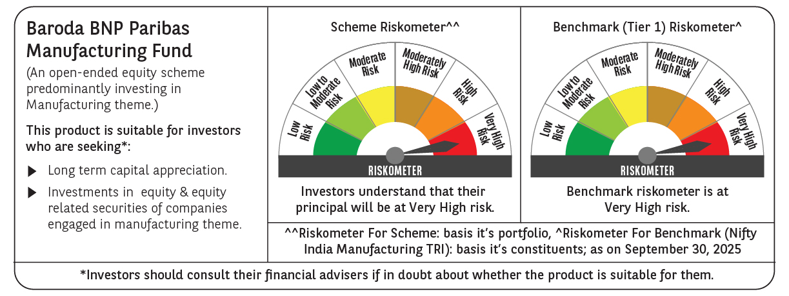

 | Monthly Performance Link: https://www.barodabnpparibasmf.in/assets/download_documents/Performance_of_Schemes_September_14618.pdf

