T0ME37
 | Baroda BNP Paribas Manufacturing Fund

 | Monthly Portfolio Statement as on October 31, 2025
 | Name of the Instrument | ISIN | Industry / Rating | Quantity | Market/Fair Value (Rs. in Lakhs) | % to Net Assets | YTM~ | YTC^ | null
 | Equity & Equity related
 | (a) Listed / awaiting listing on Stock Exchanges
RIND01 | Reliance Industries Limited | INE002A01018 | Petroleum Products | 540,000 | 8,026.56 | 7.28%
DIVI02 | Divi's Laboratories Limited | INE361B01024 | Pharmaceuticals & Biotechnology | 103,500 | 6,973.83 | 6.33%
MAHI02 | Mahindra & Mahindra Limited | INE101A01026 | Automobiles | 144,000 | 5,021.57 | 4.56%
ABBP01 | Hitachi Energy India Limited | INE07Y701011 | Electrical Equipment | 27,000 | 4,800.06 | 4.35%
MAUD01 | Maruti Suzuki India Limited | INE585B01010 | Automobiles | 22,500 | 3,641.85 | 3.30%
SESA02 | Vedanta Limited | INE205A01025 | Diversified Metals | 675,000 | 3,331.46 | 3.02%
ASPH02 | AstraZeneca Pharma India Limited | INE203A01020 | Pharmaceuticals & Biotechnology | 33,300 | 3,181.82 | 2.89%
ESCO01 | Escorts Kubota Limited | INE042A01014 | Agricultural, Commercial & Construction Vehicles | 81,000 | 3,067.07 | 2.78%
HERO02 | Hero MotoCorp Limited | INE158A01026 | Automobiles | 54,000 | 2,993.76 | 2.72%
BHAH02 | Bharat Heavy Electricals Limited | INE257A01026 | Electrical Equipment | 1,080,000 | 2,867.29 | 2.60%
SAEL02 | TVS Motor Company Limited | INE494B01023 | Automobiles | 81,000 | 2,842.05 | 2.58%
MOTI02 | Bosch Limited | INE323A01026 | Auto Components | 7,470 | 2,782.20 | 2.52%
BPCL01 | Bharat Petroleum Corporation Limited | INE029A01011 | Petroleum Products | 720,000 | 2,568.96 | 2.33%
SPIL03 | Sun Pharmaceutical Industries Limited | INE044A01036 | Pharmaceuticals & Biotechnology | 135,000 | 2,282.45 | 2.07%
SUMI01 | Sumitomo Chemical India Limited | INE258G01013 | Fertilizers & Agrochemicals | 450,000 | 2,259.90 | 2.05%
BOCL01 | Linde India Limited | INE473A01011 | Chemicals & Petrochemicals | 36,000 | 2,164.86 | 1.96%
CIPL03 | Cipla Limited | INE059A01026 | Pharmaceuticals & Biotechnology | 144,000 | 2,161.87 | 1.96%
HYUN01 | Hyundai Motor India Ltd | INE0V6F01027 | Automobiles | 81,000 | 1,975.35 | 1.79%
KCUL02 | Cummins India Limited | INE298A01020 | Industrial Products | 45,000 | 1,954.85 | 1.77%
BHEL02 | Bharat Electronics Limited | INE263A01024 | Aerospace & Defense | 450,000 | 1,917.45 | 1.74%
WABT01 | ZF Commercial Vehicle Control Systems India Limited | INE342J01019 | Auto Components | 15,300 | 1,900.87 | 1.72%
DRRL03 | Dr. Reddy's Laboratories Limited | INE089A01031 | Pharmaceuticals & Biotechnology | 153,000 | 1,832.33 | 1.66%
LARS02 | Larsen & Toubro Limited | INE018A01030 | Construction | 45,000 | 1,813.91 | 1.65%
NACL03 | National Aluminium Company Limited | INE139A01034 | Non - Ferrous Metals | 720,000 | 1,685.81 | 1.53%
INGE01 | Ingersoll Rand (India) Limited | INE177A01018 | Industrial Products | 43,419 | 1,659.26 | 1.51%
SOKO03 | Jtekt India Limited | INE643A01035 | Auto Components | 1,044,000 | 1,620.81 | 1.47%
SIEM02 | Siemens Limited | INE003A01024 | Electrical Equipment | 51,300 | 1,588.40 | 1.44%
LGEL01 | LG Electronics India Ltd | INE324D01010 | Consumer Durables | 90,000 | 1,497.24 | 1.36%
KSPL02 | KSB Limited | INE999A01023 | Industrial Products | 189,000 | 1,494.33 | 1.36%
ICEM01 | The India Cements Limited | INE383A01012 | Cement & Cement Products | 360,000 | 1,448.46 | 1.31%
PRRC03 | Navin Fluorine International Limited | INE048G01026 | Chemicals & Petrochemicals | 25,200 | 1,433.22 | 1.30%
BHFO02 | Bharat Forge Limited | INE465A01025 | Auto Components | 108,000 | 1,430.68 | 1.30%
NAYV01 | NLC India Limited | INE589A01014 | Power | 540,000 | 1,416.42 | 1.28%
IPCA03 | IPCA Laboratories Limited | INE571A01038 | Pharmaceuticals & Biotechnology | 108,000 | 1,372.90 | 1.25%
BHAE01 | BEML Limited | INE258A01016 | Agricultural, Commercial & Construction Vehicles | 30,600 | 1,346.34 | 1.22%
PIDI02 | Pidilite Industries Limited | INE318A01026 | Chemicals & Petrochemicals | 90,000 | 1,300.14 | 1.18%
AEVO01 | Aegis Vopak Terminals Limited | INE0INX01018 | Oil | 450,000 | 1,255.28 | 1.14%
JVSL04 | JSW Steel Limited | INE019A01038 | Ferrous Metals | 104,000 | 1,254.24 | 1.14%
BASF01 | BASF India Limited | INE373A01013 | Chemicals & Petrochemicals | 27,000 | 1,191.24 | 1.08%
ASEA02 | ABB India Limited | INE117A01022 | Electrical Equipment | 22,500 | 1,174.50 | 1.07%
MAGL01 | Mahanagar Gas Limited | INE002S01010 | Gas | 90,000 | 1,149.21 | 1.04%
KEWI01 | Kennametal India Limited | INE717A01029 | Industrial Manufacturing | 54,000 | 1,126.33 | 1.02%
NAPH02 | Natco Pharma Limited | INE987B01026 | Pharmaceuticals & Biotechnology | 135,000 | 1,106.87 | 1.00%
HALT02 | Hindustan Aeronautics Limited | INE066F01020 | Aerospace & Defense | 23,400 | 1,095.07 | 0.99%
BIRM01 | 3M India Limited | INE470A01017 | Diversified | 3,600 | 1,064.16 | 0.97%
SCDL01 | Sundaram Clayton Limited | INE0Q3R01026 | Auto Components | 50,400 | 753.28 | 0.68%
JSWC01 | JSW Cement Limited | INE718I01012 | Cement & Cement Products | 540,000 | 736.78 | 0.67%
PFIZ01 | Pfizer Limited | INE182A01018 | Pharmaceuticals & Biotechnology | 13,320 | 693.84 | 0.63%
SKFB02 | SKF India Limited | INE640A01023 | Auto Components | 31,500 | 674.35 | 0.61%
SKFI01 | SKF India (Industrial) Ltd ** | INE2J8701016 | Industrial Products | 31,500 | 853.15 | 0.77%
SAEL21PS | TVS Motor Company Limited (Preference Share) ** | INE494B04019 | Automobiles | 180,000 | 18.16 | 0.02%
 | Sub Total |  |  |  | 105,802.79 | 95.97%
 | (b) Unlisted |  |  |  | NIL | NIL
 | Sub Total |  |  |  | NIL | NIL
 | Total |  |  |  | 105,802.79 | 95.97%
 | Money Market Instruments
 | Treasury Bill
TBIL2487 | 364 Days Tbill (MD 19/03/2026) | IN002024Z495 | Sovereign | 1,500,000 | 1,469.48 | 1.33% | 5.49%
TBIL2450 | 364 Days Tbill (MD 18/12/2025) | IN002024Z362 | Sovereign | 1,000,000 | 993.07 | 0.90% | 5.42%
 | Sub Total |  |  |  | 2,462.55 | 2.23%
 | Total |  |  |  | 2,462.55 | 2.23%
 | Reverse Repo / TREPS
TRP_031125 | Clearing Corporation of India Ltd |  |  |  | 2,701.95 | 2.45% | 5.59%
 | Sub Total |  |  |  | 2,701.95 | 2.45%
 | Total |  |  |  | 2,701.95 | 2.45%
 | Net Receivables / (Payables) |  |  |  | (728.13) | (0.65)%
 | GRAND TOTAL |  |  |  | 110,239.16 | 100.00%

 | ** Thinly Traded / Non Traded Security
 | ~ YTM as on October 31, 2025
 | ^ YTC represents Yield to Call provided by valuation agencies as on October 31, 2025. It is disclosed for Perpetual Bond issued by Banks (i.e. AT-1 Bond / Tier 1 Bond / Tier 2 Bond), as per AMFI Best Practices Guidelines Circular no. 135/BP/91/2020-21 read with SEBI circular No. SEBI/HO/IMD/DF4/CIR/P/2021/034 on Valuation of AT-1 Bonds and Tier 2 Bonds.

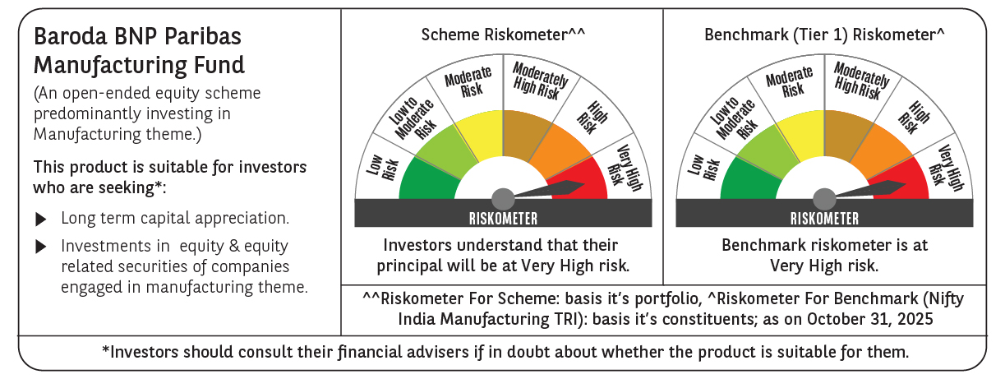

 | Monthly Performance Link: https://www.barodabnpparibasmf.in/assets/download_documents/Performance_of_Schemes-October_2025_15267.pdf

