T0ME37
 | Baroda BNP Paribas Manufacturing Fund

 | Monthly Portfolio Statement as on November 30, 2025
 | Name of the Instrument | ISIN | Industry / Rating | Quantity | Market/Fair Value (Rs. in Lakhs) | % to Net Assets | YTM~ | YTC^ | null
 | Equity & Equity related
 | (a) Listed / awaiting listing on Stock Exchanges
RIND01 | Reliance Industries Limited | INE002A01018 | Petroleum Products | 441,000 | 6,912.68 | 6.70%
DIVI02 | Divi's Laboratories Limited | INE361B01024 | Pharmaceuticals & Biotechnology | 90,000 | 5,829.30 | 5.65%
ABBP01 | Hitachi Energy India Limited | INE07Y701011 | Electrical Equipment | 26,100 | 5,756.62 | 5.58%
MAHI02 | Mahindra & Mahindra Limited | INE101A01026 | Automobiles | 117,000 | 4,396.04 | 4.26%
SESA02 | Vedanta Limited | INE205A01025 | Diversified Metals | 630,000 | 3,313.80 | 3.21%
MAUD01 | Maruti Suzuki India Limited | INE585B01010 | Automobiles | 19,800 | 3,148.20 | 3.05%
BHAH02 | Bharat Heavy Electricals Limited | INE257A01026 | Electrical Equipment | 1,080,000 | 3,141.18 | 3.05%
ASPH02 | AstraZeneca Pharma India Limited | INE203A01020 | Pharmaceuticals & Biotechnology | 33,300 | 3,004.99 | 2.91%
SAEL02 | TVS Motor Company Limited | INE494B01023 | Automobiles | 81,000 | 2,860.52 | 2.77%
ESCO01 | Escorts Kubota Limited | INE042A01014 | Agricultural, Commercial & Construction Vehicles | 72,000 | 2,748.53 | 2.66%
HERO02 | Hero MotoCorp Limited | INE158A01026 | Automobiles | 40,500 | 2,500.67 | 2.42%
BPCL01 | Bharat Petroleum Corporation Limited | INE029A01011 | Petroleum Products | 657,000 | 2,359.29 | 2.29%
SPIL03 | Sun Pharmaceutical Industries Limited | INE044A01036 | Pharmaceuticals & Biotechnology | 117,000 | 2,142.97 | 2.08%
SUMI01 | Sumitomo Chemical India Limited | INE258G01013 | Fertilizers & Agrochemicals | 450,000 | 2,097.00 | 2.03%
JVSL04 | JSW Steel Limited | INE019A01038 | Ferrous Metals | 180,000 | 2,088.54 | 2.03%
BOCL01 | Linde India Limited | INE473A01011 | Chemicals & Petrochemicals | 35,000 | 2,088.10 | 2.02%
CIPL03 | Cipla Limited | INE059A01026 | Pharmaceuticals & Biotechnology | 126,000 | 1,929.44 | 1.87%
LARS02 | Larsen & Toubro Limited | INE018A01030 | Construction | 45,000 | 1,831.32 | 1.78%
KCUL02 | Cummins India Limited | INE298A01020 | Industrial Products | 40,500 | 1,814.12 | 1.76%
DRRL03 | Dr. Reddy's Laboratories Limited | INE089A01031 | Pharmaceuticals & Biotechnology | 144,000 | 1,812.67 | 1.76%
MOTI02 | Bosch Limited | INE323A01026 | Auto Components | 5,000 | 1,805.50 | 1.75%
WABT01 | ZF Commercial Vehicle Control Systems India Limited | INE342J01019 | Auto Components | 13,329 | 1,759.96 | 1.71%
NACL03 | National Aluminium Company Limited | INE139A01034 | Non - Ferrous Metals | 657,000 | 1,708.07 | 1.66%
HYUN01 | Hyundai Motor India Ltd | INE0V6F01027 | Automobiles | 72,000 | 1,674.72 | 1.62%
SOKO03 | Jtekt India Limited | INE643A01035 | Auto Components | 1,044,000 | 1,637.93 | 1.59%
TMLC01 | Tata Motors Ltd | INE1TAE01010 | Agricultural, Commercial & Construction Vehicles | 450,000 | 1,584.00 | 1.54%
IPCA03 | IPCA Laboratories Limited | INE571A01038 | Pharmaceuticals & Biotechnology | 108,000 | 1,569.35 | 1.52%
LGEL01 | LG Electronics India Ltd | INE324D01010 | Consumer Durables | 90,000 | 1,493.37 | 1.45%
SIEM02 | Siemens Limited | INE003A01024 | Electrical Equipment | 45,000 | 1,483.65 | 1.44%
BHEL02 | Bharat Electronics Limited | INE263A01024 | Aerospace & Defense | 342,000 | 1,408.19 | 1.37%
KSPL02 | KSB Limited | INE999A01023 | Industrial Products | 182,000 | 1,397.49 | 1.36%
PRRC03 | Navin Fluorine International Limited | INE048G01026 | Chemicals & Petrochemicals | 24,300 | 1,393.73 | 1.35%
PIDI02 | Pidilite Industries Limited | INE318A01026 | Chemicals & Petrochemicals | 90,000 | 1,322.82 | 1.28%
NAYV01 | NLC India Limited | INE589A01014 | Power | 540,000 | 1,313.28 | 1.27%
BHFO02 | Bharat Forge Limited | INE465A01025 | Auto Components | 90,000 | 1,290.42 | 1.25%
KEWI01 | Kennametal India Limited | INE717A01029 | Industrial Manufacturing | 56,147 | 1,232.60 | 1.20%
INGE01 | Ingersoll Rand (India) Limited | INE177A01018 | Industrial Products | 32,400 | 1,209.65 | 1.17%
ASEA02 | ABB India Limited | INE117A01022 | Electrical Equipment | 22,500 | 1,164.38 | 1.13%
HALT02 | Hindustan Aeronautics Limited | INE066F01020 | Aerospace & Defense | 23,400 | 1,062.92 | 1.03%
ICEM01 | The India Cements Limited | INE383A01012 | Cement & Cement Products | 270,000 | 1,060.56 | 1.03%
BIRM01 | 3M India Limited | INE470A01017 | Diversified | 2,970 | 1,034.75 | 1.00%
AEVO01 | Aegis Vopak Terminals Limited | INE0INX01018 | Oil | 387,000 | 1,008.33 | 0.98%
BHAE02 | BEML Limited | INE258A01024 | Agricultural, Commercial & Construction Vehicles | 54,000 | 987.12 | 0.96%
BASF01 | BASF India Limited | INE373A01013 | Chemicals & Petrochemicals | 20,969 | 871.64 | 0.85%
TENN01 | Tenneco Clean Air India Limited | INE19RI01016 | Auto Components | 180,000 | 871.11 | 0.84%
JSWC01 | JSW Cement Limited | INE718I01012 | Cement & Cement Products | 630,000 | 722.86 | 0.70%
PFIZ01 | Pfizer Limited | INE182A01018 | Pharmaceuticals & Biotechnology | 13,320 | 662.67 | 0.64%
SKFB02 | SKF India Limited | INE640A01023 | Auto Components | 31,500 | 603.41 | 0.59%
SCDL01 | Sundaram Clayton Limited | INE0Q3R01026 | Auto Components | 41,435 | 547.31 | 0.53%
SKFI01 | SKF India (Industrial) Ltd ** | INE2J8701016 | Industrial Products | 31,500 | 853.15 | 0.83%
SAEL21PS | TVS Motor Company Limited (Non Convertible Preference Share) ** | INE494B04019 | Automobiles | 180,000 | 18.25 | 0.02%
 | Sub Total |  |  |  | 98,529.17 | 95.54%
 | (b) Unlisted |  |  |  | NIL | NIL
 | Sub Total |  |  |  | NIL | NIL
 | Total |  |  |  | 98,529.17 | 95.54%
 | Money Market Instruments
 | Treasury Bill
TBIL2487 | 364 Days Tbill (MD 19/03/2026) | IN002024Z495 | Sovereign | 1,500,000 | 1,476.55 | 1.43% | 5.37%
TBIL2450 | 364 Days Tbill (MD 18/12/2025) | IN002024Z362 | Sovereign | 1,000,000 | 997.55 | 0.97% | 5.28%
 | Sub Total |  |  |  | 2,474.10 | 2.40%
 | Total |  |  |  | 2,474.10 | 2.40%
 | Reverse Repo / TREPS
TRP_011225 | Clearing Corporation of India Ltd |  |  |  | 2,982.30 | 2.89% | 5.43%
 | Sub Total |  |  |  | 2,982.30 | 2.89%
 | Total |  |  |  | 2,982.30 | 2.89%
 | Net Receivables / (Payables) |  |  |  | (851.14) | (0.83)%
 | GRAND TOTAL |  |  |  | 103,134.43 | 100.00%

 | ** Thinly Traded / Non Traded Security
 | ~ YTM as on November 30, 2025
 | ^ YTC represents Yield to Call provided by valuation agencies as on November 30, 2025. It is disclosed for Perpetual Bond issued by Banks (i.e. AT-1 Bond / Tier 1 Bond / Tier 2 Bond), as per AMFI Best Practices Guidelines Circular no. 135/BP/91/2020-21 read with SEBI circular No. SEBI/HO/IMD/DF4/CIR/P/2021/034 on Valuation of AT-1 Bonds and Tier 2 Bonds.

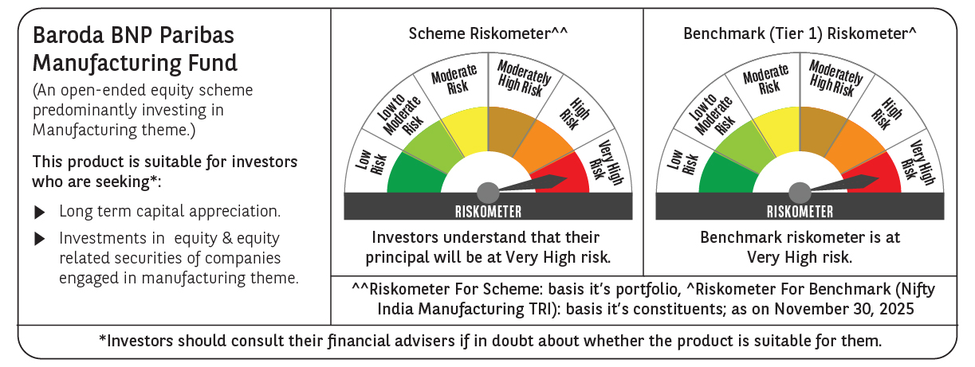

 | Monthly Performance Link: https://www.barodabnpparibasmf.in/assets/download_documents/Performance_of_Schemes_Nov-2025_15612.pdf

