T0ME37
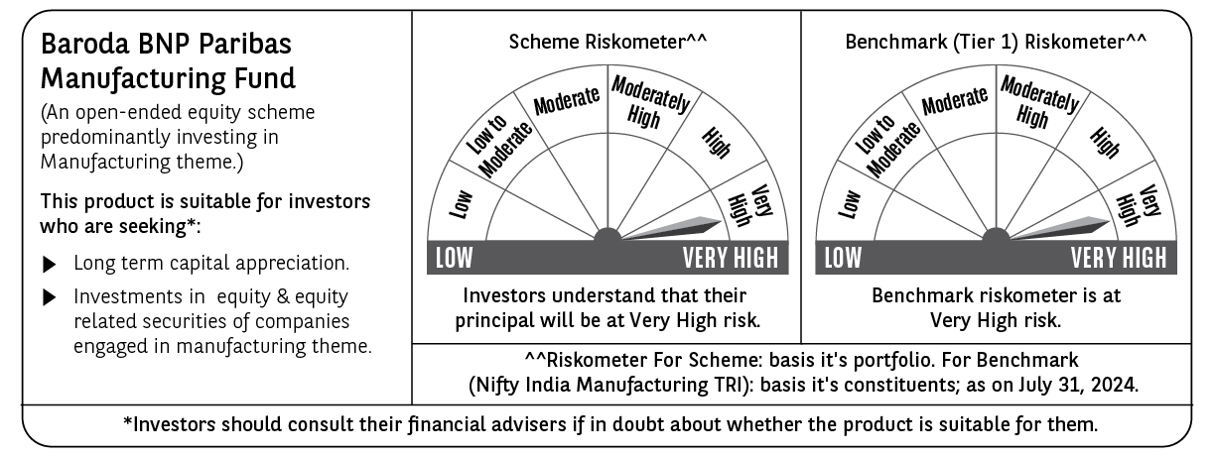
 | Baroda BNP Paribas Manufacturing Fund

 | Monthly Portfolio Statement as on July 31, 2024
 | Name of the Instrument | ISIN | Industry / Rating | Quantity | Market/Fair Value (Rs. in Lakhs) | % to Net Assets | YTM~ | YTC^ | null
 | Equity & Equity related
 | (a) Listed / awaiting listing on Stock Exchanges
RIND01 | Reliance Industries Limited | INE002A01018 | Petroleum Products | 410,000 | 12,344.49 | 8.03%
DIVI02 | Divi's Laboratories Limited | INE361B01024 | Pharmaceuticals & Biotechnology | 180,000 | 8,861.76 | 5.76%
SPIL03 | Sun Pharmaceutical Industries Limited | INE044A01036 | Pharmaceuticals & Biotechnology | 450,000 | 7,737.08 | 5.03%
TELC03 | Tata Motors Limited | INE155A01022 | Automobiles | 585,000 | 6,766.40 | 4.40%
MAUD01 | Maruti Suzuki India Limited | INE585B01010 | Automobiles | 46,000 | 6,033.27 | 3.92%
MAHI02 | Mahindra & Mahindra Limited | INE101A01026 | Automobiles | 183,000 | 5,321.27 | 3.46%
MOTI02 | Bosch Limited | INE323A01026 | Auto Components | 14,400 | 5,036.90 | 3.28%
HERO02 | Hero MotoCorp Limited | INE158A01026 | Automobiles | 87,500 | 4,802.39 | 3.12%
ULCC01 | UltraTech Cement Limited | INE481G01011 | Cement & Cement Products | 40,000 | 4,754.88 | 3.09%
TISC03 | Tata Steel Limited | INE081A01020 | Ferrous Metals | 2,420,000 | 4,000.99 | 2.60%
COAL01 | Coal India Limited | INE522F01014 | Consumable Fuels | 720,000 | 3,759.84 | 2.44%
DRRL02 | Dr. Reddy's Laboratories Limited | INE089A01023 | Pharmaceuticals & Biotechnology | 51,200 | 3,456.26 | 2.25%
ESCO01 | Escorts Kubota Limited | INE042A01014 | Agricultural, Commercial & Construction Vehicles | 82,500 | 3,443.06 | 2.24%
BHEL02 | Bharat Electronics Limited | INE263A01024 | Aerospace & Defense | 1,020,000 | 3,223.71 | 2.10%
ONGC02 | Oil & Natural Gas Corporation Limited | INE213A01029 | Oil | 948,500 | 3,169.89 | 2.06%
BHAH02 | Bharat Heavy Electricals Limited | INE257A01026 | Electrical Equipment | 990,000 | 3,120.98 | 2.03%
DHAN02 | Dhanuka Agritech Limited | INE435G01025 | Fertilizers & Agrochemicals | 180,000 | 3,116.43 | 2.03%
BPCL01 | Bharat Petroleum Corporation Limited | INE029A01011 | Petroleum Products | 835,000 | 2,922.92 | 1.90%
MAGL01 | Mahanagar Gas Limited | INE002S01010 | Gas | 147,000 | 2,748.24 | 1.79%
ABBP01 | Hitachi Energy India Limited | INE07Y701011 | Electrical Equipment | 22,500 | 2,611.60 | 1.70%
CIPL03 | Cipla Limited | INE059A01026 | Pharmaceuticals & Biotechnology | 167,500 | 2,586.70 | 1.68%
JYCN01 | Jyoti CNC Automation Ltd | INE980O01024 | Industrial Manufacturing | 223,648 | 2,551.15 | 1.66%
AMRA03 | Amara Raja Energy & Mobility Ltd | INE885A01032 | Auto Components | 153,000 | 2,488.24 | 1.62%
BASF01 | BASF India Limited | INE373A01013 | Chemicals & Petrochemicals | 38,700 | 2,414.28 | 1.57%
TEGA01 | Tega Industries Limited | INE011K01018 | Industrial Manufacturing | 124,700 | 2,381.21 | 1.55%
BIRM01 | 3M India Limited | INE470A01017 | Diversified | 5,850 | 2,298.22 | 1.49%
NACL03 | National Aluminium Company Limited | INE139A01034 | Non - Ferrous Metals | 1,170,000 | 2,272.37 | 1.48%
ASPH02 | AstraZeneca Pharma India Limited | INE203A01020 | Pharmaceuticals & Biotechnology | 31,500 | 2,216.48 | 1.44%
BOCL01 | Linde India Limited | INE473A01011 | Chemicals & Petrochemicals | 27,000 | 2,203.75 | 1.43%
WABT01 | ZF Commercial Vehicle Control Systems India Limited | INE342J01019 | Auto Components | 13,500 | 2,137.37 | 1.39%
SKFB02 | SKF India Limited | INE640A01023 | Industrial Products | 36,000 | 2,017.22 | 1.31%
MCSP02 | United Spirits Limited | INE854D01024 | Beverages | 135,000 | 1,907.96 | 1.24%
LARS02 | Larsen & Toubro Limited | INE018A01030 | Construction | 50,000 | 1,907.50 | 1.24%
KCUL02 | Cummins India Limited | INE298A01020 | Industrial Products | 49,500 | 1,906.91 | 1.24%
SUMI01 | Sumitomo Chemical India Limited | INE258G01013 | Fertilizers & Agrochemicals | 360,000 | 1,867.50 | 1.21%
GRIN02 | Grindwell Norton Limited | INE536A01023 | Industrial Products | 70,860 | 1,834.25 | 1.19%
IPCA03 | IPCA Laboratories Limited | INE571A01038 | Pharmaceuticals & Biotechnology | 135,000 | 1,765.73 | 1.15%
PGCI01 | Power Grid Corporation of India Limited | INE752E01010 | Power | 500,000 | 1,741.00 | 1.13%
KSPL02 | KSB Limited | INE999A01023 | Industrial Products | 180,000 | 1,730.97 | 1.13%
TAHO01 | Honeywell Automation India Limited | INE671A01010 | Industrial Manufacturing | 3,150 | 1,715.39 | 1.12%
KEWI01 | Kennametal India Limited | INE717A01029 | Industrial Manufacturing | 48,600 | 1,647.03 | 1.07%
SOKO03 | Jtekt India Limited | INE643A01035 | Auto Components | 765,000 | 1,639.78 | 1.07%
GUOL01 | Gulf Oil Lubricants India Limited | INE635Q01029 | Petroleum Products | 135,000 | 1,629.45 | 1.06%
NAYV01 | NLC India Limited | INE589A01014 | Power | 540,000 | 1,554.44 | 1.01%
MSUW01 | Motherson Sumi Wiring India Limited | INE0FS801015 | Auto Components | 2,000,000 | 1,477.20 | 0.96%
SAEL02 | TVS Motor Company Limited | INE494B01023 | Automobiles | 35,000 | 885.85 | 0.58%
VORL03 | Vinati Organics Limited | INE410B01037 | Chemicals & Petrochemicals | 16,000 | 353.02 | 0.23%
INGE01 | Ingersoll Rand (India) Limited | INE177A01018 | Industrial Products | 5,000 | 220.58 | 0.14%
 | Sub Total |  |  |  | 148,583.91 | 96.62%
 | (b) Unlisted |  |  |  | NIL | NIL
 | Sub Total |  |  |  | NIL | NIL
 | Total |  |  |  | 148,583.91 | 96.62%
 | Money Market Instruments
 | Treasury Bill
TBIL2323 | 364 Days Tbill (MD 13/02/2025) | IN002023Z489 | Sovereign | 2,500,000 | 2,412.30 | 1.57% | 6.77%
 | Sub Total |  |  |  | 2,412.30 | 1.57%
 | Total |  |  |  | 2,412.30 | 1.57%
 | Reverse Repo / TREPS
TRP_010824 | Clearing Corporation of India Ltd |  |  |  | 2,679.50 | 1.74% | 6.42%
 | Sub Total |  |  |  | 2,679.50 | 1.74%
 | Total |  |  |  | 2,679.50 | 1.74%
 | Net Receivables / (Payables) |  |  |  | 111.63 | 0.07%
 | GRAND TOTAL |  |  |  | 153,787.34 | 100.00%

 | ~ YTM as on July 31, 2024
 | ^ YTC represents Yield to Call provided by valuation agencies as on July 31, 2024. It is disclosed for Perpetual Bond issued by Banks (i.e. AT-1 Bond / Tier 1 Bond / Tier 2 Bond), as per AMFI Best Practices Guidelines Circular no. 135/BP/91/2020-21 read with SEBI circular No. SEBI/HO/IMD/DF4/CIR/P/2021/034 on Valuation of AT-1 Bonds and Tier 2 Bonds.

