T0ME37
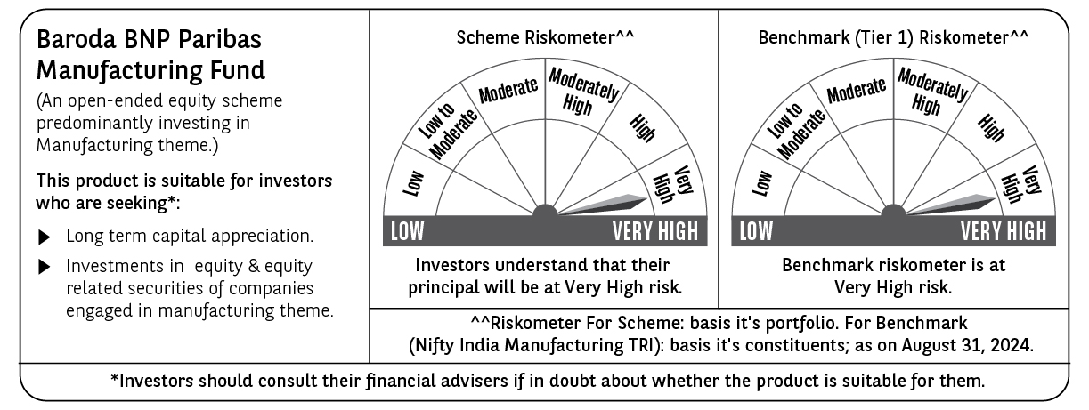
 | Baroda BNP Paribas Manufacturing Fund

 | Monthly Portfolio Statement as on August 31, 2024
 | Name of the Instrument | ISIN | Industry / Rating | Quantity | Market/Fair Value (Rs. in Lakhs) | % to Net Assets | YTM~ | YTC^ | null
 | Equity & Equity related
 | (a) Listed / awaiting listing on Stock Exchanges
RIND01 | Reliance Industries Limited | INE002A01018 | Petroleum Products | 410,000 | 12,378.93 | 8.16%
DIVI02 | Divi's Laboratories Limited | INE361B01024 | Pharmaceuticals & Biotechnology | 180,000 | 9,169.02 | 6.04%
SPIL03 | Sun Pharmaceutical Industries Limited | INE044A01036 | Pharmaceuticals & Biotechnology | 405,000 | 7,377.68 | 4.86%
TELC03 | Tata Motors Limited | INE155A01022 | Automobiles | 585,000 | 6,501.40 | 4.28%
MAHI02 | Mahindra & Mahindra Limited | INE101A01026 | Automobiles | 180,000 | 5,049.72 | 3.33%
MAUD01 | Maruti Suzuki India Limited | INE585B01010 | Automobiles | 40,500 | 5,023.22 | 3.31%
HERO02 | Hero MotoCorp Limited | INE158A01026 | Automobiles | 87,500 | 4,773.48 | 3.15%
MOTI02 | Bosch Limited | INE323A01026 | Auto Components | 14,400 | 4,664.10 | 3.07%
TISC03 | Tata Steel Limited | INE081A01020 | Ferrous Metals | 2,420,000 | 3,696.79 | 2.44%
DRRL02 | Dr. Reddy's Laboratories Limited | INE089A01023 | Pharmaceuticals & Biotechnology | 51,200 | 3,600.05 | 2.37%
DHAN02 | Dhanuka Agritech Limited | INE435G01025 | Fertilizers & Agrochemicals | 180,000 | 3,286.62 | 2.17%
ESCO01 | Escorts Kubota Limited | INE042A01014 | Agricultural, Commercial & Construction Vehicles | 82,500 | 3,179.47 | 2.10%
BPCL01 | Bharat Petroleum Corporation Limited | INE029A01011 | Petroleum Products | 855,000 | 3,057.91 | 2.02%
BHAH02 | Bharat Heavy Electricals Limited | INE257A01026 | Electrical Equipment | 990,000 | 2,876.45 | 1.90%
BHEL02 | Bharat Electronics Limited | INE263A01024 | Aerospace & Defense | 954,000 | 2,855.32 | 1.88%
CIPL03 | Cipla Limited | INE059A01026 | Pharmaceuticals & Biotechnology | 172,000 | 2,846.43 | 1.88%
JYCN01 | Jyoti CNC Automation Ltd | INE980O01024 | Industrial Manufacturing | 223,648 | 2,778.04 | 1.83%
MAGL01 | Mahanagar Gas Limited | INE002S01010 | Gas | 144,000 | 2,580.62 | 1.70%
ABBP01 | Hitachi Energy India Limited | INE07Y701011 | Electrical Equipment | 21,150 | 2,558.10 | 1.69%
BASF01 | BASF India Limited | INE373A01013 | Chemicals & Petrochemicals | 38,700 | 2,551.34 | 1.68%
ULCC01 | UltraTech Cement Limited | INE481G01011 | Cement & Cement Products | 22,500 | 2,542.93 | 1.68%
AMRA03 | Amara Raja Energy & Mobility Ltd | INE885A01032 | Auto Components | 153,000 | 2,327.51 | 1.53%
ASPH02 | AstraZeneca Pharma India Limited | INE203A01020 | Pharmaceuticals & Biotechnology | 34,200 | 2,252.63 | 1.48%
NACL03 | National Aluminium Company Limited | INE139A01034 | Non - Ferrous Metals | 1,170,000 | 2,136.42 | 1.41%
TEGA01 | Tega Industries Limited | INE011K01018 | Industrial Manufacturing | 124,700 | 2,128.69 | 1.40%
WABT01 | ZF Commercial Vehicle Control Systems India Limited | INE342J01019 | Auto Components | 13,500 | 2,101.66 | 1.38%
BIRM01 | 3M India Limited | INE470A01017 | Diversified | 5,850 | 2,086.32 | 1.37%
KCUL02 | Cummins India Limited | INE298A01020 | Industrial Products | 54,000 | 2,022.14 | 1.33%
MCSP02 | United Spirits Limited | INE854D01024 | Beverages | 135,000 | 1,990.37 | 1.31%
BOCL01 | Linde India Limited | INE473A01011 | Chemicals & Petrochemicals | 27,000 | 1,950.83 | 1.29%
GUOL01 | Gulf Oil Lubricants India Limited | INE635Q01029 | Petroleum Products | 135,000 | 1,911.20 | 1.26%
SKFB02 | SKF India Limited | INE640A01023 | Industrial Products | 36,000 | 1,900.51 | 1.25%
IPCA03 | IPCA Laboratories Limited | INE571A01038 | Pharmaceuticals & Biotechnology | 135,000 | 1,869.28 | 1.23%
SUMI01 | Sumitomo Chemical India Limited | INE258G01013 | Fertilizers & Agrochemicals | 360,000 | 1,840.86 | 1.21%
GRIN02 | Grindwell Norton Limited | INE536A01023 | Industrial Products | 70,860 | 1,729.34 | 1.14%
COAL01 | Coal India Limited | INE522F01014 | Consumable Fuels | 324,000 | 1,700.84 | 1.12%
KSPL02 | KSB Limited | INE999A01023 | Industrial Products | 180,000 | 1,671.30 | 1.10%
TAHO01 | Honeywell Automation India Limited | INE671A01010 | Industrial Manufacturing | 3,150 | 1,605.52 | 1.06%
MSUW01 | Motherson Sumi Wiring India Limited | INE0FS801015 | Auto Components | 2,250,000 | 1,584.68 | 1.04%
KEWI01 | Kennametal India Limited | INE717A01029 | Industrial Manufacturing | 49,500 | 1,550.79 | 1.02%
NAYV01 | NLC India Limited | INE589A01014 | Power | 540,000 | 1,485.54 | 0.98%
INGE01 | Ingersoll Rand (India) Limited | INE177A01018 | Industrial Products | 35,100 | 1,481.33 | 0.98%
SOKO03 | Jtekt India Limited | INE643A01035 | Auto Components | 864,000 | 1,475.45 | 0.97%
VORL03 | Vinati Organics Limited | INE410B01037 | Chemicals & Petrochemicals | 73,800 | 1,453.82 | 0.96%
SAEL02 | TVS Motor Company Limited | INE494B01023 | Automobiles | 45,000 | 1,265.99 | 0.83%
LARS02 | Larsen & Toubro Limited | INE018A01030 | Construction | 18,000 | 666.84 | 0.44%
 | Sub Total |  |  |  | 137,537.48 | 90.63%
 | (b) Unlisted |  |  |  | NIL | NIL
 | Sub Total |  |  |  | NIL | NIL
 | Total |  |  |  | 137,537.48 | 90.63%
 | Derivatives
 | Index / Stock Futures
DIXOSEP24 | Dixon Technologies (India) Limited September 2024 Future |  |  | 9,000 | 1,189.79 | 0.78%
 | Sub Total |  |  |  | 1,189.79 | 0.78%
 | Total |  |  |  | 1,189.79 | 0.78%
 | Money Market Instruments
 | Treasury Bill
TBIL2323 | 364 Days Tbill (MD 13/02/2025) | IN002023Z489 | Sovereign | 2,500,000 | 2,426.46 | 1.60% | 6.71%
 | Sub Total |  |  |  | 2,426.46 | 1.60%
 | Total |  |  |  | 2,426.46 | 1.60%
 | Reverse Repo / TREPS
TRP_020924 | Clearing Corporation of India Ltd |  |  |  | 7,065.86 | 4.66% | 6.52%
 | Sub Total |  |  |  | 7,065.86 | 4.66%
 | Total |  |  |  | 7,065.86 | 4.66%
 | Net Receivables / (Payables) |  |  |  | 3,534.90 | 2.33%
 | GRAND TOTAL |  |  |  | 151,754.49 | 100.00%

 | ~ YTM as on August 31, 2024
 | ^ YTC represents Yield to Call provided by valuation agencies as on August 31, 2024. It is disclosed for Perpetual Bond issued by Banks (i.e. AT-1 Bond / Tier 1 Bond / Tier 2 Bond), as per AMFI Best Practices Guidelines Circular no. 135/BP/91/2020-21 read with SEBI circular No. SEBI/HO/IMD/DF4/CIR/P/2021/034 on Valuation of AT-1 Bonds and Tier 2 Bonds.
 | Details of Stock Future / Index Future
 | Long/Short | Name of the Instrument | Industry | Quantity. | Market/Fair Value (Rs. in Lacs). | % to NAV.
 | Long | Dixon Technologies | Consumer Durables | 9,000 | 1,189.79 | 0.78%

