Monthly Portfolio
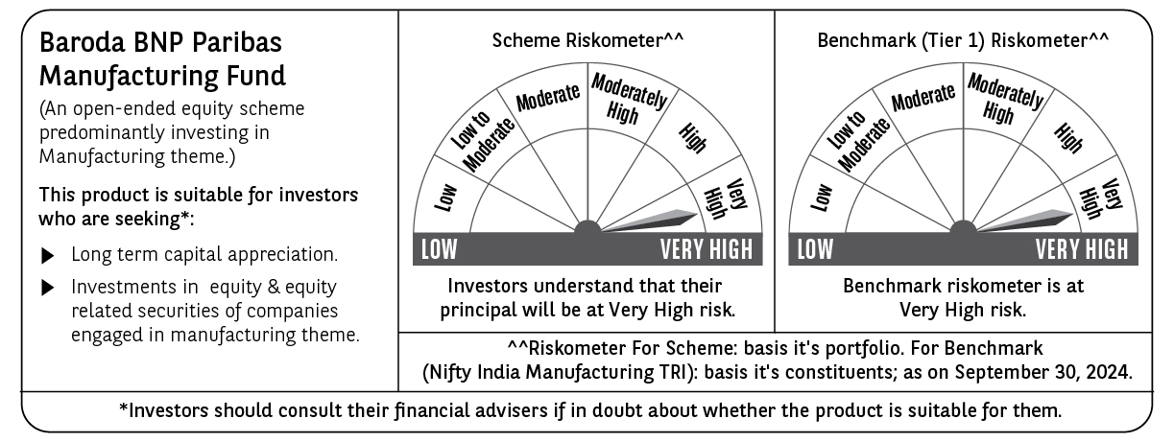
 | Baroda BNP Paribas Manufacturing Fund

 | Monthly Portfolio Statement as on September 30, 2024
 | Name of the Instrument | ISIN | Industry / Rating | Quantity | Market/Fair Value (Rs. in Lakhs) | % to Net Assets | YTM~ | YTC^ | null
 | Equity & Equity related
 | (a) Listed / awaiting listing on Stock Exchanges
RIND01 | Reliance Industries Limited | INE002A01018 | Petroleum Products | 360,000 | 10,631.34 | 6.93%
DIVI02 | Divi's Laboratories Limited | INE361B01024 | Pharmaceuticals & Biotechnology | 180,000 | 9,798.03 | 6.39%
SPIL03 | Sun Pharmaceutical Industries Limited | INE044A01036 | Pharmaceuticals & Biotechnology | 405,000 | 7,803.14 | 5.09%
MOTI02 | Bosch Limited | INE323A01026 | Auto Components | 18,900 | 7,121.31 | 4.64%
TELC03 | Tata Motors Limited | INE155A01022 | Automobiles | 585,000 | 5,701.70 | 3.72%
MAHI02 | Mahindra & Mahindra Limited | INE101A01026 | Automobiles | 180,000 | 5,570.82 | 3.63%
MAUD01 | Maruti Suzuki India Limited | INE585B01010 | Automobiles | 37,800 | 5,003.96 | 3.26%
HERO02 | Hero MotoCorp Limited | INE158A01026 | Automobiles | 87,500 | 4,998.35 | 3.26%
TISC03 | Tata Steel Limited | INE081A01020 | Ferrous Metals | 2,330,000 | 3,927.22 | 2.56%
ESCO01 | Escorts Kubota Limited | INE042A01014 | Agricultural, Commercial & Construction Vehicles | 82,500 | 3,521.76 | 2.30%
DRRL02 | Dr. Reddy's Laboratories Limited | INE089A01023 | Pharmaceuticals & Biotechnology | 51,200 | 3,456.82 | 2.25%
BPCL01 | Bharat Petroleum Corporation Limited | INE029A01011 | Petroleum Products | 855,000 | 3,163.07 | 2.06%
ABBP01 | Hitachi Energy India Limited | INE07Y701011 | Electrical Equipment | 21,150 | 3,076.33 | 2.01%
BASF01 | BASF India Limited | INE373A01013 | Chemicals & Petrochemicals | 38,700 | 2,858.09 | 1.86%
CIPL03 | Cipla Limited | INE059A01026 | Pharmaceuticals & Biotechnology | 172,000 | 2,845.05 | 1.86%
MAGL01 | Mahanagar Gas Limited | INE002S01010 | Gas | 144,000 | 2,794.18 | 1.82%
DHAN02 | Dhanuka Agritech Limited | INE435G01025 | Fertilizers & Agrochemicals | 180,000 | 2,783.61 | 1.82%
BHAH02 | Bharat Heavy Electricals Limited | INE257A01026 | Electrical Equipment | 990,000 | 2,769.03 | 1.81%
ASPH02 | AstraZeneca Pharma India Limited | INE203A01020 | Pharmaceuticals & Biotechnology | 34,200 | 2,725.76 | 1.78%
BHEL02 | Bharat Electronics Limited | INE263A01024 | Aerospace & Defense | 936,000 | 2,668.54 | 1.74%
ULCC01 | UltraTech Cement Limited | INE481G01011 | Cement & Cement Products | 22,500 | 2,655.45 | 1.73%
JYCN01 | Jyoti CNC Automation Ltd | INE980O01024 | Industrial Manufacturing | 222,300 | 2,545.78 | 1.66%
NACL03 | National Aluminium Company Limited | INE139A01034 | Non - Ferrous Metals | 1,170,000 | 2,460.39 | 1.60%
GUOL01 | Gulf Oil Lubricants India Limited | INE635Q01029 | Petroleum Products | 171,000 | 2,366.64 | 1.54%
TEGA01 | Tega Industries Limited | INE011K01018 | Industrial Manufacturing | 124,700 | 2,337.19 | 1.52%
BOCL01 | Linde India Limited | INE473A01011 | Chemicals & Petrochemicals | 27,000 | 2,290.98 | 1.49%
AMRA03 | Amara Raja Energy & Mobility Ltd | INE885A01032 | Auto Components | 153,000 | 2,181.70 | 1.42%
WABT01 | ZF Commercial Vehicle Control Systems India Limited | INE342J01019 | Auto Components | 13,500 | 2,144.87 | 1.40%
KCUL02 | Cummins India Limited | INE298A01020 | Industrial Products | 54,000 | 2,055.27 | 1.34%
IPCA03 | IPCA Laboratories Limited | INE571A01038 | Pharmaceuticals & Biotechnology | 135,000 | 2,022.44 | 1.32%
SUMI01 | Sumitomo Chemical India Limited | INE258G01013 | Fertilizers & Agrochemicals | 360,000 | 2,004.48 | 1.31%
MCSP02 | United Spirits Limited | INE854D01024 | Beverages | 126,000 | 2,003.27 | 1.31%
BIRM01 | 3M India Limited | INE470A01017 | Diversified | 5,850 | 1,979.29 | 1.29%
SKFB02 | SKF India Limited | INE640A01023 | Industrial Products | 35,550 | 1,932.57 | 1.26%
GRIN02 | Grindwell Norton Limited | INE536A01023 | Industrial Products | 70,860 | 1,704.54 | 1.11%
KSPL02 | KSB Limited | INE999A01023 | Industrial Products | 180,000 | 1,618.74 | 1.06%
VORL03 | Vinati Organics Limited | INE410B01037 | Chemicals & Petrochemicals | 76,500 | 1,596.06 | 1.04%
ALLI02 | GE T&D India Limited | INE200A01026 | Electrical Equipment | 94,500 | 1,588.55 | 1.04%
COAL01 | Coal India Limited | INE522F01014 | Consumable Fuels | 306,000 | 1,561.06 | 1.02%
SOKO03 | Jtekt India Limited | INE643A01035 | Auto Components | 882,000 | 1,554.61 | 1.01%
TAHO01 | Honeywell Automation India Limited | INE671A01010 | Industrial Manufacturing | 3,150 | 1,542.85 | 1.01%
KEWI01 | Kennametal India Limited | INE717A01029 | Industrial Manufacturing | 49,500 | 1,492.18 | 0.97%
INGE01 | Ingersoll Rand (India) Limited | INE177A01018 | Industrial Products | 35,550 | 1,474.81 | 0.96%
NAYV01 | NLC India Limited | INE589A01014 | Power | 504,000 | 1,423.80 | 0.93%
SAEL02 | TVS Motor Company Limited | INE494B01023 | Automobiles | 45,000 | 1,277.93 | 0.83%
GSPL01 | Gujarat State Petronet Limited | INE246F01010 | Gas | 270,000 | 1,147.64 | 0.75%
MSUW01 | Motherson Sumi Wiring India Limited | INE0FS801015 | Auto Components | 1,170,000 | 833.27 | 0.54%
BHFL01 | Bajaj Housing Finance Limited | INE377Y01014 | Finance | 91,115 | 140.37 | 0.09%
 | Sub Total |  |  |  | 143,154.84 | 93.34%
 | (b) Unlisted |  |  |  | NIL | NIL
 | Sub Total |  |  |  | NIL | NIL
 | Total |  |  |  | 143,154.84 | 93.34%
 | Derivatives
 | Index / Stock Futures
DIXOOCT24 | Dixon Technologies (India) Limited October 2024 Future |  |  | 9,000 | 1,252.57 | 0.82%
 | Sub Total |  |  |  | 1,252.57 | 0.82%
 | Total |  |  |  | 1,252.57 | 0.82%
 | Money Market Instruments
 | Treasury Bill
TBIL2323 | 364 Days Tbill (MD 13/02/2025) | IN002023Z489 | Sovereign | 2,500,000 | 2,441.13 | 1.59% | 6.52%
 | Sub Total |  |  |  | 2,441.13 | 1.59%
 | Total |  |  |  | 2,441.13 | 1.59%
 | Reverse Repo / TREPS
TRP_011024 | Clearing Corporation of India Ltd |  |  |  | 7,280.22 | 4.75% | 6.65%
 | Sub Total |  |  |  | 7,280.22 | 4.75%
 | Total |  |  |  | 7,280.22 | 4.75%
 | Net Receivables / (Payables) |  |  |  | (809.56) | (0.50)%
 | GRAND TOTAL |  |  |  | 153,319.20 | 100.00%

 | ~ YTM as on September 30, 2024
 | ^ YTC represents Yield to Call provided by valuation agencies as on September 30, 2024. It is disclosed for Perpetual Bond issued by Banks (i.e. AT-1 Bond / Tier 1 Bond / Tier 2 Bond), as per AMFI Best Practices Guidelines Circular no. 135/BP/91/2020-21 read with SEBI circular No. SEBI/HO/IMD/DF4/CIR/P/2021/034 on Valuation of AT-1 Bonds and Tier 2 Bonds.
 | Details of Stock Future / Index Future
 | Long/Short | Name of the Instrument | Industry | Quantity. | Market/Fair Value (Rs. in Lacs). | % to NAV.
 | Long | Dixon Technologies | Consumer Durables | 9,000 | 1,252.57 | 0.82%

