T0ME37
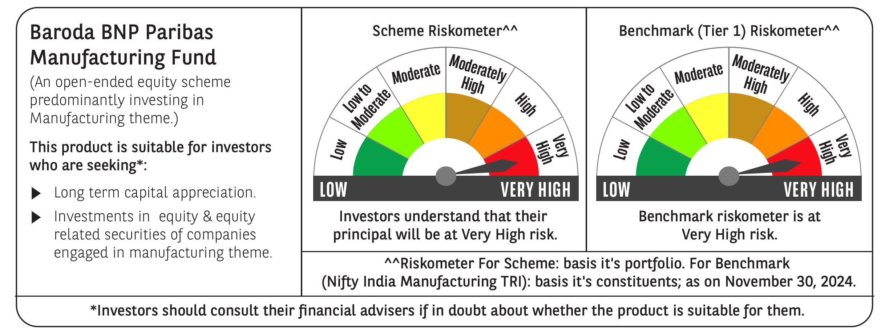
 | Baroda BNP Paribas Manufacturing Fund

 | Monthly Portfolio Statement as on November 30, 2024
 | Name of the Instrument | ISIN | Industry / Rating | Quantity | Market/Fair Value (Rs. in Lakhs) | % to Net Assets | YTM~ | YTC^ | null
 | Equity & Equity related
 | (a) Listed / awaiting listing on Stock Exchanges
DIVI02 | Divi's Laboratories Limited | INE361B01024 | Pharmaceuticals & Biotechnology | 180,000 | 11,110.86 | 7.95%
RIND01 | Reliance Industries Limited | INE002A01018 | Petroleum Products | 720,000 | 9,303.84 | 6.66%
SPIL03 | Sun Pharmaceutical Industries Limited | INE044A01036 | Pharmaceuticals & Biotechnology | 405,000 | 7,212.65 | 5.16%
MOTI02 | Bosch Limited | INE323A01026 | Auto Components | 18,900 | 6,608.61 | 4.73%
MAHI02 | Mahindra & Mahindra Limited | INE101A01026 | Automobiles | 180,000 | 5,338.98 | 3.82%
SESA02 | Vedanta Limited | INE205A01025 | Diversified Metals | 1,026,000 | 4,652.91 | 3.33%
TELC03 | Tata Motors Limited | INE155A01022 | Automobiles | 495,000 | 3,892.93 | 2.79%
HERO02 | Hero MotoCorp Limited | INE158A01026 | Automobiles | 81,000 | 3,856.98 | 2.76%
DRRL03 | Dr. Reddy's Laboratories Limited | INE089A01031 | Pharmaceuticals & Biotechnology | 256,000 | 3,077.89 | 2.20%
MAUD01 | Maruti Suzuki India Limited | INE585B01010 | Automobiles | 27,000 | 2,990.03 | 2.14%
ESCO01 | Escorts Kubota Limited | INE042A01014 | Agricultural, Commercial & Construction Vehicles | 82,500 | 2,931.97 | 2.10%
NACL03 | National Aluminium Company Limited | INE139A01034 | Non - Ferrous Metals | 1,170,000 | 2,833.04 | 2.03%
BHEL02 | Bharat Electronics Limited | INE263A01024 | Aerospace & Defense | 900,000 | 2,772.00 | 1.98%
CIPL03 | Cipla Limited | INE059A01026 | Pharmaceuticals & Biotechnology | 172,000 | 2,638.31 | 1.89%
ABBP01 | Hitachi Energy India Limited | INE07Y701011 | Electrical Equipment | 21,150 | 2,533.46 | 1.81%
JYCN01 | Jyoti CNC Automation Ltd | INE980O01024 | Industrial Manufacturing | 202,773 | 2,518.74 | 1.80%
BPCL01 | Bharat Petroleum Corporation Limited | INE029A01011 | Petroleum Products | 855,000 | 2,497.46 | 1.79%
BHAH02 | Bharat Heavy Electricals Limited | INE257A01026 | Electrical Equipment | 990,000 | 2,485.79 | 1.78%
ASPH02 | AstraZeneca Pharma India Limited | INE203A01020 | Pharmaceuticals & Biotechnology | 34,200 | 2,244.96 | 1.61%
DHAN02 | Dhanuka Agritech Limited | INE435G01025 | Fertilizers & Agrochemicals | 144,000 | 2,184.41 | 1.56%
BASF01 | BASF India Limited | INE373A01013 | Chemicals & Petrochemicals | 36,000 | 2,166.03 | 1.55%
TEGA01 | Tega Industries Limited | INE011K01018 | Industrial Manufacturing | 124,700 | 2,144.65 | 1.53%
IPCA03 | IPCA Laboratories Limited | INE571A01038 | Pharmaceuticals & Biotechnology | 135,000 | 2,082.44 | 1.49%
ULCC01 | UltraTech Cement Limited | INE481G01011 | Cement & Cement Products | 18,000 | 2,016.39 | 1.44%
SUMI01 | Sumitomo Chemical India Limited | INE258G01013 | Fertilizers & Agrochemicals | 360,000 | 1,985.94 | 1.42%
MCSP02 | United Spirits Limited | INE854D01024 | Beverages | 126,000 | 1,926.67 | 1.38%
HYUN01 | Hyundai Motor India Ltd | INE0V6F01027 | Automobiles | 99,000 | 1,897.38 | 1.36%
GUOL01 | Gulf Oil Lubricants India Limited | INE635Q01029 | Petroleum Products | 171,000 | 1,889.98 | 1.35%
BIRM01 | 3M India Limited | INE470A01017 | Diversified | 5,850 | 1,886.35 | 1.35%
BOCL01 | Linde India Limited | INE473A01011 | Chemicals & Petrochemicals | 27,000 | 1,868.60 | 1.34%
SKFB02 | SKF India Limited | INE640A01023 | Industrial Products | 35,550 | 1,779.74 | 1.27%
ALLI02 | GE Vernova T&D India Limited | INE200A01026 | Electrical Equipment | 99,000 | 1,738.64 | 1.24%
AMRA03 | Amara Raja Energy & Mobility Ltd | INE885A01032 | Auto Components | 135,000 | 1,728.95 | 1.24%
KCUL02 | Cummins India Limited | INE298A01020 | Industrial Products | 49,500 | 1,724.43 | 1.23%
MAGL01 | Mahanagar Gas Limited | INE002S01010 | Gas | 144,000 | 1,716.12 | 1.23%
INGE01 | Ingersoll Rand (India) Limited | INE177A01018 | Industrial Products | 35,550 | 1,604.98 | 1.15%
SOKO03 | Jtekt India Limited | INE643A01035 | Auto Components | 882,000 | 1,525.68 | 1.09%
COCH02 | Cochin Shipyard Limited | INE704P01025 | Industrial Manufacturing | 96,700 | 1,525.25 | 1.09%
KEWI01 | Kennametal India Limited | INE717A01029 | Industrial Manufacturing | 49,500 | 1,499.55 | 1.07%
KSPL02 | KSB Limited | INE999A01023 | Industrial Products | 180,000 | 1,497.69 | 1.07%
GRIN02 | Grindwell Norton Limited | INE536A01023 | Industrial Products | 70,860 | 1,489.48 | 1.07%
WABT01 | ZF Commercial Vehicle Control Systems India Limited | INE342J01019 | Auto Components | 11,700 | 1,460.58 | 1.05%
VORL03 | Vinati Organics Limited | INE410B01037 | Chemicals & Petrochemicals | 76,500 | 1,427.07 | 1.02%
TAHO01 | Honeywell Automation India Limited | INE671A01010 | Industrial Manufacturing | 3,330 | 1,359.81 | 0.97%
NAYV01 | NLC India Limited | INE589A01014 | Power | 504,000 | 1,304.60 | 0.93%
GSPL01 | Gujarat State Petronet Limited | INE246F01010 | Gas | 360,000 | 1,274.94 | 0.91%
SAEL02 | TVS Motor Company Limited | INE494B01023 | Automobiles | 45,000 | 1,095.50 | 0.78%
SCDL01 | Sundaram Clayton Limited | INE0Q3R01026 | Auto Components | 37,136 | 880.23 | 0.63%
ACSO01 | Acme Solar Holdings Ltd | INE622W01025 | Finance | 177,497 | 486.87 | 0.35%
COAL01 | Coal India Limited | INE522F01014 | Consumable Fuels | 96,170 | 400.45 | 0.29%
TISC03 | Tata Steel Limited | INE081A01020 | Ferrous Metals | 181,227 | 261.95 | 0.19%
 | Sub Total |  |  |  | 131,332.76 | 93.97%
 | (b) Unlisted |  |  |  | NIL | NIL
 | Sub Total |  |  |  | NIL | NIL
 | Total |  |  |  | 131,332.76 | 93.97%
 | Derivatives
 | Index / Stock Futures
DIXODEC24 | Dixon Technologies (India) Limited December 2024 Future |  |  | 9,000 | 1,432.34 | 1.03%
 | Sub Total |  |  |  | 1,432.34 | 1.03%
 | Total |  |  |  | 1,432.34 | 1.03%
 | Money Market Instruments
 | Treasury Bill
TBIL2323 | 364 Days Tbill (MD 13/02/2025) | IN002023Z489 | Sovereign | 2,500,000 | 2,467.73 | 1.77% | 6.45%
 | Sub Total |  |  |  | 2,467.73 | 1.77%
 | Total |  |  |  | 2,467.73 | 1.77%
 | Reverse Repo / TREPS
TRP_021224 | Clearing Corporation of India Ltd |  |  |  | 6,208.13 | 4.44% | 6.69%
 | Sub Total |  |  |  | 6,208.13 | 4.44%
 | Total |  |  |  | 6,208.13 | 4.44%
 | Net Receivables / (Payables) |  |  |  | (1,717.35) | (1.21)%
 | GRAND TOTAL |  |  |  | 139,723.61 | 100.00%

 | ~ YTM as on November 30, 2024
 | ^ YTC represents Yield to Call provided by valuation agencies as on November 30, 2024. It is disclosed for Perpetual Bond issued by Banks (i.e. AT-1 Bond / Tier 1 Bond / Tier 2 Bond), as per AMFI Best Practices Guidelines Circular no. 135/BP/91/2020-21 re
 | Details of Stock Future / Index Future
 | Long/Short | Name of the Instrument | Industry | Quantity. | Market/Fair Value (Rs. in Lacs). | % to NAV.
 | Long | Dixon Technologies (India) Limited_26/12/2024 | Consumer Durables | 9,000 | 1,432.34 | 1.03%

