T0ME38
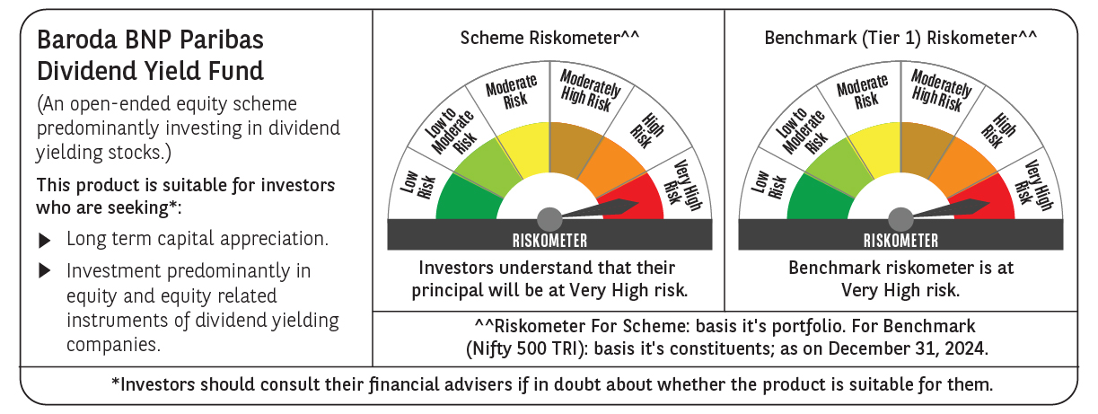
 | Baroda BNP Paribas Dividend Yield Fund

 | Monthly Portfolio Statement as on December 31, 2024
 | Name of the Instrument | ISIN | Industry / Rating | Quantity | Market/Fair Value (Rs. in Lakhs) | % to Net Assets | YTM~ | YTC^ | null
 | Equity & Equity related
 | (a) Listed / awaiting listing on Stock Exchanges
HDFB03 | HDFC Bank Limited | INE040A01034 | Banks | 360,000 | 6,382.26 | 6.20%
ITCL02 | ITC Limited | INE154A01025 | Diversified FMCG | 1,000,000 | 4,836.50 | 4.70%
INFS02 | Infosys Limited | INE009A01021 | IT - Software | 230,000 | 4,324.00 | 4.20%
IBCL05 | ICICI Bank Limited | INE090A01021 | Banks | 300,000 | 3,844.95 | 3.73%
RIND01 | Reliance Industries Limited | INE002A01018 | Petroleum Products | 300,000 | 3,646.35 | 3.54%
KOMA02 | Kotak Mahindra Bank Limited | INE237A01028 | Banks | 180,000 | 3,214.89 | 3.12%
IHOT02 | The Indian Hotels Company Limited | INE053A01029 | Leisure Services | 350,000 | 3,071.43 | 2.98%
TCSL01 | Tata Consultancy Services Limited | INE467B01029 | IT - Software | 75,000 | 3,071.10 | 2.98%
MAGL01 | Mahanagar Gas Limited | INE002S01010 | Gas | 210,000 | 2,697.24 | 2.62%
ALLI02 | GE Vernova T&D India Limited | INE200A01026 | Electrical Equipment | 129,032 | 2,678.58 | 2.60%
NTPC01 | NTPC Limited | INE733E01010 | Power | 750,000 | 2,500.13 | 2.43%
HCLT02 | HCL Technologies Limited | INE860A01027 | IT - Software | 120,000 | 2,300.88 | 2.23%
DRRL03 | Dr. Reddy's Laboratories Limited | INE089A01031 | Pharmaceuticals & Biotechnology | 165,000 | 2,291.03 | 2.22%
SPIL03 | Sun Pharmaceutical Industries Limited | INE044A01036 | Pharmaceuticals & Biotechnology | 120,000 | 2,263.62 | 2.20%
HPEC01 | Hindustan Petroleum Corporation Limited | INE094A01015 | Petroleum Products | 530,000 | 2,166.38 | 2.10%
TOPH02 | Torrent Pharmaceuticals Limited | INE685A01028 | Pharmaceuticals & Biotechnology | 55,000 | 1,848.03 | 1.79%
GUOL01 | Gulf Oil Lubricants India Limited | INE635Q01029 | Petroleum Products | 150,000 | 1,824.38 | 1.77%
ILOM01 | ICICI Lombard General Insurance Company Limited | INE765G01017 | Insurance | 100,000 | 1,787.75 | 1.74%
HYUN01 | Hyundai Motor India Ltd | INE0V6F01027 | Automobiles | 94,278 | 1,702.75 | 1.65%
PFCL01 | Power Finance Corporation Limited | INE134E01011 | Finance | 350,000 | 1,569.75 | 1.52%
MAHE01 | Max Healthcare Institute Limited | INE027H01010 | Healthcare Services | 130,000 | 1,466.60 | 1.42%
CUBI02 | City Union Bank Limited | INE491A01021 | Banks | 800,000 | 1,378.64 | 1.34%
IPLI01 | ICICI Prudential Life Insurance Company Limited | INE726G01019 | Insurance | 210,000 | 1,375.19 | 1.34%
HINI02 | Hindalco Industries Limited | INE038A01020 | Non - Ferrous Metals | 225,000 | 1,355.51 | 1.32%
GLAX01 | GlaxoSmithKline Pharmaceuticals Limited | INE159A01016 | Pharmaceuticals & Biotechnology | 60,000 | 1,351.11 | 1.31%
ICRA01 | ICRA Limited | INE725G01011 | Capital Markets | 21,000 | 1,341.05 | 1.30%
IFEL01 | Oracle Financial Services Software Limited | INE881D01027 | IT - Software | 10,000 | 1,278.95 | 1.24%
DIVI02 | Divi's Laboratories Limited | INE361B01024 | Pharmaceuticals & Biotechnology | 20,000 | 1,219.76 | 1.18%
WIPR02 | Wipro Limited | INE075A01022 | IT - Software | 400,000 | 1,207.40 | 1.17%
MAHI02 | Mahindra & Mahindra Limited | INE101A01026 | Automobiles | 40,000 | 1,202.84 | 1.17%
RAKH02 | Radico Khaitan Limited | INE944F01028 | Beverages | 45,000 | 1,172.66 | 1.14%
ULCC01 | UltraTech Cement Limited | INE481G01011 | Cement & Cement Products | 10,000 | 1,142.64 | 1.11%
PLNG01 | Petronet LNG Limited | INE347G01014 | Gas | 325,000 | 1,125.15 | 1.09%
HAIL03 | Havells India Limited | INE176B01034 | Consumer Durables | 65,000 | 1,088.82 | 1.06%
LARS02 | Larsen & Toubro Limited | INE018A01030 | Construction | 30,000 | 1,082.30 | 1.05%
PGCI01 | Power Grid Corporation of India Limited | INE752E01010 | Power | 350,000 | 1,080.45 | 1.05%
JUFL02 | Jubilant Foodworks Limited | INE797F01020 | Leisure Services | 150,000 | 1,077.15 | 1.05%
COCH02 | Cochin Shipyard Limited | INE704P01025 | Industrial Manufacturing | 70,000 | 1,077.13 | 1.05%
OIIL01 | Oil India Limited | INE274J01014 | Oil | 250,000 | 1,076.88 | 1.05%
ESCO01 | Escorts Kubota Limited | INE042A01014 | Agricultural, Commercial & Construction Vehicles | 32,000 | 1,066.42 | 1.04%
BPCL01 | Bharat Petroleum Corporation Limited | INE029A01011 | Petroleum Products | 360,000 | 1,052.82 | 1.02%
BRIT03 | Britannia Industries Limited | INE216A01030 | Food Products | 22,000 | 1,047.81 | 1.02%
HLEL02 | Hindustan Unilever Limited | INE030A01027 | Diversified FMCG | 45,000 | 1,047.08 | 1.02%
SIEM02 | Siemens Limited | INE003A01024 | Electrical Equipment | 16,000 | 1,045.77 | 1.02%
SKFB02 | SKF India Limited | INE640A01023 | Industrial Products | 23,000 | 1,030.01 | 1.00%
CGCE01 | Crompton Greaves Consumer Electricals Limited | INE299U01018 | Consumer Durables | 260,000 | 1,029.08 | 1.00%
CHOL02 | Cholamandalam Investment and Finance Company Ltd | INE121A01024 | Finance | 85,000 | 1,008.06 | 0.98%
BASF01 | BASF India Limited | INE373A01013 | Chemicals & Petrochemicals | 18,000 | 1,001.33 | 0.97%
TELC03 | Tata Motors Limited | INE155A01022 | Automobiles | 135,000 | 999.20 | 0.97%
NAYV01 | NLC India Limited | INE589A01014 | Power | 400,000 | 995.20 | 0.97%
JYLL02 | Jyothy Labs Limited | INE668F01031 | Household Products | 250,000 | 992.75 | 0.96%
TPOW02 | Tata Power Company Limited | INE245A01021 | Power | 250,000 | 981.00 | 0.95%
ONGC02 | Oil & Natural Gas Corporation Limited | INE213A01029 | Oil | 410,000 | 980.93 | 0.95%
SJVN01 | SJVN Limited | INE002L01015 | Power | 925,000 | 965.79 | 0.94%
COAL01 | Coal India Limited | INE522F01014 | Consumable Fuels | 250,000 | 960.38 | 0.93%
HERO02 | Hero MotoCorp Limited | INE158A01026 | Automobiles | 22,000 | 915.33 | 0.89%
MARE01 | Mangalore Refinery and Petrochemicals Limited | INE103A01014 | Petroleum Products | 450,000 | 667.85 | 0.65%
 | Sub Total |  |  |  | 98,909.04 | 96.04%
 | (b) Unlisted |  |  |  | NIL | NIL
 | Sub Total |  |  |  | NIL | NIL
 | Total |  |  |  | 98,909.04 | 96.04%
 | Money Market Instruments
 | Treasury Bill
TBIL2333 | 364 Days Tbill (MD 06/03/2025) | IN002023Z521 | Sovereign | 3,000,000 | 2,966.45 | 2.88% | 6.45%
 | Sub Total |  |  |  | 2,966.45 | 2.88%
 | Total |  |  |  | 2,966.45 | 2.88%
 | Reverse Repo / TREPS
TRP_010125 | Clearing Corporation of India Ltd |  |  |  | 1,517.14 | 1.47% | 6.58%
 | Sub Total |  |  |  | 1,517.14 | 1.47%
 | Total |  |  |  | 1,517.14 | 1.47%
 | Net Receivables / (Payables) |  |  |  | (401.58) | (0.39)%
 | GRAND TOTAL |  |  |  | 102,991.05 | 100.00%

 | ~ YTM as on December 31, 2024
 | ^ YTC represents Yield to Call provided by valuation agencies as on December 31, 2024. It is disclosed for Perpetual Bond issued by Banks (i.e. AT-1 Bond / Tier 1 Bond / Tier 2 Bond), as per AMFI Best Practices Guidelines Circular no. 135/BP/91/2020-21 re

