Monthly Portfolio
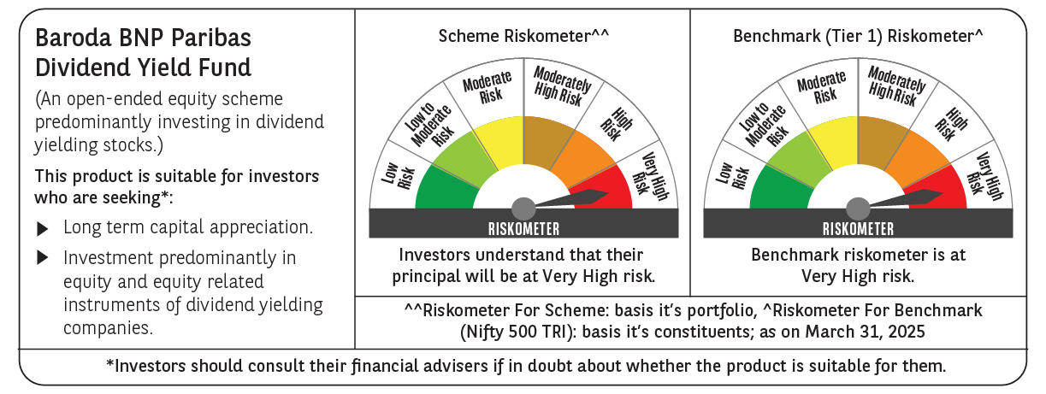
 | Baroda BNP Paribas Dividend Yield Fund

 | Monthly Portfolio Statement as on March 31, 2025
 | Name of the Instrument | ISIN | Industry / Rating | Quantity | Market/Fair Value (Rs. in Lakhs) | % to Net Assets | YTM~ | YTC^ | null
 | Equity & Equity related
 | (a) Listed / awaiting listing on Stock Exchanges
HDFB03 | HDFC Bank Limited | INE040A01034 | Banks | 300,000 | 5,484.60 | 5.72%
KOMA02 | Kotak Mahindra Bank Limited | INE237A01028 | Banks | 250,000 | 5,428.00 | 5.66%
IBCL05 | ICICI Bank Limited | INE090A01021 | Banks | 300,000 | 4,045.05 | 4.22%
RIND01 | Reliance Industries Limited | INE002A01018 | Petroleum Products | 300,000 | 3,825.30 | 3.99%
INFS02 | Infosys Limited | INE009A01021 | IT - Software | 230,000 | 3,612.50 | 3.77%
NTPC01 | NTPC Limited | INE733E01010 | Power | 750,000 | 2,682.00 | 2.80%
MAGL01 | Mahanagar Gas Limited | INE002S01010 | Gas | 190,000 | 2,635.21 | 2.75%
IHOT02 | The Indian Hotels Company Limited | INE053A01029 | Leisure Services | 300,000 | 2,362.65 | 2.47%
SPIL03 | Sun Pharmaceutical Industries Limited | INE044A01036 | Pharmaceuticals & Biotechnology | 120,000 | 2,081.64 | 2.17%
ALLI02 | GE Vernova T&D India Limited | INE200A01026 | Electrical Equipment | 129,032 | 2,011.29 | 2.10%
TOPH02 | Torrent Pharmaceuticals Limited | INE685A01028 | Pharmaceuticals & Biotechnology | 60,000 | 1,936.77 | 2.02%
HCLT02 | HCL Technologies Limited | INE860A01027 | IT - Software | 120,000 | 1,911.00 | 1.99%
HPEC01 | Hindustan Petroleum Corporation Limited | INE094A01015 | Petroleum Products | 530,000 | 1,909.86 | 1.99%
DRRL03 | Dr. Reddy's Laboratories Limited | INE089A01031 | Pharmaceuticals & Biotechnology | 165,000 | 1,887.93 | 1.97%
TCSL01 | Tata Consultancy Services Limited | INE467B01029 | IT - Software | 50,000 | 1,803.08 | 1.88%
ILOM01 | ICICI Lombard General Insurance Company Limited | INE765G01017 | Insurance | 100,000 | 1,792.85 | 1.87%
GLAX01 | GlaxoSmithKline Pharmaceuticals Limited | INE159A01016 | Pharmaceuticals & Biotechnology | 60,000 | 1,728.21 | 1.80%
GUOL01 | Gulf Oil Lubricants India Limited | INE635Q01029 | Petroleum Products | 143,000 | 1,638.99 | 1.71%
HYUN01 | Hyundai Motor India Ltd | INE0V6F01027 | Automobiles | 94,278 | 1,609.94 | 1.68%
HINI02 | Hindalco Industries Limited | INE038A01020 | Non - Ferrous Metals | 225,000 | 1,535.51 | 1.60%
CHOL02 | Cholamandalam Investment and Finance Company Ltd | INE121A01024 | Finance | 100,000 | 1,519.95 | 1.59%
PFCL01 | Power Finance Corporation Limited | INE134E01011 | Finance | 363,817 | 1,507.11 | 1.57%
ULCC01 | UltraTech Cement Limited | INE481G01011 | Cement & Cement Products | 12,500 | 1,438.69 | 1.50%
MAHE01 | Max Healthcare Institute Limited | INE027H01010 | Healthcare Services | 130,000 | 1,426.04 | 1.49%
BAFL02 | Bajaj Finance Limited | INE296A01024 | Finance | 15,000 | 1,341.84 | 1.40%
CUBI02 | City Union Bank Limited | INE491A01021 | Banks | 800,000 | 1,257.44 | 1.31%
IPLI01 | ICICI Prudential Life Insurance Company Limited | INE726G01019 | Insurance | 210,000 | 1,185.14 | 1.24%
OIIL01 | Oil India Limited | INE274J01014 | Oil | 300,000 | 1,160.25 | 1.21%
ICRA01 | ICRA Limited | INE725G01011 | Capital Markets | 21,000 | 1,156.06 | 1.21%
DIVI02 | Divi's Laboratories Limited | INE361B01024 | Pharmaceuticals & Biotechnology | 20,000 | 1,155.09 | 1.21%
RAKH02 | Radico Khaitan Limited | INE944F01028 | Beverages | 45,000 | 1,093.03 | 1.14%
BRIT03 | Britannia Industries Limited | INE216A01030 | Food Products | 22,000 | 1,086.12 | 1.13%
MAHI02 | Mahindra & Mahindra Limited | INE101A01026 | Automobiles | 40,000 | 1,066.32 | 1.11%
WIPR02 | Wipro Limited | INE075A01022 | IT - Software | 400,000 | 1,049.00 | 1.09%
LARS02 | Larsen & Toubro Limited | INE018A01030 | Construction | 30,000 | 1,047.69 | 1.09%
ESCO01 | Escorts Kubota Limited | INE042A01014 | Agricultural, Commercial & Construction Vehicles | 32,000 | 1,040.02 | 1.09%
PGCI01 | Power Grid Corporation of India Limited | INE752E01010 | Power | 350,000 | 1,016.23 | 1.06%
ONGC02 | Oil & Natural Gas Corporation Limited | INE213A01029 | Oil | 410,000 | 1,010.16 | 1.05%
BPCL01 | Bharat Petroleum Corporation Limited | INE029A01011 | Petroleum Products | 360,000 | 1,002.49 | 1.05%
JUFL02 | Jubilant Foodworks Limited | INE797F01020 | Leisure Services | 150,000 | 996.53 | 1.04%
COAL01 | Coal India Limited | INE522F01014 | Consumable Fuels | 250,000 | 995.50 | 1.04%
HAIL03 | Havells India Limited | INE176B01034 | Consumer Durables | 65,000 | 993.79 | 1.04%
COCH02 | Cochin Shipyard Limited | INE704P01025 | Industrial Manufacturing | 70,000 | 985.53 | 1.03%
PLNG01 | Petronet LNG Limited | INE347G01014 | Gas | 325,000 | 954.20 | 1.00%
TPOW02 | Tata Power Company Limited | INE245A01021 | Power | 250,000 | 938.50 | 0.98%
CGCE01 | Crompton Greaves Consumer Electricals Limited | INE299U01018 | Consumer Durables | 260,000 | 920.27 | 0.96%
SKFB02 | SKF India Limited | INE640A01023 | Industrial Products | 23,000 | 885.63 | 0.92%
SJVN01 | SJVN Limited | INE002L01015 | Power | 925,000 | 847.21 | 0.88%
JYLL02 | Jyothy Labs Limited | INE668F01031 | Household Products | 250,000 | 821.75 | 0.86%
HERO02 | Hero MotoCorp Limited | INE158A01026 | Automobiles | 22,000 | 819.05 | 0.85%
BASF01 | BASF India Limited | INE373A01013 | Chemicals & Petrochemicals | 18,000 | 796.27 | 0.83%
IFEL01 | Oracle Financial Services Software Limited | INE881D01027 | IT - Software | 10,000 | 785.09 | 0.82%
BINL01 | Indus Towers Limited | INE121J01017 | Telecom - Services | 200,000 | 668.60 | 0.70%
KAVY06 | Karur Vysya Bank Limited | INE036D01028 | Banks | 300,000 | 627.72 | 0.66%
 | Sub Total |  |  |  | 87,516.69 | 91.31%
 | (b) Unlisted |  |  |  | NIL | NIL
 | Sub Total |  |  |  | NIL | NIL
 | Total |  |  |  | 87,516.69 | 91.31%
 | Derivatives
 | Index / Stock Futures
BNIFYAPR25 | Bank Nifty Index April 2025 Future |  |  | 2,700 | 1,399.70 | 1.46%
INFSAPR25 | Infosys Limited April 2025 Future |  |  | -46,000 | (725.93) | (0.76)%
 | Sub Total |  |  |  | 673.77 | 0.70%
 | Total |  |  |  | 673.77 | 0.70%
 | Money Market Instruments
 | Treasury Bill
TBIL2435 | 364 Days Tbill (MD 21/11/2025) | IN002024Z321 | Sovereign | 3,000,000 | 2,881.41 | 3.01% | 6.42%
 | Sub Total |  |  |  | 2,881.41 | 3.01%
 | Total |  |  |  | 2,881.41 | 3.01%
 | Reverse Repo / TREPS
TRP_020425 | Clearing Corporation of India Ltd |  |  |  | 5,106.16 | 5.33% | 6.68%
 | Sub Total |  |  |  | 5,106.16 | 5.33%
 | Total |  |  |  | 5,106.16 | 5.33%
 | Net Receivables / (Payables) |  |  |  | (352.79) | (0.35)%
 | GRAND TOTAL |  |  |  | 95,825.24 | 100.00%

 | ~ YTM as on March 31, 2025
 | ^ YTC represents Yield to Call provided by valuation agencies as on March 31, 2025. It is disclosed for Perpetual Bond issued by Banks (i.e. AT-1 Bond / Tier 1 Bond / Tier 2 Bond), as per AMFI Best Practices Guidelines Circular no. 135/BP/91/2020-21 read with SEBI circular No. SEBI/HO/IMD/DF4/CIR/P/2021/034 on Valuation of AT-1 Bonds and Tier 2 Bonds.
 | Details of Stock Future / Index Future
 | Long/Short | Name of the Instrument | Industry | Quantity. | Market/Fair Value (Rs. in Lacs). | % to NAV.
 | Long | Bank Nifty Index_24/04/2025 | Index | 2,700 | 1,399.70 | 1.46%
 | Short | Infosys Limited_24/04/2025 | IT - Software | 46,000 | 725.93 | 0.76%

