T0ME38
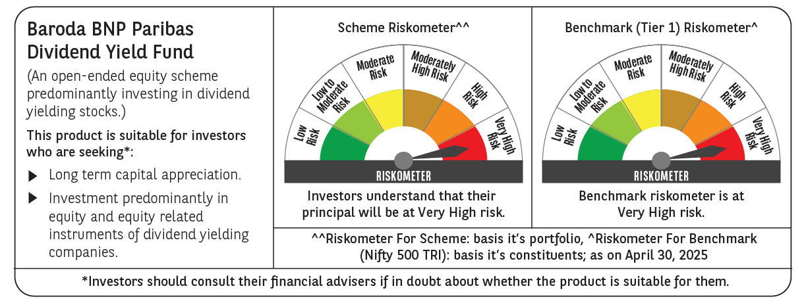
 | Baroda BNP Paribas Dividend Yield Fund

 | Monthly Portfolio Statement as on April 30, 2025
 | Name of the Instrument | ISIN | Industry / Rating | Quantity | Market/Fair Value (Rs. in Lakhs) | % to Net Assets | YTM~ | YTC^ | null
 | Equity & Equity related
 | (a) Listed / awaiting listing on Stock Exchanges
HDFB03 | HDFC Bank Limited | INE040A01034 | Banks | 300,000 | 5,775.00 | 5.93%
KOMA02 | Kotak Mahindra Bank Limited | INE237A01028 | Banks | 250,000 | 5,520.25 | 5.66%
IBCL05 | ICICI Bank Limited | INE090A01021 | Banks | 300,000 | 4,281.00 | 4.39%
RIND01 | Reliance Industries Limited | INE002A01018 | Petroleum Products | 300,000 | 4,215.00 | 4.32%
INFS02 | Infosys Limited | INE009A01021 | IT - Software | 230,000 | 3,450.23 | 3.54%
NTPC01 | NTPC Limited | INE733E01010 | Power | 750,000 | 2,659.13 | 2.73%
MAGL01 | Mahanagar Gas Limited | INE002S01010 | Gas | 190,000 | 2,557.59 | 2.62%
SPIL03 | Sun Pharmaceutical Industries Limited | INE044A01036 | Pharmaceuticals & Biotechnology | 120,000 | 2,198.76 | 2.26%
LARS02 | Larsen & Toubro Limited | INE018A01030 | Construction | 65,000 | 2,171.65 | 2.23%
IHOT02 | The Indian Hotels Company Limited | INE053A01029 | Leisure Services | 270,000 | 2,126.79 | 2.18%
ALLI02 | GE Vernova T&D India Limited | INE200A01026 | Electrical Equipment | 129,032 | 2,020.77 | 2.07%
HPEC01 | Hindustan Petroleum Corporation Limited | INE094A01015 | Petroleum Products | 530,000 | 2,007.11 | 2.06%
TOPH02 | Torrent Pharmaceuticals Limited | INE685A01028 | Pharmaceuticals & Biotechnology | 60,000 | 1,993.20 | 2.05%
ILOM01 | ICICI Lombard General Insurance Company Limited | INE765G01017 | Insurance | 100,000 | 1,876.50 | 1.93%
GLAX01 | GlaxoSmithKline Pharmaceuticals Limited | INE159A01016 | Pharmaceuticals & Biotechnology | 60,000 | 1,778.76 | 1.83%
TCSL01 | Tata Consultancy Services Limited | INE467B01029 | IT - Software | 50,000 | 1,726.85 | 1.77%
GUOL01 | Gulf Oil Lubricants India Limited | INE635Q01029 | Petroleum Products | 143,000 | 1,701.56 | 1.75%
HYUN01 | Hyundai Motor India Ltd | INE0V6F01027 | Automobiles | 94,278 | 1,609.89 | 1.65%
DIVI02 | Divi's Laboratories Limited | INE361B01024 | Pharmaceuticals & Biotechnology | 25,000 | 1,521.75 | 1.56%
PFCL01 | Power Finance Corporation Limited | INE134E01011 | Finance | 363,817 | 1,482.19 | 1.52%
ULCC01 | UltraTech Cement Limited | INE481G01011 | Cement & Cement Products | 12,500 | 1,455.13 | 1.49%
MAHE01 | Max Healthcare Institute Limited | INE027H01010 | Healthcare Services | 130,000 | 1,427.66 | 1.46%
CUBI02 | City Union Bank Limited | INE491A01021 | Banks | 800,000 | 1,412.48 | 1.45%
HCLT02 | HCL Technologies Limited | INE860A01027 | IT - Software | 90,000 | 1,410.75 | 1.45%
BAFL02 | Bajaj Finance Limited | INE296A01024 | Finance | 15,000 | 1,295.18 | 1.33%
IPLI01 | ICICI Prudential Life Insurance Company Limited | INE726G01019 | Insurance | 210,000 | 1,290.14 | 1.32%
OIIL01 | Oil India Limited | INE274J01014 | Oil | 300,000 | 1,232.25 | 1.26%
CANB02 | Canara Bank | INE476A01022 | Banks | 1,250,000 | 1,218.13 | 1.25%
BRIT03 | Britannia Industries Limited | INE216A01030 | Food Products | 22,000 | 1,196.56 | 1.23%
MAHI02 | Mahindra & Mahindra Limited | INE101A01026 | Automobiles | 40,000 | 1,171.52 | 1.20%
ICRA01 | ICRA Limited | INE725G01011 | Capital Markets | 21,000 | 1,167.39 | 1.20%
BPCL01 | Bharat Petroleum Corporation Limited | INE029A01011 | Petroleum Products | 360,000 | 1,116.18 | 1.15%
RAKH02 | Radico Khaitan Limited | INE944F01028 | Beverages | 45,000 | 1,105.07 | 1.13%
PGCI01 | Power Grid Corporation of India Limited | INE752E01010 | Power | 350,000 | 1,076.08 | 1.10%
JUFL02 | Jubilant Foodworks Limited | INE797F01020 | Leisure Services | 150,000 | 1,073.10 | 1.10%
IFEL01 | Oracle Financial Services Software Limited | INE881D01027 | IT - Software | 12,000 | 1,046.58 | 1.07%
ESCO01 | Escorts Kubota Limited | INE042A01014 | Agricultural, Commercial & Construction Vehicles | 32,000 | 1,042.88 | 1.07%
HAIL03 | Havells India Limited | INE176B01034 | Consumer Durables | 65,000 | 1,040.65 | 1.07%
PLNG01 | Petronet LNG Limited | INE347G01014 | Gas | 325,000 | 1,019.69 | 1.05%
DRRL03 | Dr. Reddy's Laboratories Limited | INE089A01031 | Pharmaceuticals & Biotechnology | 85,000 | 1,006.32 | 1.03%
ONGC02 | Oil & Natural Gas Corporation Limited | INE213A01029 | Oil | 410,000 | 1,002.25 | 1.03%
HERO02 | Hero MotoCorp Limited | INE158A01026 | Automobiles | 26,000 | 995.12 | 1.02%
KAVY06 | Karur Vysya Bank Limited | INE036D01028 | Banks | 450,000 | 981.77 | 1.01%
SKFB02 | SKF India Limited | INE640A01023 | Industrial Products | 25,000 | 971.43 | 1.00%
CHOL02 | Cholamandalam Investment and Finance Company Ltd | INE121A01024 | Finance | 65,000 | 969.93 | 1.00%
COAL01 | Coal India Limited | INE522F01014 | Consumable Fuels | 250,000 | 963.25 | 0.99%
CGCE01 | Crompton Greaves Consumer Electricals Limited | INE299U01018 | Consumer Durables | 285,000 | 961.31 | 0.99%
TPOW02 | Tata Power Company Limited | INE245A01021 | Power | 250,000 | 961.00 | 0.99%
EIML02 | Eicher Motors Limited | INE066A01021 | Automobiles | 17,000 | 946.39 | 0.97%
GAIL01 | GAIL (India) Limited | INE129A01019 | Gas | 500,000 | 945.45 | 0.97%
SJVN01 | SJVN Limited | INE002L01015 | Power | 1,000,000 | 940.30 | 0.96%
SAEL02 | TVS Motor Company Limited | INE494B01023 | Automobiles | 35,000 | 935.20 | 0.96%
JYLL02 | Jyothy Labs Limited | INE668F01031 | Household Products | 250,000 | 935.00 | 0.96%
BINL01 | Indus Towers Limited | INE121J01017 | Telecom - Services | 200,000 | 816.40 | 0.84%
BASF01 | BASF India Limited | INE373A01013 | Chemicals & Petrochemicals | 18,000 | 790.42 | 0.81%
NEST02 | Nestle India Limited | INE239A01024 | Food Products | 20,000 | 477.64 | 0.49%
 | Sub Total |  |  |  | 91,070.58 | 93.45%
 | (b) Unlisted |  |  |  | NIL | NIL
 | Sub Total |  |  |  | NIL | NIL
 | Total |  |  |  | 91,070.58 | 93.45%
 | Derivatives
 | Index / Stock Futures
INFSMAY25 | Infosys Limited May 2025 Future |  |  | -92,000 | (1,384.23) | (1.42)%
 | Sub Total |  |  |  | (1,384.23) | (1.42)%
 | Total |  |  |  | (1,384.23) | (1.42)%
 | Money Market Instruments
 | Treasury Bill
TBIL2435 | 364 Days Tbill (MD 21/11/2025) | IN002024Z321 | Sovereign | 3,000,000 | 2,904.16 | 2.98% | 5.90%
 | Sub Total |  |  |  | 2,904.16 | 2.98%
 | Total |  |  |  | 2,904.16 | 2.98%
 | Reverse Repo / TREPS
TRP_020525 | Clearing Corporation of India Ltd |  |  |  | 3,674.04 | 3.77% | 5.94%
 | Sub Total |  |  |  | 3,674.04 | 3.77%
 | Total |  |  |  | 3,674.04 | 3.77%
 | Net Receivables / (Payables) |  |  |  | 1,200.51 | 1.22%
 | GRAND TOTAL |  |  |  | 97,465.06 | 100.00%

 | ~ YTM as on April 30, 2025
 | ^ YTC represents Yield to Call provided by valuation agencies as on April 30, 2025. It is disclosed for Perpetual Bond issued by Banks (i.e. AT-1 Bond / Tier 1 Bond / Tier 2 Bond), as per AMFI Best Practices Guidelines Circular no. 135/BP/91/2020-21 read with SEBI circular No. SEBI/HO/IMD/DF4/CIR/P/2021/034 on Valuation of AT-1 Bonds and Tier 2 Bonds.
 | Details of Stock Future / Index Future
 | Long/Short | Name of the Instrument | Industry | Quantity. | Market/Fair Value (Rs. in Lacs). | % to NAV.
 | Short | Infosys Limited_29/05/2025 | IT - Software | 92,000 | 1,384.23 | 1.42%

