T0ME38
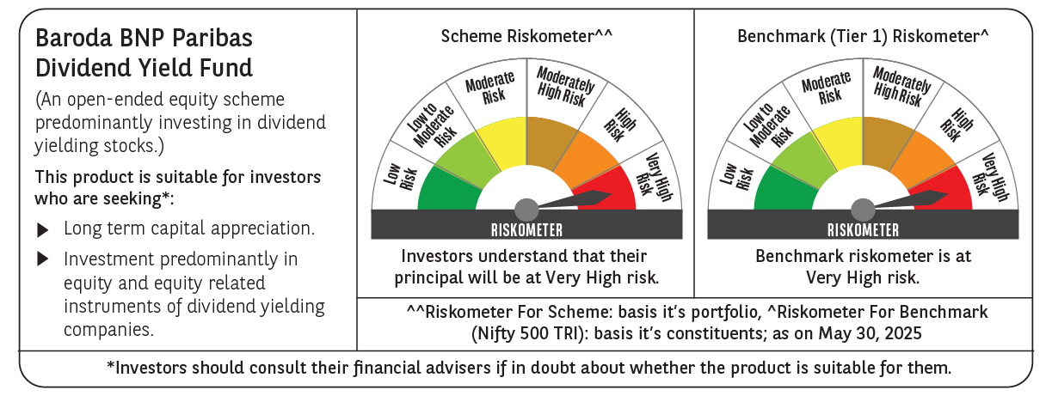
 | Baroda BNP Paribas Dividend Yield Fund

 | Monthly Portfolio Statement as on May 31, 2025
 | Name of the Instrument | ISIN | Industry / Rating | Quantity | Market/Fair Value (Rs. in Lakhs) | % to Net Assets | YTM~ | YTC^ | null
 | Equity & Equity related
 | (a) Listed / awaiting listing on Stock Exchanges
HDFB03 | HDFC Bank Limited | INE040A01034 | Banks | 300,000 | 5,834.70 | 5.93%
KOMA02 | Kotak Mahindra Bank Limited | INE237A01028 | Banks | 250,000 | 5,186.75 | 5.27%
IBCL05 | ICICI Bank Limited | INE090A01021 | Banks | 300,000 | 4,337.40 | 4.41%
RIND01 | Reliance Industries Limited | INE002A01018 | Petroleum Products | 300,000 | 4,262.70 | 4.33%
INFS02 | Infosys Limited | INE009A01021 | IT - Software | 230,000 | 3,594.21 | 3.65%
ALLI02 | GE Vernova T&D India Limited | INE200A01026 | Electrical Equipment | 129,032 | 2,892.12 | 2.94%
MAGL01 | Mahanagar Gas Limited | INE002S01010 | Gas | 190,000 | 2,517.88 | 2.56%
NTPC01 | NTPC Limited | INE733E01010 | Power | 750,000 | 2,504.25 | 2.54%
HPEC01 | Hindustan Petroleum Corporation Limited | INE094A01015 | Petroleum Products | 600,000 | 2,466.30 | 2.50%
LARS02 | Larsen & Toubro Limited | INE018A01030 | Construction | 65,000 | 2,388.82 | 2.43%
GLAX01 | GlaxoSmithKline Pharmaceuticals Limited | INE159A01016 | Pharmaceuticals & Biotechnology | 65,000 | 2,144.09 | 2.18%
SPIL03 | Sun Pharmaceutical Industries Limited | INE044A01036 | Pharmaceuticals & Biotechnology | 120,000 | 2,013.12 | 2.04%
TOPH02 | Torrent Pharmaceuticals Limited | INE685A01028 | Pharmaceuticals & Biotechnology | 60,000 | 1,904.82 | 1.93%
ILOM01 | ICICI Lombard General Insurance Company Limited | INE765G01017 | Insurance | 100,000 | 1,875.40 | 1.90%
HYUN01 | Hyundai Motor India Ltd | INE0V6F01027 | Automobiles | 94,278 | 1,741.50 | 1.77%
TCSL01 | Tata Consultancy Services Limited | INE467B01029 | IT - Software | 50,000 | 1,731.70 | 1.76%
GUOL01 | Gulf Oil Lubricants India Limited | INE635Q01029 | Petroleum Products | 143,000 | 1,696.27 | 1.72%
DIVI02 | Divi's Laboratories Limited | INE361B01024 | Pharmaceuticals & Biotechnology | 25,000 | 1,653.00 | 1.68%
CUBI02 | City Union Bank Limited | INE491A01021 | Banks | 800,000 | 1,565.60 | 1.59%
IHOT02 | The Indian Hotels Company Limited | INE053A01029 | Leisure Services | 200,000 | 1,539.70 | 1.56%
MAHI02 | Mahindra & Mahindra Limited | INE101A01026 | Automobiles | 50,000 | 1,488.40 | 1.51%
PFCL01 | Power Finance Corporation Limited | INE134E01011 | Finance | 363,817 | 1,476.92 | 1.50%
HCLT02 | HCL Technologies Limited | INE860A01027 | IT - Software | 90,000 | 1,472.94 | 1.50%
MAHE01 | Max Healthcare Institute Limited | INE027H01010 | Healthcare Services | 130,000 | 1,462.76 | 1.49%
SJVN01 | SJVN Limited | INE002L01015 | Power | 1,500,000 | 1,444.50 | 1.47%
CANB02 | Canara Bank | INE476A01022 | Banks | 1,250,000 | 1,434.50 | 1.46%
ICRA01 | ICRA Limited | INE725G01011 | Capital Markets | 21,000 | 1,415.40 | 1.44%
ULCC01 | UltraTech Cement Limited | INE481G01011 | Cement & Cement Products | 12,500 | 1,401.25 | 1.42%
IPLI01 | ICICI Prudential Life Insurance Company Limited | INE726G01019 | Insurance | 210,000 | 1,391.04 | 1.41%
BAFL02 | Bajaj Finance Limited | INE296A01024 | Finance | 15,000 | 1,377.08 | 1.40%
OIIL01 | Oil India Limited | INE274J01014 | Oil | 300,000 | 1,280.40 | 1.30%
DRRL03 | Dr. Reddy's Laboratories Limited | INE089A01031 | Pharmaceuticals & Biotechnology | 100,000 | 1,251.20 | 1.27%
BRIT03 | Britannia Industries Limited | INE216A01030 | Food Products | 22,000 | 1,212.31 | 1.23%
SKFB02 | SKF India Limited | INE640A01023 | Industrial Products | 25,000 | 1,174.00 | 1.19%
BPCL01 | Bharat Petroleum Corporation Limited | INE029A01011 | Petroleum Products | 360,000 | 1,146.24 | 1.16%
RAKH02 | Radico Khaitan Limited | INE944F01028 | Beverages | 45,000 | 1,139.76 | 1.16%
HERO02 | Hero MotoCorp Limited | INE158A01026 | Automobiles | 26,000 | 1,120.42 | 1.14%
ESCO01 | Escorts Kubota Limited | INE042A01014 | Agricultural, Commercial & Construction Vehicles | 32,000 | 1,062.94 | 1.08%
CHOL02 | Cholamandalam Investment and Finance Company Ltd | INE121A01024 | Finance | 65,000 | 1,040.65 | 1.06%
JYLL02 | Jyothy Labs Limited | INE668F01031 | Household Products | 300,000 | 1,035.00 | 1.05%
IFEL01 | Oracle Financial Services Software Limited | INE881D01027 | IT - Software | 12,000 | 1,015.50 | 1.03%
PGCI01 | Power Grid Corporation of India Limited | INE752E01010 | Power | 350,000 | 1,014.13 | 1.03%
PLNG01 | Petronet LNG Limited | INE347G01014 | Gas | 325,000 | 998.73 | 1.01%
KAVY06 | Karur Vysya Bank Limited | INE036D01028 | Banks | 450,000 | 997.61 | 1.01%
COAL01 | Coal India Limited | INE522F01014 | Consumable Fuels | 250,000 | 993.25 | 1.01%
HAIL03 | Havells India Limited | INE176B01034 | Consumer Durables | 65,000 | 992.55 | 1.01%
TPOW02 | Tata Power Company Limited | INE245A01021 | Power | 250,000 | 982.00 | 1.00%
ONGC02 | Oil & Natural Gas Corporation Limited | INE213A01029 | Oil | 410,000 | 981.54 | 1.00%
NEST02 | Nestle India Limited | INE239A01024 | Food Products | 40,000 | 958.48 | 0.97%
GAIL01 | GAIL (India) Limited | INE129A01019 | Gas | 500,000 | 949.00 | 0.96%
BASF01 | BASF India Limited | INE373A01013 | Chemicals & Petrochemicals | 18,000 | 938.27 | 0.95%
EIML02 | Eicher Motors Limited | INE066A01021 | Automobiles | 17,000 | 906.70 | 0.92%
SAEL02 | TVS Motor Company Limited | INE494B01023 | Automobiles | 20,000 | 556.16 | 0.56%
CGCE01 | Crompton Greaves Consumer Electricals Limited | INE299U01018 | Consumer Durables | 150,000 | 529.35 | 0.54%
 | Sub Total |  |  |  | 92,491.31 | 93.93%
 | (b) Unlisted |  |  |  | NIL | NIL
 | Sub Total |  |  |  | NIL | NIL
 | Total |  |  |  | 92,491.31 | 93.93%
 | Money Market Instruments
 | Treasury Bill
TBIL2435 | 364 Days Tbill (MD 21/11/2025) | IN002024Z321 | Sovereign | 3,000,000 | 2,922.41 | 2.97% | 5.60%
 | Sub Total |  |  |  | 2,922.41 | 2.97%
 | Total |  |  |  | 2,922.41 | 2.97%
 | Reverse Repo / TREPS
TRP_020625 | Clearing Corporation of India Ltd |  |  |  | 3,299.58 | 3.35% | 5.77%
 | Sub Total |  |  |  | 3,299.58 | 3.35%
 | Total |  |  |  | 3,299.58 | 3.35%
 | Net Receivables / (Payables) |  |  |  | (248.84) | (0.25)%
 | GRAND TOTAL |  |  |  | 98,464.46 | 100.00%

 | ~ YTM as on May 31, 2025
 | ^ YTC represents Yield to Call provided by valuation agencies as on May 31, 2025. It is disclosed for Perpetual Bond issued by Banks (i.e. AT-1 Bond / Tier 1 Bond / Tier 2 Bond), as per AMFI Best Practices Guidelines Circular no. 135/BP/91/2020-21 read with SEBI circular No. SEBI/HO/IMD/DF4/CIR/P/2021/034 on Valuation of AT-1 Bonds and Tier 2 Bonds.

