T0ME38
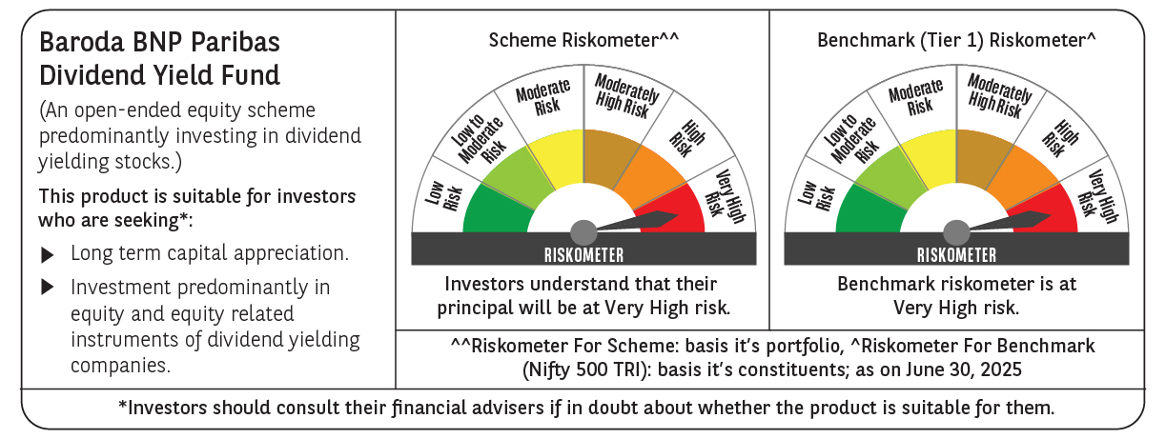
 | Baroda BNP Paribas Dividend Yield Fund

 | Monthly Portfolio Statement as on June 30, 2025
 | Name of the Instrument | ISIN | Industry / Rating | Quantity | Market/Fair Value (Rs. in Lakhs) | % to Net Assets | YTM~ | YTC^ | null
 | Equity & Equity related
 | (a) Listed / awaiting listing on Stock Exchanges
HDFB03 | HDFC Bank Limited | INE040A01034 | Banks | 300,000 | 6,004.50 | 5.96%
RIND01 | Reliance Industries Limited | INE002A01018 | Petroleum Products | 400,000 | 6,002.40 | 5.95%
KOMA02 | Kotak Mahindra Bank Limited | INE237A01028 | Banks | 250,000 | 5,408.75 | 5.36%
IBCL05 | ICICI Bank Limited | INE090A01021 | Banks | 300,000 | 4,337.40 | 4.30%
ALLI02 | GE Vernova T&D India Limited | INE200A01026 | Electrical Equipment | 129,032 | 3,046.57 | 3.02%
INFS02 | Infosys Limited | INE009A01021 | IT - Software | 180,000 | 2,883.24 | 2.86%
LARS02 | Larsen & Toubro Limited | INE018A01030 | Construction | 65,000 | 2,385.37 | 2.37%
GLAX01 | GlaxoSmithKline Pharmaceuticals Limited | INE159A01016 | Pharmaceuticals & Biotechnology | 65,000 | 2,202.27 | 2.18%
HPEC01 | Hindustan Petroleum Corporation Limited | INE094A01015 | Petroleum Products | 500,000 | 2,190.25 | 2.17%
HYUN01 | Hyundai Motor India Ltd | INE0V6F01027 | Automobiles | 94,278 | 2,092.69 | 2.08%
TOPH02 | Torrent Pharmaceuticals Limited | INE685A01028 | Pharmaceuticals & Biotechnology | 60,000 | 2,044.92 | 2.03%
ILOM01 | ICICI Lombard General Insurance Company Limited | INE765G01017 | Insurance | 100,000 | 2,040.20 | 2.02%
SPIL03 | Sun Pharmaceutical Industries Limited | INE044A01036 | Pharmaceuticals & Biotechnology | 120,000 | 2,010.84 | 1.99%
MAGL01 | Mahanagar Gas Limited | INE002S01010 | Gas | 135,000 | 2,002.32 | 1.99%
CUBI02 | City Union Bank Limited | INE491A01021 | Banks | 800,000 | 1,749.68 | 1.74%
DIVI02 | Divi's Laboratories Limited | INE361B01024 | Pharmaceuticals & Biotechnology | 25,000 | 1,702.38 | 1.69%
NTPC01 | NTPC Limited | INE733E01010 | Power | 500,000 | 1,674.50 | 1.66%
MAHE01 | Max Healthcare Institute Limited | INE027H01010 | Healthcare Services | 130,000 | 1,658.80 | 1.65%
MAHI02 | Mahindra & Mahindra Limited | INE101A01026 | Automobiles | 50,000 | 1,591.60 | 1.58%
TCSL01 | Tata Consultancy Services Limited | INE467B01029 | IT - Software | 45,000 | 1,557.90 | 1.55%
HCLT02 | HCL Technologies Limited | INE860A01027 | IT - Software | 90,000 | 1,555.74 | 1.54%
ULCC01 | UltraTech Cement Limited | INE481G01011 | Cement & Cement Products | 12,500 | 1,511.63 | 1.50%
SJVN01 | SJVN Limited | INE002L01015 | Power | 1,500,000 | 1,507.95 | 1.50%
GUOL01 | Gulf Oil Lubricants India Limited | INE635Q01029 | Petroleum Products | 118,797 | 1,499.93 | 1.49%
CANB02 | Canara Bank | INE476A01022 | Banks | 1,250,000 | 1,427.50 | 1.42%
ICRA01 | ICRA Limited | INE725G01011 | Capital Markets | 21,000 | 1,421.49 | 1.41%
BAFL03 | Bajaj Finance Limited | INE296A01032 | Finance | 150,000 | 1,404.75 | 1.39%
IPLI01 | ICICI Prudential Life Insurance Company Limited | INE726G01019 | Insurance | 210,000 | 1,381.59 | 1.37%
IFEL01 | Oracle Financial Services Software Limited | INE881D01027 | IT - Software | 15,000 | 1,347.90 | 1.34%
HZIN02 | Hindustan Zinc Limited | INE267A01025 | Non - Ferrous Metals | 293,000 | 1,320.99 | 1.31%
OIIL01 | Oil India Limited | INE274J01014 | Oil | 300,000 | 1,302.75 | 1.29%
BRIT03 | Britannia Industries Limited | INE216A01030 | Food Products | 22,000 | 1,287.22 | 1.28%
DRRL03 | Dr. Reddy's Laboratories Limited | INE089A01031 | Pharmaceuticals & Biotechnology | 100,000 | 1,283.30 | 1.27%
PFCL01 | Power Finance Corporation Limited | INE134E01011 | Finance | 300,000 | 1,282.20 | 1.27%
NEST02 | Nestle India Limited | INE239A01024 | Food Products | 50,000 | 1,232.65 | 1.22%
SKFB02 | SKF India Limited | INE640A01023 | Industrial Products | 25,000 | 1,203.95 | 1.19%
KAVY06 | Karur Vysya Bank Limited | INE036D01028 | Banks | 450,000 | 1,203.93 | 1.19%
BPCL01 | Bharat Petroleum Corporation Limited | INE029A01011 | Petroleum Products | 360,000 | 1,195.02 | 1.19%
RAKH02 | Radico Khaitan Limited | INE944F01028 | Beverages | 45,000 | 1,177.74 | 1.17%
IHOT02 | The Indian Hotels Company Limited | INE053A01029 | Leisure Services | 150,000 | 1,140.45 | 1.13%
HERO02 | Hero MotoCorp Limited | INE158A01026 | Automobiles | 26,000 | 1,101.65 | 1.09%
ESCO01 | Escorts Kubota Limited | INE042A01014 | Agricultural, Commercial & Construction Vehicles | 32,000 | 1,067.07 | 1.06%
WIPR02 | Wipro Limited | INE075A01022 | IT - Software | 400,000 | 1,063.92 | 1.06%
CHOL02 | Cholamandalam Investment and Finance Company Ltd | INE121A01024 | Finance | 65,000 | 1,058.20 | 1.05%
PLNG01 | Petronet LNG Limited | INE347G01014 | Gas | 350,000 | 1,056.65 | 1.05%
PGCI01 | Power Grid Corporation of India Limited | INE752E01010 | Power | 350,000 | 1,049.65 | 1.04%
GAIL01 | GAIL (India) Limited | INE129A01019 | Gas | 550,000 | 1,049.62 | 1.04%
JYLL02 | Jyothy Labs Limited | INE668F01031 | Household Products | 300,000 | 1,038.45 | 1.03%
BASF01 | BASF India Limited | INE373A01013 | Chemicals & Petrochemicals | 20,000 | 1,032.50 | 1.02%
TPOW02 | Tata Power Company Limited | INE245A01021 | Power | 250,000 | 1,013.63 | 1.01%
TEMA02 | Tech Mahindra Limited | INE669C01036 | IT - Software | 60,000 | 1,012.20 | 1.00%
ONGC02 | Oil & Natural Gas Corporation Limited | INE213A01029 | Oil | 410,000 | 1,001.26 | 0.99%
COAL01 | Coal India Limited | INE522F01014 | Consumable Fuels | 250,000 | 979.88 | 0.97%
EIML02 | Eicher Motors Limited | INE066A01021 | Automobiles | 17,000 | 961.61 | 0.95%
HAIL03 | Havells India Limited | INE176B01034 | Consumer Durables | 50,000 | 775.55 | 0.77%
 | Sub Total |  |  |  | 96,537.10 | 95.75%
 | (b) Unlisted |  |  |  | NIL | NIL
 | Sub Total |  |  |  | NIL | NIL
 | Total |  |  |  | 96,537.10 | 95.75%
 | Money Market Instruments
 | Treasury Bill
TBIL2435 | 364 Days Tbill (MD 21/11/2025) | IN002024Z321 | Sovereign | 2,000,000 | 1,958.04 | 1.94% | 5.47%
 | Sub Total |  |  |  | 1,958.04 | 1.94%
 | Total |  |  |  | 1,958.04 | 1.94%
 | Reverse Repo / TREPS
TRP_010725 | Clearing Corporation of India Ltd |  |  |  | 2,129.30 | 2.11% | 5.47%
 | Sub Total |  |  |  | 2,129.30 | 2.11%
 | Total |  |  |  | 2,129.30 | 2.11%
 | Net Receivables / (Payables) |  |  |  | 198.99 | 0.20%
 | GRAND TOTAL |  |  |  | 100,823.43 | 100.00%

 | ~ YTM as on June 30, 2025
 | ^ YTC represents Yield to Call provided by valuation agencies as on June 30, 2025. It is disclosed for Perpetual Bond issued by Banks (i.e. AT-1 Bond / Tier 1 Bond / Tier 2 Bond), as per AMFI Best Practices Guidelines Circular no. 135/BP/91/2020-21 read with SEBI circular No. SEBI/HO/IMD/DF4/CIR/P/2021/034 on Valuation of AT-1 Bonds and Tier 2 Bonds.

