T0ME38
 | Baroda BNP Paribas Dividend Yield Fund

 | Monthly Portfolio Statement as on August 31, 2025
 | Name of the Instrument | ISIN | Industry / Rating | Quantity | Market/Fair Value (Rs. in Lakhs) | % to Net Assets | YTM~ | YTC^ | null
 | Equity & Equity related
 | (a) Listed / awaiting listing on Stock Exchanges
HDFB03 | HDFC Bank Limited | INE040A01034 | Banks | 600,000 | 5,709.60 | 6.18%
RIND01 | Reliance Industries Limited | INE002A01018 | Petroleum Products | 400,000 | 5,428.80 | 5.87%
KOMA02 | Kotak Mahindra Bank Limited | INE237A01028 | Banks | 250,000 | 4,900.75 | 5.30%
IBCL05 | ICICI Bank Limited | INE090A01021 | Banks | 300,000 | 4,193.40 | 4.54%
ALLI02 | GE Vernova T&D India Limited | INE200A01026 | Electrical Equipment | 129,032 | 3,586.06 | 3.88%
INFS02 | Infosys Limited | INE009A01021 | IT - Software | 180,000 | 2,645.28 | 2.86%
LARS02 | Larsen & Toubro Limited | INE018A01030 | Construction | 65,000 | 2,340.65 | 2.53%
SPIL03 | Sun Pharmaceutical Industries Limited | INE044A01036 | Pharmaceuticals & Biotechnology | 120,000 | 1,913.40 | 2.07%
JBCH03 | JB Chemicals & Pharmaceuticals Limited | INE572A01036 | Pharmaceuticals & Biotechnology | 110,000 | 1,896.73 | 2.05%
HPEC01 | Hindustan Petroleum Corporation Limited | INE094A01015 | Petroleum Products | 500,000 | 1,879.50 | 2.03%
TCSL01 | Tata Consultancy Services Limited | INE467B01029 | IT - Software | 60,000 | 1,850.82 | 2.00%
HYUN01 | Hyundai Motor India Ltd | INE0V6F01027 | Automobiles | 75,000 | 1,845.30 | 2.00%
ILOM01 | ICICI Lombard General Insurance Company Limited | INE765G01017 | Insurance | 100,000 | 1,839.60 | 1.99%
GLAX01 | GlaxoSmithKline Pharmaceuticals Limited | INE159A01016 | Pharmaceuticals & Biotechnology | 65,000 | 1,810.25 | 1.96%
MAGL01 | Mahanagar Gas Limited | INE002S01010 | Gas | 135,000 | 1,689.93 | 1.83%
MAHI02 | Mahindra & Mahindra Limited | INE101A01026 | Automobiles | 50,000 | 1,599.75 | 1.73%
ULCC01 | UltraTech Cement Limited | INE481G01011 | Cement & Cement Products | 12,500 | 1,580.00 | 1.71%
CUBI02 | City Union Bank Limited | INE491A01021 | Banks | 800,000 | 1,568.40 | 1.70%
DIVI02 | Divi's Laboratories Limited | INE361B01024 | Pharmaceuticals & Biotechnology | 25,000 | 1,532.88 | 1.66%
HERO02 | Hero MotoCorp Limited | INE158A01026 | Automobiles | 30,000 | 1,526.31 | 1.65%
MAHE01 | Max Healthcare Institute Limited | INE027H01010 | Healthcare Services | 130,000 | 1,500.59 | 1.62%
GUOL01 | Gulf Oil Lubricants India Limited | INE635Q01029 | Petroleum Products | 118,797 | 1,484.49 | 1.61%
SJVN01 | SJVN Limited | INE002L01015 | Power | 1,500,000 | 1,404.90 | 1.52%
IFEL01 | Oracle Financial Services Software Limited | INE881D01027 | IT - Software | 16,500 | 1,368.43 | 1.48%
TEMA02 | Tech Mahindra Limited | INE669C01036 | IT - Software | 90,000 | 1,333.26 | 1.44%
BAFL03 | Bajaj Finance Limited | INE296A01032 | Finance | 150,000 | 1,316.78 | 1.42%
ICRA01 | ICRA Limited | INE725G01011 | Capital Markets | 21,000 | 1,312.50 | 1.42%
HCLT02 | HCL Technologies Limited | INE860A01027 | IT - Software | 90,000 | 1,309.32 | 1.42%
CANB02 | Canara Bank | INE476A01022 | Banks | 1,250,000 | 1,297.88 | 1.40%
RAKH02 | Radico Khaitan Limited | INE944F01028 | Beverages | 45,000 | 1,283.63 | 1.39%
BRIT03 | Britannia Industries Limited | INE216A01030 | Food Products | 22,000 | 1,281.28 | 1.39%
DRRL03 | Dr. Reddy's Laboratories Limited | INE089A01031 | Pharmaceuticals & Biotechnology | 100,000 | 1,260.10 | 1.36%
IPLI01 | ICICI Prudential Life Insurance Company Limited | INE726G01019 | Insurance | 210,000 | 1,259.69 | 1.36%
OIIL01 | Oil India Limited | INE274J01014 | Oil | 300,000 | 1,170.90 | 1.27%
NEST02 | Nestle India Limited | INE239A01024 | Food Products | 100,000 | 1,156.20 | 1.25%
KAVY06 | Karur Vysya Bank Limited | INE036D01028 | Banks | 540,000 | 1,155.87 | 1.25%
ESCO01 | Escorts Kubota Limited | INE042A01014 | Agricultural, Commercial & Construction Vehicles | 32,000 | 1,141.70 | 1.24%
PFCL01 | Power Finance Corporation Limited | INE134E01011 | Finance | 300,000 | 1,139.10 | 1.23%
SKFB02 | SKF India Limited | INE640A01023 | Industrial Products | 25,000 | 1,110.00 | 1.20%
BPCL01 | Bharat Petroleum Corporation Limited | INE029A01011 | Petroleum Products | 360,000 | 1,109.52 | 1.20%
EIML02 | Eicher Motors Limited | INE066A01021 | Automobiles | 18,000 | 1,098.54 | 1.19%
MOTI02 | Bosch Limited | INE323A01026 | Auto Components | 2,600 | 1,038.96 | 1.12%
ITCL02 | ITC Limited | INE154A01025 | Diversified FMCG | 250,000 | 1,024.38 | 1.11%
JYLL02 | Jyothy Labs Limited | INE668F01031 | Household Products | 300,000 | 1,021.20 | 1.10%
WIPR02 | Wipro Limited | INE075A01022 | IT - Software | 400,000 | 997.64 | 1.08%
NTPC01 | NTPC Limited | INE733E01010 | Power | 300,000 | 982.65 | 1.06%
ONGC02 | Oil & Natural Gas Corporation Limited | INE213A01029 | Oil | 410,000 | 958.21 | 1.04%
GAIL01 | GAIL (India) Limited | INE129A01019 | Gas | 550,000 | 951.89 | 1.03%
PLNG01 | Petronet LNG Limited | INE347G01014 | Gas | 350,000 | 943.25 | 1.02%
BHFO02 | Bharat Forge Limited | INE465A01025 | Auto Components | 85,000 | 940.70 | 1.02%
COAL01 | Coal India Limited | INE522F01014 | Consumable Fuels | 250,000 | 937.00 | 1.01%
CHOL02 | Cholamandalam Investment and Finance Company Ltd | INE121A01024 | Finance | 65,000 | 923.46 | 1.00%
BASF01 | BASF India Limited | INE373A01013 | Chemicals & Petrochemicals | 20,000 | 921.88 | 1.00%
 | Sub Total |  |  |  | 89,473.31 | 96.79%
 | (b) Unlisted |  |  |  | NIL | NIL
 | Sub Total |  |  |  | NIL | NIL
 | Total |  |  |  | 89,473.31 | 96.79%
 | Money Market Instruments
 | Treasury Bill
TBIL2435 | 364 Days Tbill (MD 21/11/2025) | IN002024Z321 | Sovereign | 2,000,000 | 1,976.03 | 2.14% | 5.47%
 | Sub Total |  |  |  | 1,976.03 | 2.14%
 | Total |  |  |  | 1,976.03 | 2.14%
 | Reverse Repo / TREPS
TRP_010925 | Clearing Corporation of India Ltd |  |  |  | 1,307.39 | 1.41% | 5.39%
 | Sub Total |  |  |  | 1,307.39 | 1.41%
 | Total |  |  |  | 1,307.39 | 1.41%
 | Net Receivables / (Payables) |  |  |  | (332.40) | (0.34)%
 | GRAND TOTAL |  |  |  | 92,424.33 | 100.00%

 | ~ YTM as on August 31, 2025
 | ^ YTC represents Yield to Call provided by valuation agencies as on August 31, 2025. It is disclosed for Perpetual Bond issued by Banks (i.e. AT-1 Bond / Tier 1 Bond / Tier 2 Bond), as per AMFI Best Practices Guidelines Circular no. 135/BP/91/2020-21 read with SEBI circular No. SEBI/HO/IMD/DF4/CIR/P/2021/034 on Valuation of AT-1 Bonds and Tier 2 Bonds.

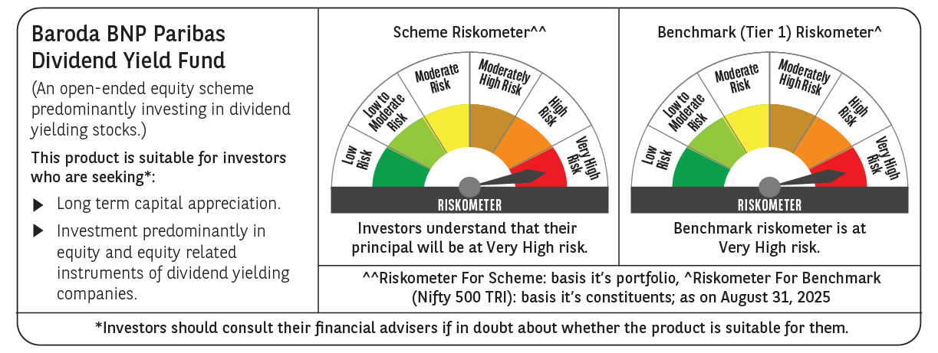

 | Monthly Performance Link: https://www.barodabnpparibasmf.in/assets/download_documents/Performance_of_Schemes_14126.pdf

