T0ME38
 | Baroda BNP Paribas Dividend Yield Fund

 | Monthly Portfolio Statement as on October 31, 2025
 | Name of the Instrument | ISIN | Industry / Rating | Quantity | Market/Fair Value (Rs. in Lakhs) | % to Net Assets | YTM~ | YTC^ | null
 | Equity & Equity related
 | (a) Listed / awaiting listing on Stock Exchanges
RIND01 | Reliance Industries Limited | INE002A01018 | Petroleum Products | 387,000 | 5,752.37 | 6.61%
HDFB03 | HDFC Bank Limited | INE040A01034 | Banks | 525,000 | 5,183.33 | 5.96%
KOMA02 | Kotak Mahindra Bank Limited | INE237A01028 | Banks | 180,000 | 3,783.96 | 4.35%
IBCL05 | ICICI Bank Limited | INE090A01021 | Banks | 250,000 | 3,363.25 | 3.86%
LARS02 | Larsen & Toubro Limited | INE018A01030 | Construction | 81,000 | 3,265.03 | 3.75%
ALLI02 | GE Vernova T&D India Limited | INE200A01026 | Electrical Equipment | 81,000 | 2,460.29 | 2.83%
INFS02 | Infosys Limited | INE009A01021 | IT - Software | 160,000 | 2,371.68 | 2.73%
JBCH03 | JB Chemicals & Pharmaceuticals Limited | INE572A01036 | Pharmaceuticals & Biotechnology | 110,000 | 1,850.53 | 2.13%
HYUN01 | Hyundai Motor India Ltd | INE0V6F01027 | Automobiles | 75,000 | 1,829.03 | 2.10%
MAHI02 | Mahindra & Mahindra Limited | INE101A01026 | Automobiles | 50,000 | 1,743.60 | 2.00%
HPEC01 | Hindustan Petroleum Corporation Limited | INE094A01015 | Petroleum Products | 360,000 | 1,713.60 | 1.97%
CANB02 | Canara Bank | INE476A01022 | Banks | 1,250,000 | 1,712.38 | 1.97%
GLAX01 | GlaxoSmithKline Pharmaceuticals Limited | INE159A01016 | Pharmaceuticals & Biotechnology | 65,000 | 1,702.09 | 1.96%
SPIL03 | Sun Pharmaceutical Industries Limited | INE044A01036 | Pharmaceuticals & Biotechnology | 100,000 | 1,690.70 | 1.94%
DIVI02 | Divi's Laboratories Limited | INE361B01024 | Pharmaceuticals & Biotechnology | 25,000 | 1,684.50 | 1.94%
TCSL01 | Tata Consultancy Services Limited | INE467B01029 | IT - Software | 55,000 | 1,681.90 | 1.93%
HERO02 | Hero MotoCorp Limited | INE158A01026 | Automobiles | 30,000 | 1,663.20 | 1.91%
BAFL03 | Bajaj Finance Limited | INE296A01032 | Finance | 150,000 | 1,564.20 | 1.80%
ULCC01 | UltraTech Cement Limited | INE481G01011 | Cement & Cement Products | 12,500 | 1,493.38 | 1.72%
MAHE01 | Max Healthcare Institute Limited | INE027H01010 | Healthcare Services | 130,000 | 1,492.14 | 1.71%
RAKH02 | Radico Khaitan Limited | INE944F01028 | Beverages | 45,000 | 1,409.18 | 1.62%
ICRA01 | ICRA Limited | INE725G01011 | Capital Markets | 21,000 | 1,349.15 | 1.55%
SJVN01 | SJVN Limited | INE002L01015 | Power | 1,500,000 | 1,320.45 | 1.52%
OIIL01 | Oil India Limited | INE274J01014 | Oil | 300,000 | 1,300.05 | 1.49%
ILOM01 | ICICI Lombard General Insurance Company Limited | INE765G01017 | Insurance | 65,000 | 1,295.91 | 1.49%
BRIT03 | Britannia Industries Limited | INE216A01030 | Food Products | 22,000 | 1,284.03 | 1.48%
SESA02 | Vedanta Limited | INE205A01025 | Diversified Metals | 260,000 | 1,283.23 | 1.47%
NEST02 | Nestle India Limited | INE239A01024 | Food Products | 100,000 | 1,271.60 | 1.46%
EIML02 | Eicher Motors Limited | INE066A01021 | Automobiles | 18,000 | 1,261.26 | 1.45%
IPLI01 | ICICI Prudential Life Insurance Company Limited | INE726G01019 | Insurance | 210,000 | 1,241.42 | 1.43%
ESCO01 | Escorts Kubota Limited | INE042A01014 | Agricultural, Commercial & Construction Vehicles | 32,000 | 1,211.68 | 1.39%
DRRL03 | Dr. Reddy's Laboratories Limited | INE089A01031 | Pharmaceuticals & Biotechnology | 100,000 | 1,197.60 | 1.38%
TEMA02 | Tech Mahindra Limited | INE669C01036 | IT - Software | 80,000 | 1,139.52 | 1.31%
ITCL02 | ITC Limited | INE154A01025 | Diversified FMCG | 270,000 | 1,134.95 | 1.30%
BHFO02 | Bharat Forge Limited | INE465A01025 | Auto Components | 85,000 | 1,126.00 | 1.29%
BPCL01 | Bharat Petroleum Corporation Limited | INE029A01011 | Petroleum Products | 300,000 | 1,070.40 | 1.23%
IDBK01 | IDFC First Bank Limited | INE092T01019 | Banks | 1,300,000 | 1,063.01 | 1.22%
ONGC02 | Oil & Natural Gas Corporation Limited | INE213A01029 | Oil | 410,000 | 1,047.02 | 1.20%
NTPC01 | NTPC Limited | INE733E01010 | Power | 300,000 | 1,010.85 | 1.16%
GAIL01 | GAIL (India) Limited | INE129A01019 | Gas | 540,000 | 986.90 | 1.13%
IIFM02 | 360 One WAM Limited | INE466L01038 | Capital Markets | 90,000 | 972.63 | 1.12%
MOTI02 | Bosch Limited | INE323A01026 | Auto Components | 2,600 | 968.37 | 1.11%
JYLL02 | Jyothy Labs Limited | INE668F01031 | Household Products | 300,000 | 943.50 | 1.08%
HCLT02 | HCL Technologies Limited | INE860A01027 | IT - Software | 60,000 | 924.90 | 1.06%
LGEL01 | LG Electronics India Ltd | INE324D01010 | Consumer Durables | 54,000 | 898.34 | 1.03%
GUOL01 | Gulf Oil Lubricants India Limited | INE635Q01029 | Petroleum Products | 72,000 | 890.50 | 1.02%
BASF01 | BASF India Limited | INE373A01013 | Chemicals & Petrochemicals | 20,000 | 882.40 | 1.01%
COAL01 | Coal India Limited | INE522F01014 | Consumable Fuels | 225,000 | 874.46 | 1.00%
IFEL01 | Oracle Financial Services Software Limited | INE881D01027 | IT - Software | 10,000 | 851.50 | 0.98%
CHOL02 | Cholamandalam Investment and Finance Company Ltd | INE121A01024 | Finance | 50,000 | 848.40 | 0.97%
WIPR02 | Wipro Limited | INE075A01022 | IT - Software | 350,000 | 842.35 | 0.97%
SKFB02 | SKF India Limited | INE640A01023 | Auto Components | 25,000 | 535.20 | 0.61%
MSUW01 | Motherson Sumi Wiring India Limited | INE0FS801015 | Auto Components | 1,000,000 | 472.10 | 0.54%
MAGL01 | Mahanagar Gas Limited | INE002S01010 | Gas | 21,000 | 268.15 | 0.31%
SKFI01 | SKF India (Industrial) Ltd ** | INE2J8701016 | Industrial Products | 25,000 | 677.10 | 0.78%
 | Sub Total |  |  |  | 83,855.27 | 96.33%
 | (b) Unlisted |  |  |  | NIL | NIL
 | Sub Total |  |  |  | NIL | NIL
 | Total |  |  |  | 83,855.27 | 96.33%
 | Money Market Instruments
 | Treasury Bill
TBIL2435 | 364 Days Tbill (MD 21/11/2025) | IN002024Z321 | Sovereign | 2,000,000 | 1,994.12 | 2.29% | 5.38%
 | Sub Total |  |  |  | 1,994.12 | 2.29%
 | Total |  |  |  | 1,994.12 | 2.29%
 | Reverse Repo / TREPS
TRP_031125 | Clearing Corporation of India Ltd |  |  |  | 1,474.35 | 1.69% | 5.59%
 | Sub Total |  |  |  | 1,474.35 | 1.69%
 | Total |  |  |  | 1,474.35 | 1.69%
 | Net Receivables / (Payables) |  |  |  | (293.67) | (0.31)%
 | GRAND TOTAL |  |  |  | 87,030.07 | 100.00%

 | ** Thinly Traded / Non Traded Security
 | ~ YTM as on October 31, 2025
 | ^ YTC represents Yield to Call provided by valuation agencies as on October 31, 2025. It is disclosed for Perpetual Bond issued by Banks (i.e. AT-1 Bond / Tier 1 Bond / Tier 2 Bond), as per AMFI Best Practices Guidelines Circular no. 135/BP/91/2020-21 read with SEBI circular No. SEBI/HO/IMD/DF4/CIR/P/2021/034 on Valuation of AT-1 Bonds and Tier 2 Bonds.

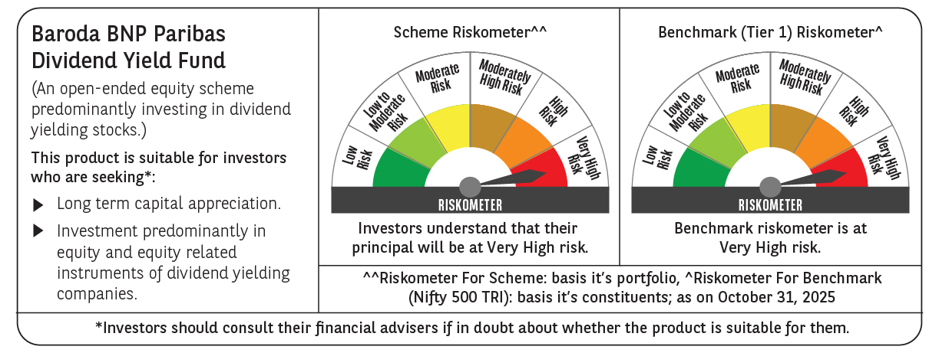

 | Monthly Performance Link: https://www.barodabnpparibasmf.in/assets/download_documents/Performance_of_Schemes-October_2025_15267.pdf

