T0ME38
 | Baroda BNP Paribas Dividend Yield Fund

 | Monthly Portfolio Statement as on November 30, 2025
 | Name of the Instrument | ISIN | Industry / Rating | Quantity | Market/Fair Value (Rs. in Lakhs) | % to Net Assets | YTM~ | YTC^ | null
 | Equity & Equity related
 | (a) Listed / awaiting listing on Stock Exchanges
RIND01 | Reliance Industries Limited | INE002A01018 | Petroleum Products | 378,000 | 5,925.15 | 7.19%
HDFB03 | HDFC Bank Limited | INE040A01034 | Banks | 500,000 | 5,038.00 | 6.11%
IBCL05 | ICICI Bank Limited | INE090A01021 | Banks | 237,500 | 3,298.40 | 4.00%
LARS02 | Larsen & Toubro Limited | INE018A01030 | Construction | 81,000 | 3,296.38 | 4.00%
KOMA02 | Kotak Mahindra Bank Limited | INE237A01028 | Banks | 144,000 | 3,059.14 | 3.71%
INFS02 | Infosys Limited | INE009A01021 | IT - Software | 160,000 | 2,496.16 | 3.03%
ALLI02 | GE Vernova T&D India Limited | INE200A01026 | Electrical Equipment | 81,000 | 2,333.93 | 2.83%
JBCH03 | JB Chemicals & Pharmaceuticals Limited | INE572A01036 | Pharmaceuticals & Biotechnology | 110,000 | 1,948.43 | 2.36%
CANB02 | Canara Bank | INE476A01022 | Banks | 1,250,000 | 1,894.75 | 2.30%
HERO02 | Hero MotoCorp Limited | INE158A01026 | Automobiles | 30,000 | 1,852.35 | 2.25%
HYUN01 | Hyundai Motor India Ltd | INE0V6F01027 | Automobiles | 75,000 | 1,744.50 | 2.12%
TCSL01 | Tata Consultancy Services Limited | INE467B01029 | IT - Software | 55,000 | 1,725.63 | 2.09%
SPIL03 | Sun Pharmaceutical Industries Limited | INE044A01036 | Pharmaceuticals & Biotechnology | 90,000 | 1,648.44 | 2.00%
DIVI02 | Divi's Laboratories Limited | INE361B01024 | Pharmaceuticals & Biotechnology | 25,000 | 1,619.25 | 1.96%
GLAX01 | GlaxoSmithKline Pharmaceuticals Limited | INE159A01016 | Pharmaceuticals & Biotechnology | 63,000 | 1,618.79 | 1.96%
HPEC01 | Hindustan Petroleum Corporation Limited | INE094A01015 | Petroleum Products | 324,000 | 1,482.30 | 1.80%
ULCC01 | UltraTech Cement Limited | INE481G01011 | Cement & Cement Products | 12,500 | 1,450.00 | 1.76%
RAKH02 | Radico Khaitan Limited | INE944F01028 | Beverages | 45,000 | 1,443.65 | 1.75%
BAFL03 | Bajaj Finance Limited | INE296A01032 | Finance | 135,000 | 1,400.63 | 1.70%
SESA02 | Vedanta Limited | INE205A01025 | Diversified Metals | 260,000 | 1,367.60 | 1.66%
MAHE01 | Max Healthcare Institute Limited | INE027H01010 | Healthcare Services | 117,000 | 1,360.48 | 1.65%
ICRA01 | ICRA Limited | INE725G01011 | Capital Markets | 21,000 | 1,301.58 | 1.58%
EIML02 | Eicher Motors Limited | INE066A01021 | Automobiles | 18,000 | 1,269.63 | 1.54%
NEST02 | Nestle India Limited | INE239A01024 | Food Products | 100,000 | 1,261.10 | 1.53%
DRRL03 | Dr. Reddy's Laboratories Limited | INE089A01031 | Pharmaceuticals & Biotechnology | 100,000 | 1,258.80 | 1.53%
IPLI01 | ICICI Prudential Life Insurance Company Limited | INE726G01019 | Insurance | 198,000 | 1,227.11 | 1.49%
ESCO01 | Escorts Kubota Limited | INE042A01014 | Agricultural, Commercial & Construction Vehicles | 32,000 | 1,221.57 | 1.48%
BHFO02 | Bharat Forge Limited | INE465A01025 | Auto Components | 85,000 | 1,218.73 | 1.48%
TEMA02 | Tech Mahindra Limited | INE669C01036 | IT - Software | 80,000 | 1,213.84 | 1.47%
SJVN01 | SJVN Limited | INE002L01015 | Power | 1,500,000 | 1,167.90 | 1.42%
OIIL01 | Oil India Limited | INE274J01014 | Oil | 270,000 | 1,115.64 | 1.35%
ITCL02 | ITC Limited | INE154A01025 | Diversified FMCG | 270,000 | 1,091.48 | 1.32%
BPCL01 | Bharat Petroleum Corporation Limited | INE029A01011 | Petroleum Products | 300,000 | 1,077.30 | 1.31%
IIFM02 | 360 One WAM Limited | INE466L01038 | Capital Markets | 90,000 | 1,064.88 | 1.29%
BRIT03 | Britannia Industries Limited | INE216A01030 | Food Products | 18,000 | 1,052.28 | 1.28%
IDBK01 | IDFC First Bank Limited | INE092T01019 | Banks | 1,300,000 | 1,041.69 | 1.26%
ILOM01 | ICICI Lombard General Insurance Company Limited | INE765G01017 | Insurance | 52,200 | 1,028.60 | 1.25%
NTPC01 | NTPC Limited | INE733E01010 | Power | 300,000 | 979.35 | 1.19%
HCLT02 | HCL Technologies Limited | INE860A01027 | IT - Software | 60,000 | 974.52 | 1.18%
MOTI02 | Bosch Limited | INE323A01026 | Auto Components | 2,600 | 938.86 | 1.14%
GAIL01 | GAIL (India) Limited | INE129A01019 | Gas | 532,616 | 937.88 | 1.14%
LGEL01 | LG Electronics India Ltd | INE324D01010 | Consumer Durables | 54,000 | 896.02 | 1.09%
ONGC02 | Oil & Natural Gas Corporation Limited | INE213A01029 | Oil | 360,000 | 875.70 | 1.06%
WIPR02 | Wipro Limited | INE075A01022 | IT - Software | 350,000 | 873.36 | 1.06%
TENN01 | Tenneco Clean Air India Limited | INE19RI01016 | Auto Components | 179,606 | 869.20 | 1.05%
CHOL02 | Cholamandalam Investment and Finance Company Ltd | INE121A01024 | Finance | 50,000 | 868.00 | 1.05%
GUOL01 | Gulf Oil Lubricants India Limited | INE635Q01029 | Petroleum Products | 72,000 | 850.90 | 1.03%
BASF01 | BASF India Limited | INE373A01013 | Chemicals & Petrochemicals | 20,000 | 831.36 | 1.01%
IFEL01 | Oracle Financial Services Software Limited | INE881D01027 | IT - Software | 10,000 | 810.70 | 0.98%
JYLL02 | Jyothy Labs Limited | INE668F01031 | Household Products | 270,000 | 810.14 | 0.98%
SKFB02 | SKF India Limited | INE640A01023 | Auto Components | 25,000 | 478.90 | 0.58%
MSUW01 | Motherson Sumi Wiring India Limited | INE0FS801015 | Auto Components | 1,000,000 | 456.60 | 0.55%
SKFI01 | SKF India (Industrial) Ltd ** | INE2J8701016 | Industrial Products | 25,000 | 677.10 | 0.82%
 | Sub Total |  |  |  | 79,744.68 | 96.72%
 | (b) Unlisted |  |  |  | NIL | NIL
 | Sub Total |  |  |  | NIL | NIL
 | Total |  |  |  | 79,744.68 | 96.72%
 | Money Market Instruments
 | Treasury Bill
TBIL2519 | 364 Days Tbill (MD 11/06/2026) | IN002025Z112 | Sovereign | 1,000,000 | 971.89 | 1.18% | 5.50%
 | Sub Total |  |  |  | 971.89 | 1.18%
 | Total |  |  |  | 971.89 | 1.18%
 | Reverse Repo / TREPS
TRP_011225 | Clearing Corporation of India Ltd |  |  |  | 2,453.57 | 2.98% | 5.43%
 | Sub Total |  |  |  | 2,453.57 | 2.98%
 | Total |  |  |  | 2,453.57 | 2.98%
 | Net Receivables / (Payables) |  |  |  | (725.52) | (0.88)%
 | GRAND TOTAL |  |  |  | 82,444.62 | 100.00%

 | ** Thinly Traded / Non Traded Security
 | ~ YTM as on November 30, 2025
 | ^ YTC represents Yield to Call provided by valuation agencies as on November 30, 2025. It is disclosed for Perpetual Bond issued by Banks (i.e. AT-1 Bond / Tier 1 Bond / Tier 2 Bond), as per AMFI Best Practices Guidelines Circular no. 135/BP/91/2020-21 read with SEBI circular No. SEBI/HO/IMD/DF4/CIR/P/2021/034 on Valuation of AT-1 Bonds and Tier 2 Bonds.

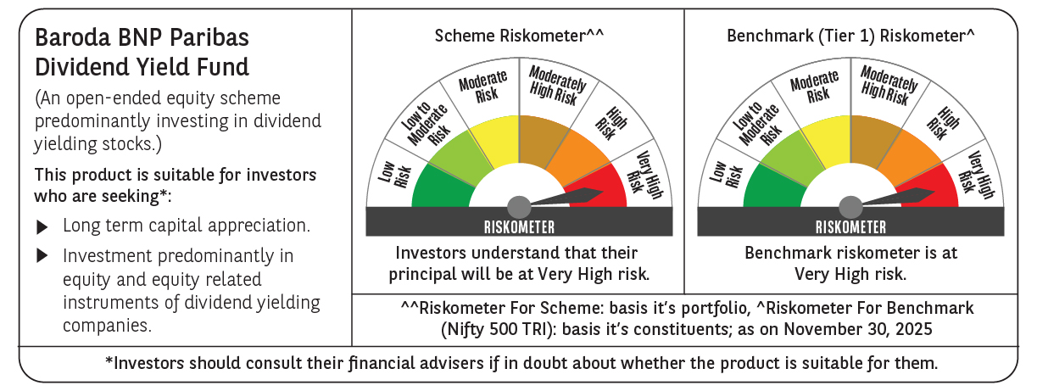

 | Monthly Performance Link: https://www.barodabnpparibasmf.in/assets/download_documents/Performance_of_Schemes_Nov-2025_15612.pdf

