Monthly Portfolio
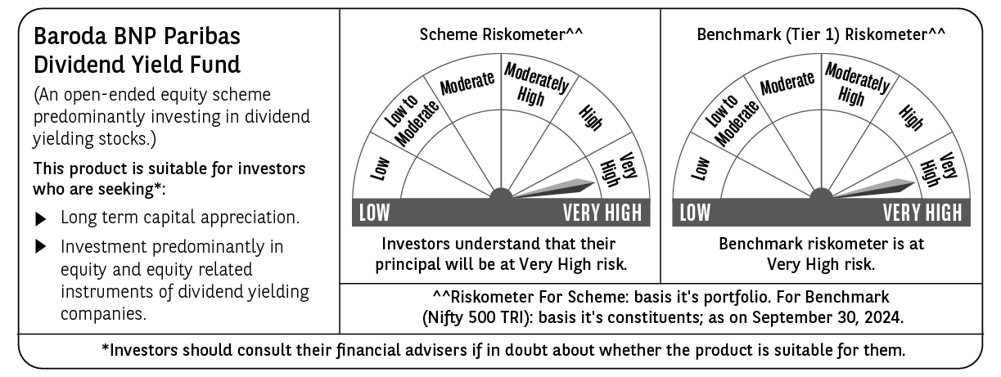
 | Baroda BNP Paribas Dividend Yield Fund

 | Monthly Portfolio Statement as on September 30, 2024
 | Name of the Instrument | ISIN | Industry / Rating | Quantity | Market/Fair Value (Rs. in Lakhs) | % to Net Assets | YTM~ | YTC^ | null
 | Equity & Equity related
 | (a) Listed / awaiting listing on Stock Exchanges
RIND01 | Reliance Industries Limited | INE002A01018 | Petroleum Products | 150,000 | 4,429.73 | 4.02%
HDFB03 | HDFC Bank Limited | INE040A01034 | Banks | 250,000 | 4,330.13 | 3.93%
NTPC01 | NTPC Limited | INE733E01010 | Power | 750,000 | 3,324.00 | 3.02%
ITCL02 | ITC Limited | INE154A01025 | Diversified FMCG | 630,000 | 3,264.35 | 2.96%
IBCL05 | ICICI Bank Limited | INE090A01021 | Banks | 250,000 | 3,182.50 | 2.89%
MAGL01 | Mahanagar Gas Limited | INE002S01010 | Gas | 150,000 | 2,910.60 | 2.64%
INFS02 | Infosys Limited | INE009A01021 | IT - Software | 130,000 | 2,438.28 | 2.21%
DRRL02 | Dr. Reddy's Laboratories Limited | INE089A01023 | Pharmaceuticals & Biotechnology | 33,000 | 2,228.03 | 2.02%
ALLI02 | GE T&D India Limited | INE200A01026 | Electrical Equipment | 129,032 | 2,169.03 | 1.97%
TCSL01 | Tata Consultancy Services Limited | INE467B01029 | IT - Software | 50,000 | 2,134.25 | 1.94%
GUOL01 | Gulf Oil Lubricants India Limited | INE635Q01029 | Petroleum Products | 150,000 | 2,076.00 | 1.89%
PGCI01 | Power Grid Corporation of India Limited | INE752E01010 | Power | 350,000 | 1,234.98 | 1.12%
HPEC01 | Hindustan Petroleum Corporation Limited | INE094A01015 | Petroleum Products | 280,000 | 1,233.54 | 1.12%
ASPA02 | Asian Paints Limited | INE021A01026 | Consumer Durables | 35,000 | 1,165.19 | 1.06%
SIEM02 | Siemens Limited | INE003A01024 | Electrical Equipment | 16,000 | 1,160.00 | 1.05%
IFEL01 | Oracle Financial Services Software Limited | INE881D01027 | IT - Software | 10,000 | 1,145.87 | 1.04%
COLG02 | Colgate Palmolive (India) Limited | INE259A01022 | Personal Products | 30,000 | 1,141.35 | 1.04%
BRIT03 | Britannia Industries Limited | INE216A01030 | Food Products | 18,000 | 1,140.87 | 1.04%
NAYV01 | NLC India Limited | INE589A01014 | Power | 400,000 | 1,130.00 | 1.03%
CHOL02 | Cholamandalam Investment and Finance Company Ltd | INE121A01024 | Finance | 70,000 | 1,125.60 | 1.02%
JYLL02 | Jyothy Labs Limited | INE668F01031 | Household Products | 200,000 | 1,116.00 | 1.01%
KOMA02 | Kotak Mahindra Bank Limited | INE237A01028 | Banks | 60,000 | 1,112.37 | 1.01%
PLNG01 | Petronet LNG Limited | INE347G01014 | Gas | 325,000 | 1,110.04 | 1.01%
HAIL03 | Havells India Limited | INE176B01034 | Consumer Durables | 55,000 | 1,107.10 | 1.01%
LARS02 | Larsen & Toubro Limited | INE018A01030 | Construction | 30,000 | 1,102.67 | 1.00%
GLAX01 | GlaxoSmithKline Pharmaceuticals Limited | INE159A01016 | Pharmaceuticals & Biotechnology | 40,000 | 1,100.22 | 1.00%
IPLI01 | ICICI Prudential Life Insurance Company Limited | INE726G01019 | Insurance | 140,000 | 1,092.21 | 0.99%
JUFL02 | Jubilant Foodworks Limited | INE797F01020 | Leisure Services | 160,000 | 1,091.04 | 0.99%
ILOM01 | ICICI Lombard General Insurance Company Limited | INE765G01017 | Insurance | 50,000 | 1,087.20 | 0.99%
LAKM02 | Trent Limited | INE849A01020 | Retailing | 14,000 | 1,060.45 | 0.96%
SJVN01 | SJVN Limited | INE002L01015 | Power | 800,000 | 1,060.08 | 0.96%
BFLS01 | Mphasis Limited | INE356A01018 | IT - Software | 35,000 | 1,053.64 | 0.96%
COAL01 | Coal India Limited | INE522F01014 | Consumable Fuels | 200,000 | 1,020.30 | 0.93%
ICRA01 | ICRA Limited | INE725G01011 | Capital Markets | 12,000 | 868.52 | 0.79%
BHFL01 | Bajaj Housing Finance Limited | INE377Y01014 | Finance | 546,576 | 842.05 | 0.76%
CGCE01 | Crompton Greaves Consumer Electricals Limited | INE299U01018 | Consumer Durables | 200,000 | 832.50 | 0.76%
BASF01 | BASF India Limited | INE373A01013 | Chemicals & Petrochemicals | 8,000 | 590.82 | 0.54%
IHOT02 | The Indian Hotels Company Limited | INE053A01029 | Leisure Services | 50,000 | 342.35 | 0.31%
MAHI02 | Mahindra & Mahindra Limited | INE101A01026 | Automobiles | 10,000 | 309.49 | 0.28%
ESCO01 | Escorts Kubota Limited | INE042A01014 | Agricultural, Commercial & Construction Vehicles | 7,000 | 298.82 | 0.27%
MAHE01 | Max Healthcare Institute Limited | INE027H01010 | Healthcare Services | 30,000 | 295.73 | 0.27%
HERO02 | Hero MotoCorp Limited | INE158A01026 | Automobiles | 5,000 | 285.62 | 0.26%
TELC03 | Tata Motors Limited | INE155A01022 | Automobiles | 25,000 | 243.66 | 0.22%
 | Sub Total |  |  |  | 61,987.18 | 56.29%
 | (b) Unlisted |  |  |  | NIL | NIL
 | Sub Total |  |  |  | NIL | NIL
 | Total |  |  |  | 61,987.18 | 56.29%
 | Derivatives
 | Index / Stock Futures
NIFTYFOCT24 | NIFTY October 2024 Future |  |  | 100,000 | 25,990.15 | 23.61%
BNIFYOCT24 | Bank Nifty Index October 2024 Future |  |  | 10,500 | 5,610.69 | 5.10%
 | Sub Total |  |  |  | 31,600.84 | 28.71%
 | Total |  |  |  | 31,600.84 | 28.71%
 | Money Market Instruments
 | Treasury Bill
TBIL2333 | 364 Days Tbill (MD 06/03/2025) | IN002023Z521 | Sovereign | 5,000,000 | 4,864.35 | 4.42% | 6.53%
TBIL2372 | 364 Days Tbill (MD 12/06/2025) | IN002024Z115 | Sovereign | 3,000,000 | 2,869.22 | 2.61% | 6.55%
 | Sub Total |  |  |  | 7,733.57 | 7.03%
 | Total |  |  |  | 7,733.57 | 7.03%
 | Reverse Repo / TREPS
TRP_011024 | Clearing Corporation of India Ltd |  |  |  | 43,333.66 | 39.36% | 6.65%
 | Sub Total |  |  |  | 43,333.66 | 39.36%
 | Total |  |  |  | 43,333.66 | 39.36%
 | Net Receivables / (Payables) |  |  |  | (34,556.68) | (31.39)%
 | GRAND TOTAL |  |  |  | 110,098.57 | 100.00%

 | ~ YTM as on September 30, 2024
 | ^ YTC represents Yield to Call provided by valuation agencies as on September 30, 2024. It is disclosed for Perpetual Bond issued by Banks (i.e. AT-1 Bond / Tier 1 Bond / Tier 2 Bond), as per AMFI Best Practices Guidelines Circular no. 135/BP/91/2020-21 read with SEBI circular No. SEBI/HO/IMD/DF4/CIR/P/2021/034 on Valuation of AT-1 Bonds and Tier 2 Bonds.
 | Details of Stock Future / Index Future
 | Long/Short | Name of the Instrument | Industry | Quantity. | Market/Fair Value (Rs. in Lacs). | % to NAV.
 | Long | NIFTY_31/10/2024 | Index | 100,000 | 25,990.15 | 23.61%
 | Long | Bank Nifty | Index | 10,500 | 5,610.69 | 5.10%

