T0ME38
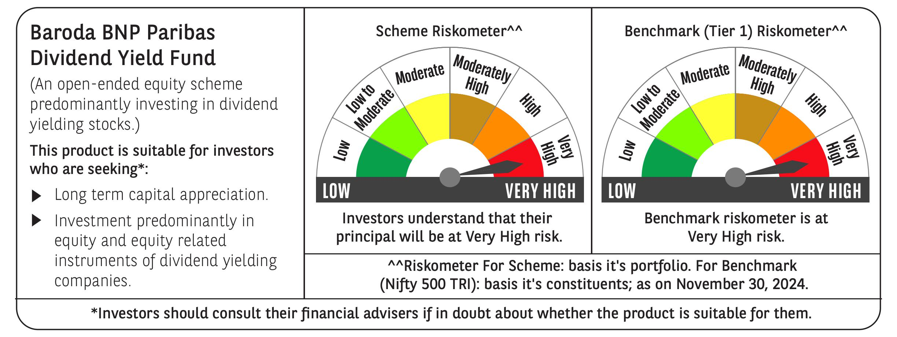
 | Baroda BNP Paribas Dividend Yield Fund

 | Monthly Portfolio Statement as on November 30, 2024
 | Name of the Instrument | ISIN | Industry / Rating | Quantity | Market/Fair Value (Rs. in Lakhs) | % to Net Assets | YTM~ | YTC^ | null
 | Equity & Equity related
 | (a) Listed / awaiting listing on Stock Exchanges
HDFB03 | HDFC Bank Limited | INE040A01034 | Banks | 360,000 | 6,465.78 | 6.22%
ITCL02 | ITC Limited | INE154A01025 | Diversified FMCG | 1,000,000 | 4,767.50 | 4.59%
INFS02 | Infosys Limited | INE009A01021 | IT - Software | 230,000 | 4,273.06 | 4.11%
IBCL05 | ICICI Bank Limited | INE090A01021 | Banks | 300,000 | 3,900.30 | 3.75%
RIND01 | Reliance Industries Limited | INE002A01018 | Petroleum Products | 300,000 | 3,876.60 | 3.73%
TCSL01 | Tata Consultancy Services Limited | INE467B01029 | IT - Software | 75,000 | 3,203.14 | 3.08%
KOMA02 | Kotak Mahindra Bank Limited | INE237A01028 | Banks | 180,000 | 3,177.45 | 3.06%
IHOT02 | The Indian Hotels Company Limited | INE053A01029 | Leisure Services | 350,000 | 2,776.73 | 2.67%
NTPC01 | NTPC Limited | INE733E01010 | Power | 750,000 | 2,727.38 | 2.62%
MAGL01 | Mahanagar Gas Limited | INE002S01010 | Gas | 210,000 | 2,502.68 | 2.41%
ALLI02 | GE Vernova T&D India Limited | INE200A01026 | Electrical Equipment | 129,032 | 2,266.06 | 2.18%
HCLT02 | HCL Technologies Limited | INE860A01027 | IT - Software | 120,000 | 2,217.66 | 2.13%
SPIL03 | Sun Pharmaceutical Industries Limited | INE044A01036 | Pharmaceuticals & Biotechnology | 120,000 | 2,137.08 | 2.06%
HPEC01 | Hindustan Petroleum Corporation Limited | INE094A01015 | Petroleum Products | 530,000 | 2,030.43 | 1.95%
DRRL03 | Dr. Reddy's Laboratories Limited | INE089A01031 | Pharmaceuticals & Biotechnology | 165,000 | 1,983.80 | 1.91%
ILOM01 | ICICI Lombard General Insurance Company Limited | INE765G01017 | Insurance | 100,000 | 1,861.85 | 1.79%
TOPH02 | Torrent Pharmaceuticals Limited | INE685A01028 | Pharmaceuticals & Biotechnology | 55,000 | 1,828.31 | 1.76%
HYUN01 | Hyundai Motor India Ltd | INE0V6F01027 | Automobiles | 94,278 | 1,806.89 | 1.74%
PFCL01 | Power Finance Corporation Limited | INE134E01011 | Finance | 350,000 | 1,733.55 | 1.67%
GUOL01 | Gulf Oil Lubricants India Limited | INE635Q01029 | Petroleum Products | 150,000 | 1,657.88 | 1.59%
HINI02 | Hindalco Industries Limited | INE038A01020 | Non - Ferrous Metals | 225,000 | 1,476.45 | 1.42%
IPLI01 | ICICI Prudential Life Insurance Company Limited | INE726G01019 | Insurance | 210,000 | 1,469.27 | 1.41%
GLAX01 | GlaxoSmithKline Pharmaceuticals Limited | INE159A01016 | Pharmaceuticals & Biotechnology | 60,000 | 1,466.64 | 1.41%
JVSL04 | JSW Steel Limited | INE019A01038 | Ferrous Metals | 150,000 | 1,449.00 | 1.39%
ICRA01 | ICRA Limited | INE725G01011 | Capital Markets | 21,000 | 1,438.02 | 1.38%
MAHE01 | Max Healthcare Institute Limited | INE027H01010 | Healthcare Services | 130,000 | 1,273.68 | 1.22%
DIVI02 | Divi's Laboratories Limited | INE361B01024 | Pharmaceuticals & Biotechnology | 20,000 | 1,234.54 | 1.19%
SIEM02 | Siemens Limited | INE003A01024 | Electrical Equipment | 16,000 | 1,209.74 | 1.16%
MAHI02 | Mahindra & Mahindra Limited | INE101A01026 | Automobiles | 40,000 | 1,186.44 | 1.14%
IFEL01 | Oracle Financial Services Software Limited | INE881D01027 | IT - Software | 10,000 | 1,169.65 | 1.12%
JUFL02 | Jubilant Foodworks Limited | INE797F01020 | Leisure Services | 180,000 | 1,160.19 | 1.12%
WIPR02 | Wipro Limited | INE075A01022 | IT - Software | 200,000 | 1,155.70 | 1.11%
PGCI01 | Power Grid Corporation of India Limited | INE752E01010 | Power | 350,000 | 1,152.90 | 1.11%
HLEL02 | Hindustan Unilever Limited | INE030A01027 | Diversified FMCG | 45,000 | 1,123.27 | 1.08%
LARS02 | Larsen & Toubro Limited | INE018A01030 | Construction | 30,000 | 1,117.44 | 1.07%
HAIL03 | Havells India Limited | INE176B01034 | Consumer Durables | 65,000 | 1,116.70 | 1.07%
RAKH02 | Radico Khaitan Limited | INE944F01028 | Beverages | 45,000 | 1,106.03 | 1.06%
COCH02 | Cochin Shipyard Limited | INE704P01025 | Industrial Manufacturing | 70,000 | 1,104.11 | 1.06%
BRIT03 | Britannia Industries Limited | INE216A01030 | Food Products | 22,000 | 1,087.05 | 1.05%
BASF01 | BASF India Limited | INE373A01013 | Chemicals & Petrochemicals | 18,000 | 1,083.02 | 1.04%
PLNG01 | Petronet LNG Limited | INE347G01014 | Gas | 325,000 | 1,082.58 | 1.04%
CGCE01 | Crompton Greaves Consumer Electricals Limited | INE299U01018 | Consumer Durables | 260,000 | 1,065.22 | 1.02%
SJVN01 | SJVN Limited | INE002L01015 | Power | 925,000 | 1,062.73 | 1.02%
TELC03 | Tata Motors Limited | INE155A01022 | Automobiles | 135,000 | 1,061.71 | 1.02%
ONGC02 | Oil & Natural Gas Corporation Limited | INE213A01029 | Oil | 410,000 | 1,052.47 | 1.01%
BPCL01 | Bharat Petroleum Corporation Limited | INE029A01011 | Petroleum Products | 360,000 | 1,051.56 | 1.01%
SKFB02 | SKF India Limited | INE640A01023 | Industrial Products | 21,000 | 1,051.32 | 1.01%
JYLL02 | Jyothy Labs Limited | INE668F01031 | Household Products | 250,000 | 1,050.25 | 1.01%
CHOL02 | Cholamandalam Investment and Finance Company Ltd | INE121A01024 | Finance | 85,000 | 1,048.86 | 1.01%
HERO02 | Hero MotoCorp Limited | INE158A01026 | Automobiles | 22,000 | 1,047.57 | 1.01%
COAL01 | Coal India Limited | INE522F01014 | Consumable Fuels | 250,000 | 1,041.00 | 1.00%
NAYV01 | NLC India Limited | INE589A01014 | Power | 400,000 | 1,035.40 | 1.00%
TPOW02 | Tata Power Company Limited | INE245A01021 | Power | 250,000 | 1,035.38 | 1.00%
ESCO01 | Escorts Kubota Limited | INE042A01014 | Agricultural, Commercial & Construction Vehicles | 29,000 | 1,030.63 | 0.99%
LAKM02 | Trent Limited | INE849A01020 | Retailing | 7,500 | 509.66 | 0.49%
OIIL01 | Oil India Limited | INE274J01014 | Oil | 100,000 | 490.60 | 0.47%
 | Sub Total |  |  |  | 97,490.91 | 93.74%
 | (b) Unlisted |  |  |  | NIL | NIL
 | Sub Total |  |  |  | NIL | NIL
 | Total |  |  |  | 97,490.91 | 93.74%
 | Derivatives
 | Index / Stock Futures
NIFTYFDEC24 | NIFTY December 2024 Future |  |  | 10,000 | 2,430.42 | 2.34%
 | Sub Total |  |  |  | 2,430.42 | 2.34%
 | Total |  |  |  | 2,430.42 | 2.34%
 | Money Market Instruments
 | Treasury Bill
TBIL2333 | 364 Days Tbill (MD 06/03/2025) | IN002023Z521 | Sovereign | 3,000,000 | 2,950.32 | 2.84% | 6.47%
 | Sub Total |  |  |  | 2,950.32 | 2.84%
 | Total |  |  |  | 2,950.32 | 2.84%
 | Reverse Repo / TREPS
TRP_021224 | Clearing Corporation of India Ltd |  |  |  | 4,932.18 | 4.74% | 6.69%
 | Sub Total |  |  |  | 4,932.18 | 4.74%
 | Total |  |  |  | 4,932.18 | 4.74%
 | Net Receivables / (Payables) |  |  |  | (3,824.38) | (3.66)%
 | GRAND TOTAL |  |  |  | 103,979.45 | 100.00%

 | ~ YTM as on November 30, 2024
 | ^ YTC represents Yield to Call provided by valuation agencies as on November 30, 2024. It is disclosed for Perpetual Bond issued by Banks (i.e. AT-1 Bond / Tier 1 Bond / Tier 2 Bond), as per AMFI Best Practices Guidelines Circular no. 135/BP/91/2020-21 re
 | Details of Stock Future / Index Future
 | Long/Short | Name of the Instrument | Industry | Quantity. | Market/Fair Value (Rs. in Lacs). | % to NAV.
 | Long | NIFTY_26/12/2024 | Index | 10,000 | 2,430.42 | 2.34%

