T0ME39
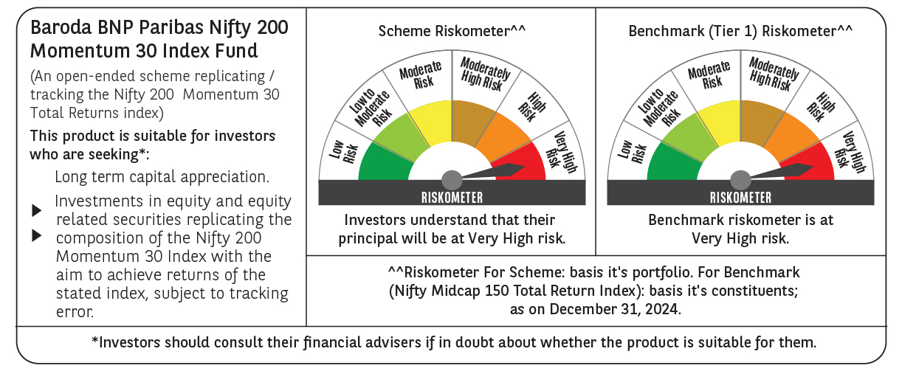
 | Baroda BNP Paribas Nifty200 Momentum 30 Index Fund

 | Monthly Portfolio Statement as on December 31, 2024
 | Name of the Instrument | ISIN | Industry | Quantity | Market/Fair Value (Rs. in Lakhs) | % to Net Assets | YTM~ | YTC^ | null
 | Equity & Equity related
 | (a) Listed / awaiting listing on Stock Exchanges
ZMPL01 | Zomato Limited | INE758T01015 | Retailing | 49,060 | 136.41 | 5.08%
SPIL03 | Sun Pharmaceutical Industries Limited | INE044A01036 | Pharmaceuticals & Biotechnology | 7,167 | 135.19 | 5.03%
HCLT02 | HCL Technologies Limited | INE860A01027 | IT - Software | 7,013 | 134.47 | 5.00%
TEMA02 | Tech Mahindra Limited | INE669C01036 | IT - Software | 7,875 | 134.36 | 5.00%
MAHI02 | Mahindra & Mahindra Limited | INE101A01026 | Automobiles | 4,451 | 133.85 | 4.98%
DIXO02 | Dixon Technologies (India) Limited | INE935N01020 | Consumer Durables | 741 | 132.91 | 4.95%
INFS02 | Infosys Limited | INE009A01021 | IT - Software | 7,056 | 132.65 | 4.94%
BTVL02 | Bharti Airtel Limited | INE397D01024 | Telecom - Services | 8,274 | 131.37 | 4.89%
LAKM02 | Trent Limited | INE849A01020 | Retailing | 1,839 | 131.00 | 4.88%
PSYL02 | Persistent Systems Limited | INE262H01021 | IT - Software | 1,901 | 122.76 | 4.57%
DIVI02 | Divi's Laboratories Limited | INE361B01024 | Pharmaceuticals & Biotechnology | 1,989 | 121.31 | 4.51%
IHOT02 | The Indian Hotels Company Limited | INE053A01029 | Leisure Services | 12,933 | 113.49 | 4.22%
NITL01 | Coforge Limited | INE591G01017 | IT - Software | 1,034 | 99.91 | 3.72%
IEIN01 | Info Edge (India) Limited | INE663F01024 | Retailing | 1,140 | 98.92 | 3.68%
ESMC02 | PB Fintech Limited | INE417T01026 | Financial Technology (Fintech) | 4,635 | 97.75 | 3.64%
BHEL02 | Bharat Electronics Limited | INE263A01024 | Aerospace & Defense | 33,281 | 97.56 | 3.63%
BSEL02 | BSE Limited | INE118H01025 | Capital Markets | 1,576 | 83.93 | 3.12%
LUPL02 | Lupin Limited | INE326A01037 | Pharmaceuticals & Biotechnology | 2,917 | 68.72 | 2.56%
SESA02 | Vedanta Limited | INE205A01025 | Diversified Metals | 14,821 | 65.87 | 2.45%
SIEM02 | Siemens Limited | INE003A01024 | Electrical Equipment | 960 | 62.75 | 2.34%
MCSP02 | United Spirits Limited | INE854D01024 | Beverages | 3,633 | 59.05 | 2.20%
KALJ01 | Kalyan Jewellers India Limited | INE303R01014 | Consumer Durables | 7,510 | 57.55 | 2.14%
IFEL01 | Oracle Financial Services Software Limited | INE881D01027 | IT - Software | 426 | 54.48 | 2.03%
FEBA02 | The Federal Bank Limited | INE171A01029 | Banks | 26,183 | 52.37 | 1.95%
VOLT02 | Voltas Limited | INE226A01021 | Consumer Durables | 2,888 | 51.69 | 1.92%
MOSU03 | Samvardhana Motherson International Limited | INE775A01035 | Auto Components | 25,430 | 39.70 | 1.48%
ONCO02 | One 97 Communications Limited | INE982J01020 | Financial Technology (Fintech) | 3,781 | 38.48 | 1.43%
TOPH02 | Torrent Pharmaceuticals Limited | INE685A01028 | Pharmaceuticals & Biotechnology | 1,133 | 38.07 | 1.42%
MOTI02 | Bosch Limited | INE323A01026 | Auto Components | 92 | 31.37 | 1.17%
OIIL01 | Oil India Limited | INE274J01014 | Oil | 5,818 | 25.06 | 0.93%
 | Sub Total |  |  |  | 2,683.00 | 99.86%
 | (b) Unlisted |  |  |  | NIL | NIL
 | Sub Total |  |  |  | NIL | NIL
 | Total |  |  |  | 2,683.00 | 99.86%
 | Reverse Repo / TREPS
TRP_010125 | Clearing Corporation of India Ltd |  |  |  | 10.30 | 0.38% | 6.58%
 | Sub Total |  |  |  | 10.30 | 0.38%
 | Total |  |  |  | 10.30 | 0.38%
 | Net Receivables / (Payables) |  |  |  | (6.41) | (0.24)%
 | GRAND TOTAL |  |  |  | 2,686.89 | 100.00%

 | ~ YTM as on December 31, 2024
 | ^ YTC represents Yield to Call provided by valuation agencies as on December 31, 2024. It is disclosed for Perpetual Bond issued by Banks (i.e. AT-1 Bond / Tier 1 Bond / Tier 2 Bond), as per AMFI Best Practices Guidelines Circular no. 135/BP/91/2020-21 re

