T0ME39
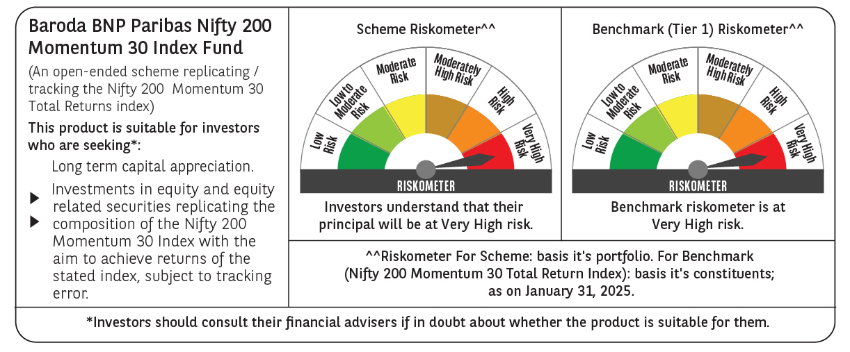
 | Baroda BNP Paribas Nifty200 Momentum 30 Index Fund

 | Monthly Portfolio Statement as on January 31, 2025
 | Name of the Instrument | ISIN | Industry | Quantity | Market/Fair Value (Rs. in Lakhs) | % to Net Assets | YTM~ | YTC^ | null
 | Equity & Equity related
 | (a) Listed / awaiting listing on Stock Exchanges
BTVL02 | Bharti Airtel Limited | INE397D01024 | Telecom - Services | 8,595 | 139.78 | 5.68%
MAHI02 | Mahindra & Mahindra Limited | INE101A01026 | Automobiles | 4,544 | 135.86 | 5.52%
INFS02 | Infosys Limited | INE009A01021 | IT - Software | 7,081 | 133.11 | 5.41%
TEMA02 | Tech Mahindra Limited | INE669C01036 | IT - Software | 7,926 | 132.72 | 5.40%
SPIL03 | Sun Pharmaceutical Industries Limited | INE044A01036 | Pharmaceuticals & Biotechnology | 7,344 | 128.08 | 5.21%
HCLT02 | HCL Technologies Limited | INE860A01027 | IT - Software | 7,127 | 122.97 | 5.00%
DIVI02 | Divi's Laboratories Limited | INE361B01024 | Pharmaceuticals & Biotechnology | 2,110 | 117.69 | 4.78%
PSYL02 | Persistent Systems Limited | INE262H01021 | IT - Software | 1,917 | 115.64 | 4.70%
DIXO02 | Dixon Technologies (India) Limited | INE935N01020 | Consumer Durables | 740 | 110.90 | 4.51%
ZMPL01 | Zomato Limited | INE758T01015 | Retailing | 49,498 | 109.07 | 4.43%
LAKM02 | Trent Limited | INE849A01020 | Retailing | 1,853 | 106.61 | 4.33%
IHOT02 | The Indian Hotels Company Limited | INE053A01029 | Leisure Services | 13,110 | 100.25 | 4.08%
BHEL02 | Bharat Electronics Limited | INE263A01024 | Aerospace & Defense | 33,710 | 98.65 | 4.01%
IEIN01 | Info Edge (India) Limited | INE663F01024 | Retailing | 1,147 | 88.59 | 3.60%
NITL01 | Coforge Limited | INE591G01017 | IT - Software | 1,056 | 87.27 | 3.55%
BSEL02 | BSE Limited | INE118H01025 | Capital Markets | 1,604 | 85.11 | 3.46%
ESMC02 | PB Fintech Limited | INE417T01026 | Financial Technology (Fintech) | 4,629 | 79.93 | 3.25%
SESA02 | Vedanta Limited | INE205A01025 | Diversified Metals | 15,146 | 66.85 | 2.72%
LUPL02 | Lupin Limited | INE326A01037 | Pharmaceuticals & Biotechnology | 3,040 | 63.25 | 2.57%
SIEM02 | Siemens Limited | INE003A01024 | Electrical Equipment | 977 | 59.34 | 2.41%
MCSP02 | United Spirits Limited | INE854D01024 | Beverages | 3,770 | 53.68 | 2.18%
FEBA02 | The Federal Bank Limited | INE171A01029 | Banks | 26,503 | 49.62 | 2.02%
IFEL01 | Oracle Financial Services Software Limited | INE881D01027 | IT - Software | 426 | 38.86 | 1.58%
TOPH02 | Torrent Pharmaceuticals Limited | INE685A01028 | Pharmaceuticals & Biotechnology | 1,176 | 38.44 | 1.56%
VOLT02 | Voltas Limited | INE226A01021 | Consumer Durables | 3,012 | 37.98 | 1.54%
MOSU03 | Samvardhana Motherson International Limited | INE775A01035 | Auto Components | 26,164 | 36.96 | 1.50%
KALJ01 | Kalyan Jewellers India Limited | INE303R01014 | Consumer Durables | 6,840 | 34.41 | 1.40%
ONCO02 | One 97 Communications Limited | INE982J01020 | Financial Technology (Fintech) | 3,839 | 29.78 | 1.21%
MOTI02 | Bosch Limited | INE323A01026 | Auto Components | 95 | 27.29 | 1.11%
OIIL01 | Oil India Limited | INE274J01014 | Oil | 5,939 | 24.97 | 1.02%
 | Sub Total |  |  |  | 2,453.66 | 99.74%
 | (b) Unlisted |  |  |  | NIL | NIL
 | Sub Total |  |  |  | NIL | NIL
 | Total |  |  |  | 2,453.66 | 99.74%
 | Reverse Repo / TREPS
TRP_030225 | Clearing Corporation of India Ltd |  |  |  | 7.90 | 0.32% | 6.54%
 | Sub Total |  |  |  | 7.90 | 0.32%
 | Total |  |  |  | 7.90 | 0.32%
 | Net Receivables / (Payables) |  |  |  | (1.85) | (0.06)%
 | GRAND TOTAL |  |  |  | 2,459.71 | 100.00%

 | ~ YTM as on January 31, 2025
 | ^ YTC represents Yield to Call provided by valuation agencies as on January 31, 2025. It is disclosed for Perpetual Bond issued by Banks (i.e. AT-1 Bond / Tier 1 Bond / Tier 2 Bond), as per AMFI Best Practices Guidelines Circular no. 135/BP/91/2020-21 read with SEBI circular No. SEBI/HO/IMD/DF4/CIR/P/2021/034 on Valuation of AT-1 Bonds and Tier 2 Bonds.

