Monthly Portfolio
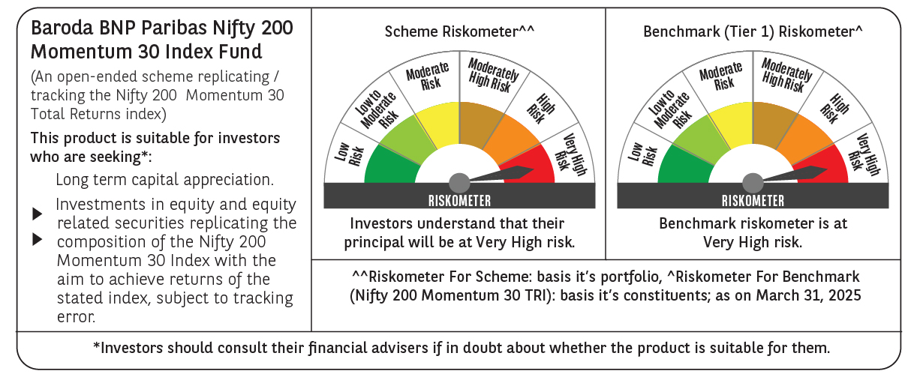
 | Baroda BNP Paribas Nifty200 Momentum 30 Index Fund

 | Monthly Portfolio Statement as on March 31, 2025
 | Name of the Instrument | ISIN | Industry | Quantity | Market/Fair Value (Rs. in Lakhs) | % to Net Assets | YTM~ | YTC^ | null
 | Equity & Equity related
 | (a) Listed / awaiting listing on Stock Exchanges
BTVL02 | Bharti Airtel Limited | INE397D01024 | Telecom - Services | 8,323 | 144.27 | 6.29%
SPIL03 | Sun Pharmaceutical Industries Limited | INE044A01036 | Pharmaceuticals & Biotechnology | 7,311 | 126.82 | 5.53%
MAHI02 | Mahindra & Mahindra Limited | INE101A01026 | Automobiles | 4,499 | 119.93 | 5.23%
DIVI02 | Divi's Laboratories Limited | INE361B01024 | Pharmaceuticals & Biotechnology | 2,009 | 116.03 | 5.06%
HCLT02 | HCL Technologies Limited | INE860A01027 | IT - Software | 7,019 | 111.78 | 4.87%
TEMA02 | Tech Mahindra Limited | INE669C01036 | IT - Software | 7,702 | 109.23 | 4.76%
INFS02 | Infosys Limited | INE009A01021 | IT - Software | 6,938 | 108.97 | 4.75%
BHEL02 | Bharat Electronics Limited | INE263A01024 | Aerospace & Defense | 34,219 | 103.11 | 4.49%
IHOT02 | The Indian Hotels Company Limited | INE053A01029 | Leisure Services | 12,878 | 101.42 | 4.42%
PSYL02 | Persistent Systems Limited | INE262H01021 | IT - Software | 1,811 | 99.85 | 4.35%
ZMPL01 | Zomato Limited | INE758T01015 | Retailing | 48,865 | 98.56 | 4.30%
LAKM02 | Trent Limited | INE849A01020 | Retailing | 1,843 | 98.14 | 4.28%
DIXO02 | Dixon Technologies (India) Limited | INE935N01020 | Consumer Durables | 727 | 95.81 | 4.18%
BSEL02 | BSE Limited | INE118H01025 | Capital Markets | 1,501 | 82.25 | 3.59%
NITL01 | Coforge Limited | INE591G01017 | IT - Software | 999 | 81.01 | 3.53%
IEIN01 | Info Edge (India) Limited | INE663F01024 | Retailing | 1,112 | 79.86 | 3.48%
ESMC02 | PB Fintech Limited | INE417T01026 | Financial Technology (Fintech) | 4,511 | 71.71 | 3.13%
SESA02 | Vedanta Limited | INE205A01025 | Diversified Metals | 14,852 | 68.82 | 3.00%
LUPL02 | Lupin Limited | INE326A01037 | Pharmaceuticals & Biotechnology | 3,032 | 61.49 | 2.68%
SIEM02 | Siemens Limited | INE003A01024 | Electrical Equipment | 1,000 | 52.75 | 2.30%
MCSP02 | United Spirits Limited | INE854D01024 | Beverages | 3,552 | 49.77 | 2.17%
FEBA02 | The Federal Bank Limited | INE171A01029 | Banks | 25,585 | 49.31 | 2.15%
VOLT02 | Voltas Limited | INE226A01021 | Consumer Durables | 2,897 | 42.26 | 1.84%
TOPH02 | Torrent Pharmaceuticals Limited | INE685A01028 | Pharmaceuticals & Biotechnology | 1,113 | 35.93 | 1.57%
KALJ01 | Kalyan Jewellers India Limited | INE303R01014 | Consumer Durables | 7,604 | 35.53 | 1.55%
MOSU03 | Samvardhana Motherson International Limited | INE775A01035 | Auto Components | 26,634 | 34.88 | 1.52%
IFEL01 | Oracle Financial Services Software Limited | INE881D01027 | IT - Software | 419 | 32.90 | 1.43%
ONCO02 | One 97 Communications Limited | INE982J01020 | Financial Technology (Fintech) | 3,635 | 28.48 | 1.24%
MOTI02 | Bosch Limited | INE323A01026 | Auto Components | 93 | 26.37 | 1.15%
OIIL01 | Oil India Limited | INE274J01014 | Oil | 5,721 | 22.13 | 0.96%
 | Sub Total |  |  |  | 2,289.37 | 99.80%
 | (b) Unlisted |  |  |  | NIL | NIL
 | Sub Total |  |  |  | NIL | NIL
 | Total |  |  |  | 2,289.37 | 99.80%
 | Reverse Repo / TREPS
TRP_020425 | Clearing Corporation of India Ltd |  |  |  | 5.38 | 0.23% | 6.68%
 | Sub Total |  |  |  | 5.38 | 0.23%
 | Total |  |  |  | 5.38 | 0.23%
 | Net Receivables / (Payables) |  |  |  | (0.60) | (0.03)%
 | GRAND TOTAL |  |  |  | 2,294.15 | 100.00%

 | ~ YTM as on March 31, 2025
 | ^ YTC represents Yield to Call provided by valuation agencies as on March 31, 2025. It is disclosed for Perpetual Bond issued by Banks (i.e. AT-1 Bond / Tier 1 Bond / Tier 2 Bond), as per AMFI Best Practices Guidelines Circular no. 135/BP/91/2020-21 read with SEBI circular No. SEBI/HO/IMD/DF4/CIR/P/2021/034 on Valuation of AT-1 Bonds and Tier 2 Bonds.

