T0ME39
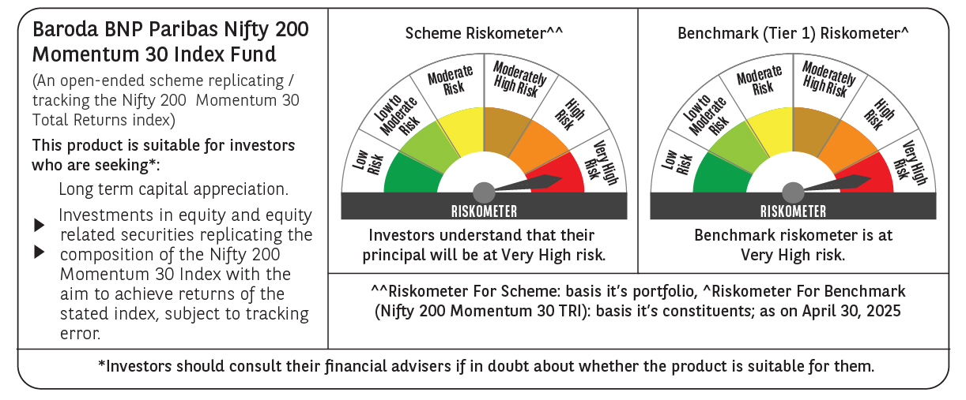
 | Baroda BNP Paribas Nifty200 Momentum 30 Index Fund

 | Monthly Portfolio Statement as on April 30, 2025
 | Name of the Instrument | ISIN | Industry | Quantity | Market/Fair Value (Rs. in Lakhs) | % to Net Assets | YTM~ | YTC^ | null
 | Equity & Equity related
 | (a) Listed / awaiting listing on Stock Exchanges
BTVL02 | Bharti Airtel Limited | INE397D01024 | Telecom - Services | 8,385 | 156.34 | 6.41%
SPIL03 | Sun Pharmaceutical Industries Limited | INE044A01036 | Pharmaceuticals & Biotechnology | 7,222 | 132.33 | 5.42%
MAHI02 | Mahindra & Mahindra Limited | INE101A01026 | Automobiles | 4,417 | 129.37 | 5.30%
DIVI02 | Divi's Laboratories Limited | INE361B01024 | Pharmaceuticals & Biotechnology | 2,041 | 124.24 | 5.09%
DIXO02 | Dixon Technologies (India) Limited | INE935N01020 | Consumer Durables | 755 | 124.21 | 5.09%
ZMPL01 | Eternal Limited | INE758T01015 | Retailing | 49,378 | 114.81 | 4.71%
TEMA02 | Tech Mahindra Limited | INE669C01036 | IT - Software | 7,539 | 113.31 | 4.64%
BHEL02 | Bharat Electronics Limited | INE263A01024 | Aerospace & Defense | 34,718 | 109.05 | 4.47%
IHOT02 | The Indian Hotels Company Limited | INE053A01029 | Leisure Services | 13,346 | 105.13 | 4.31%
HCLT02 | HCL Technologies Limited | INE860A01027 | IT - Software | 6,615 | 103.69 | 4.25%
INFS02 | Infosys Limited | INE009A01021 | IT - Software | 6,860 | 102.91 | 4.22%
LAKM02 | Trent Limited | INE849A01020 | Retailing | 1,923 | 99.47 | 4.08%
BSEL02 | BSE Limited | INE118H01025 | Capital Markets | 1,560 | 99.20 | 4.07%
PSYL02 | Persistent Systems Limited | INE262H01021 | IT - Software | 1,799 | 95.73 | 3.92%
IEIN01 | Info Edge (India) Limited | INE663F01024 | Retailing | 1,136 | 80.31 | 3.29%
ESMC02 | PB Fintech Limited | INE417T01026 | Financial Technology (Fintech) | 4,839 | 78.65 | 3.22%
NITL01 | Coforge Limited | INE591G01017 | IT - Software | 978 | 71.44 | 2.93%
SESA02 | Vedanta Limited | INE205A01025 | Diversified Metals | 15,189 | 63.67 | 2.61%
LUPL02 | Lupin Limited | INE326A01037 | Pharmaceuticals & Biotechnology | 2,982 | 62.49 | 2.56%
MCSP02 | United Spirits Limited | INE854D01024 | Beverages | 3,703 | 57.91 | 2.37%
SIEM02 | Siemens Limited | INE003A01024 | Electrical Equipment | 1,866 | 54.14 | 2.22%
FEBA02 | The Federal Bank Limited | INE171A01029 | Banks | 26,865 | 52.84 | 2.17%
KALJ01 | Kalyan Jewellers India Limited | INE303R01014 | Consumer Durables | 7,609 | 39.30 | 1.61%
VOLT02 | Voltas Limited | INE226A01021 | Consumer Durables | 3,075 | 38.01 | 1.56%
TOPH02 | Torrent Pharmaceuticals Limited | INE685A01028 | Pharmaceuticals & Biotechnology | 1,112 | 36.94 | 1.51%
IFEL01 | Oracle Financial Services Software Limited | INE881D01027 | IT - Software | 409 | 35.67 | 1.46%
MOSU03 | Samvardhana Motherson International Limited | INE775A01035 | Auto Components | 25,995 | 34.64 | 1.42%
ONCO02 | One 97 Communications Limited | INE982J01020 | Financial Technology (Fintech) | 3,842 | 33.22 | 1.36%
MOTI02 | Bosch Limited | INE323A01026 | Auto Components | 94 | 27.69 | 1.13%
OIIL01 | Oil India Limited | INE274J01014 | Oil | 5,906 | 24.26 | 0.99%
SENE01 | Siemens Energy India Limited ** | INE1NPP01017 | Electrical Equipment | 966 | 23.94 | 0.98%
 | Sub Total |  |  |  | 2,424.91 | 99.37%
 | (b) Unlisted |  |  |  | NIL | NIL
 | Sub Total |  |  |  | NIL | NIL
 | Total |  |  |  | 2,424.91 | 99.37%
 | Reverse Repo / TREPS
TRP_020525 | Clearing Corporation of India Ltd |  |  |  | 15.04 | 0.62% | 5.94%
 | Sub Total |  |  |  | 15.04 | 0.62%
 | Total |  |  |  | 15.04 | 0.62%
 | Net Receivables / (Payables) |  |  |  | (0.42) | 0.01%
 | GRAND TOTAL |  |  |  | 2,439.53 | 100.00%

 | ** Thinly Traded / Non Traded Security
 | ~ YTM as on April 30, 2025
 | ^ YTC represents Yield to Call provided by valuation agencies as on April 30, 2025. It is disclosed for Perpetual Bond issued by Banks (i.e. AT-1 Bond / Tier 1 Bond / Tier 2 Bond), as per AMFI Best Practices Guidelines Circular no. 135/BP/91/2020-21 read with SEBI circular No. SEBI/HO/IMD/DF4/CIR/P/2021/034 on Valuation of AT-1 Bonds and Tier 2 Bonds.

