T0ME39
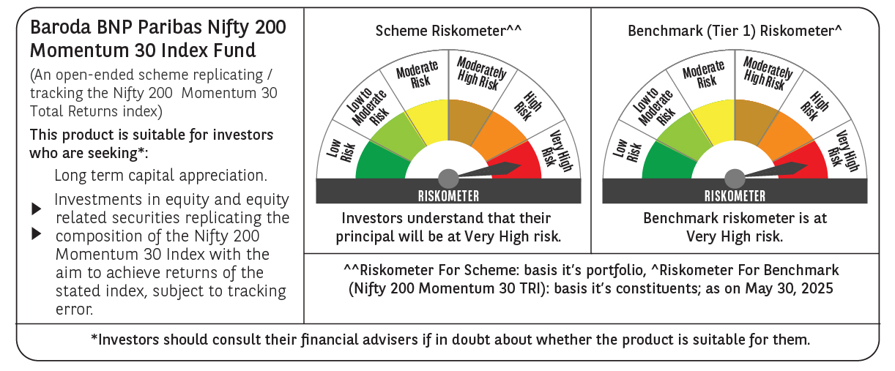
 | Baroda BNP Paribas Nifty200 Momentum 30 Index Fund

 | Monthly Portfolio Statement as on May 31, 2025
 | Name of the Instrument | ISIN | Industry | Quantity | Market/Fair Value (Rs. in Lakhs) | % to Net Assets | YTM~ | YTC^ | null
 | Equity & Equity related
 | (a) Listed / awaiting listing on Stock Exchanges
BTVL02 | Bharti Airtel Limited | INE397D01024 | Telecom - Services | 8,412 | 156.14 | 6.19%
MAHI02 | Mahindra & Mahindra Limited | INE101A01026 | Automobiles | 4,546 | 135.33 | 5.37%
DIVI02 | Divi's Laboratories Limited | INE361B01024 | Pharmaceuticals & Biotechnology | 2,043 | 135.08 | 5.36%
BHEL02 | Bharat Electronics Limited | INE263A01024 | Aerospace & Defense | 34,779 | 133.76 | 5.30%
TEMA02 | Tech Mahindra Limited | INE669C01036 | IT - Software | 7,903 | 124.39 | 4.93%
SPIL03 | Sun Pharmaceutical Industries Limited | INE044A01036 | Pharmaceuticals & Biotechnology | 7,348 | 123.27 | 4.89%
BSEL02 | BSE Limited | INE118H01025 | Capital Markets | 4,445 | 118.86 | 4.71%
HCLT02 | HCL Technologies Limited | INE860A01027 | IT - Software | 7,095 | 116.12 | 4.61%
ZMPL01 | Eternal Limited | INE758T01015 | Retailing | 47,584 | 113.40 | 4.50%
INFS02 | Infosys Limited | INE009A01021 | IT - Software | 7,119 | 111.25 | 4.41%
DIXO02 | Dixon Technologies (India) Limited | INE935N01020 | Consumer Durables | 753 | 110.63 | 4.39%
LAKM02 | Trent Limited | INE849A01020 | Retailing | 1,902 | 107.34 | 4.26%
PSYL02 | Persistent Systems Limited | INE262H01021 | IT - Software | 1,901 | 107.18 | 4.25%
IHOT02 | The Indian Hotels Company Limited | INE053A01029 | Leisure Services | 12,753 | 98.18 | 3.89%
NITL01 | Coforge Limited | INE591G01017 | IT - Software | 1,038 | 88.75 | 3.52%
ESMC02 | PB Fintech Limited | INE417T01026 | Financial Technology (Fintech) | 4,761 | 83.87 | 3.33%
IEIN02 | Info Edge (India) Limited | INE663F01032 | Retailing | 5,782 | 82.54 | 3.27%
SESA02 | Vedanta Limited | INE205A01025 | Diversified Metals | 15,720 | 68.47 | 2.72%
LUPL02 | Lupin Limited | INE326A01037 | Pharmaceuticals & Biotechnology | 3,030 | 59.32 | 2.35%
MCSP02 | United Spirits Limited | INE854D01024 | Beverages | 3,726 | 56.64 | 2.25%
FEBA02 | The Federal Bank Limited | INE171A01029 | Banks | 26,210 | 52.96 | 2.10%
KALJ01 | Kalyan Jewellers India Limited | INE303R01014 | Consumer Durables | 7,637 | 42.80 | 1.70%
MOSU03 | Samvardhana Motherson International Limited | INE775A01035 | Auto Components | 25,857 | 39.59 | 1.57%
VOLT02 | Voltas Limited | INE226A01021 | Consumer Durables | 2,924 | 36.92 | 1.46%
TOPH02 | Torrent Pharmaceuticals Limited | INE685A01028 | Pharmaceuticals & Biotechnology | 1,131 | 35.91 | 1.42%
IFEL01 | Oracle Financial Services Software Limited | INE881D01027 | IT - Software | 424 | 35.88 | 1.42%
ONCO02 | One 97 Communications Limited | INE982J01020 | Financial Technology (Fintech) | 3,749 | 33.38 | 1.32%
SIEM02 | Siemens Limited | INE003A01024 | Electrical Equipment | 1,002 | 32.72 | 1.30%
MOTI02 | Bosch Limited | INE323A01026 | Auto Components | 94 | 29.53 | 1.17%
OIIL01 | Oil India Limited | INE274J01014 | Oil | 6,100 | 26.03 | 1.03%
 | Sub Total |  |  |  | 2,496.24 | 98.99%

SENE01 | Siemens Energy India Limited ** | INE1NPP01017 | Electrical Equipment | 966 | 23.94 | 0.95%
 | Sub Total |  |  |  | 23.94 | 0.95%
 | (b) Unlisted |  |  |  | NIL | NIL
 | Sub Total |  |  |  | NIL | NIL
 | Total |  |  |  | 2,520.18 | 99.94%
 | Reverse Repo / TREPS
TRP_020625 | Clearing Corporation of India Ltd |  |  |  | 10.82 | 0.43% | 5.77%
 | Sub Total |  |  |  | 10.82 | 0.43%
 | Total |  |  |  | 10.82 | 0.43%
 | Net Receivables / (Payables) |  |  |  | (9.58) | (0.37)%
 | GRAND TOTAL |  |  |  | 2,521.42 | 100.00%

 | ** Thinly Traded / Non Traded Security
 | ~ YTM as on May 31, 2025
 | ^ YTC represents Yield to Call provided by valuation agencies as on May 31, 2025. It is disclosed for Perpetual Bond issued by Banks (i.e. AT-1 Bond / Tier 1 Bond / Tier 2 Bond), as per AMFI Best Practices Guidelines Circular no. 135/BP/91/2020-21 read with SEBI circular No. SEBI/HO/IMD/DF4/CIR/P/2021/034 on Valuation of AT-1 Bonds and Tier 2 Bonds.

