T0ME39
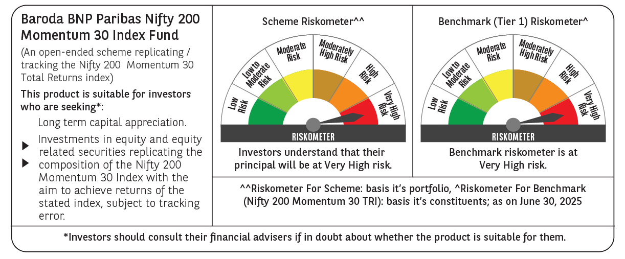
 | Baroda BNP Paribas Nifty200 Momentum 30 Index Fund

 | Monthly Portfolio Statement as on June 30, 2025
 | Name of the Instrument | ISIN | Industry | Quantity | Market/Fair Value (Rs. in Lakhs) | % to Net Assets | YTM~ | YTC^ | null
 | Equity & Equity related
 | (a) Listed / awaiting listing on Stock Exchanges
INAV01 | InterGlobe Aviation Limited | INE646L01027 | Transport Services | 2,205 | 131.78 | 5.06%
BTVL02 | Bharti Airtel Limited | INE397D01024 | Telecom - Services | 6,557 | 131.77 | 5.06%
HDLI01 | HDFC Life Insurance Company Limited | INE795G01014 | Insurance | 16,116 | 131.23 | 5.04%
IBCL05 | ICICI Bank Limited | INE090A01021 | Banks | 9,061 | 131.00 | 5.03%
BHEL02 | Bharat Electronics Limited | INE263A01024 | Aerospace & Defense | 30,981 | 130.58 | 5.01%
BAFL03 | Bajaj Finance Limited | INE296A01032 | Finance | 13,942 | 130.57 | 5.01%
BFSL02 | Bajaj Finserv Limited | INE918I01026 | Finance | 6,322 | 129.98 | 4.99%
HDFB03 | HDFC Bank Limited | INE040A01034 | Banks | 6,491 | 129.92 | 4.99%
KOMA02 | Kotak Mahindra Bank Limited | INE237A01028 | Banks | 5,924 | 128.17 | 4.92%
SLIF01 | SBI Life Insurance Company Limited | INE123W01016 | Insurance | 6,935 | 127.49 | 4.89%
BSEL02 | BSE Limited | INE118H01025 | Capital Markets | 4,600 | 127.42 | 4.89%
MAHE01 | Max Healthcare Institute Limited | INE027H01010 | Healthcare Services | 8,842 | 112.82 | 4.33%
DIVI02 | Divi's Laboratories Limited | INE361B01024 | Pharmaceuticals & Biotechnology | 1,617 | 110.11 | 4.23%
CHOL02 | Cholamandalam Investment and Finance Company Ltd | INE121A01024 | Finance | 5,471 | 89.07 | 3.42%
MAXI02 | Max Financial Services Limited | INE180A01020 | Insurance | 5,346 | 88.05 | 3.38%
SOEL02 | Solar Industries India Limited | INE343H01029 | Chemicals & Petrochemicals | 465 | 81.83 | 3.14%
SAEL02 | TVS Motor Company Limited | INE494B01023 | Automobiles | 2,620 | 76.45 | 2.93%
NITL02 | Coforge Limited | INE591G01025 | IT - Software | 3,771 | 72.57 | 2.78%
PSYL02 | Persistent Systems Limited | INE262H01021 | IT - Software | 1,076 | 65.01 | 2.49%
SRFL01 | SRF Limited | INE647A01010 | Chemicals & Petrochemicals | 1,896 | 61.47 | 2.36%
IHOT02 | The Indian Hotels Company Limited | INE053A01029 | Leisure Services | 7,076 | 53.80 | 2.06%
SBCP01 | SBI Cards and Payment Services Limited | INE018E01016 | Finance | 5,358 | 51.07 | 1.96%
SHCE01 | Shree Cement Limited | INE070A01015 | Cement & Cement Products | 153 | 47.48 | 1.82%
DIXO02 | Dixon Technologies (India) Limited | INE935N01020 | Consumer Durables | 310 | 46.45 | 1.78%
ONCO02 | One 97 Communications Limited | INE982J01020 | Financial Technology (Fintech) | 5,020 | 46.38 | 1.78%
MAZG02 | Mazagon Dock Shipbuilders Limited | INE249Z01020 | Industrial Manufacturing | 1,209 | 39.22 | 1.51%
MCSP02 | United Spirits Limited | INE854D01024 | Beverages | 2,668 | 38.10 | 1.46%
MUFL01 | Muthoot Finance Limited | INE414G01012 | Finance | 1,203 | 31.57 | 1.21%
FSNE01 | FSN E-Commerce Ventures Limited | INE388Y01029 | Retailing | 14,830 | 30.90 | 1.19%
BHDY02 | Bharat Dynamics Limited | INE171Z01026 | Aerospace & Defense | 1,440 | 27.98 | 1.07%
 | Sub Total |  |  |  | 2,600.24 | 99.79%
 | (b) Unlisted |  |  |  | NIL | NIL
 | Sub Total |  |  |  | NIL | NIL
 | Total |  |  |  | 2,600.24 | 99.79%
 | Reverse Repo / TREPS
TRP_010725 | Clearing Corporation of India Ltd |  |  |  | 4.38 | 0.17% | 5.47%
 | Sub Total |  |  |  | 4.38 | 0.17%
 | Total |  |  |  | 4.38 | 0.17%
 | Net Receivables / (Payables) |  |  |  | 1.35 | 0.04%
 | GRAND TOTAL |  |  |  | 2,605.97 | 100.00%

 | ~ YTM as on June 30, 2025
 | ^ YTC represents Yield to Call provided by valuation agencies as on June 30, 2025. It is disclosed for Perpetual Bond issued by Banks (i.e. AT-1 Bond / Tier 1 Bond / Tier 2 Bond), as per AMFI Best Practices Guidelines Circular no. 135/BP/91/2020-21 read with SEBI circular No. SEBI/HO/IMD/DF4/CIR/P/2021/034 on Valuation of AT-1 Bonds and Tier 2 Bonds.

