T0ME39
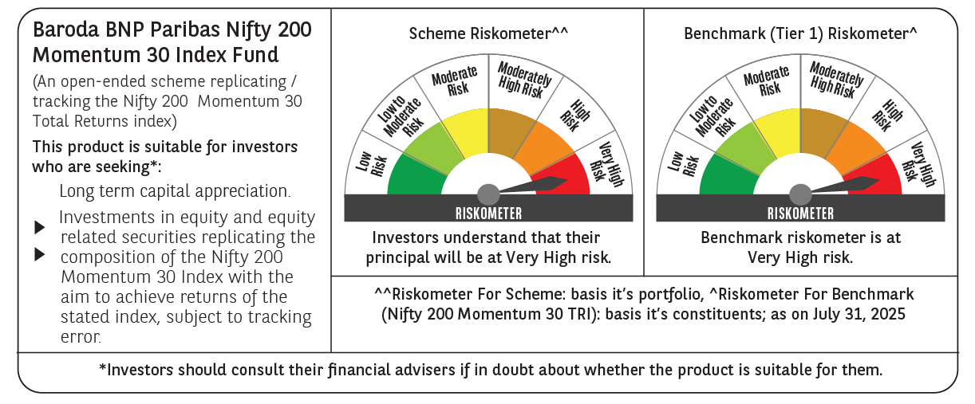
 | Baroda BNP Paribas Nifty200 Momentum 30 Index Fund

 | Monthly Portfolio Statement as on July 31, 2025
 | Name of the Instrument | ISIN | Industry | Quantity | Market/Fair Value (Rs. in Lakhs) | % to Net Assets | YTM~ | YTC^ | null
 | Equity & Equity related
 | (a) Listed / awaiting listing on Stock Exchanges
INAV01 | InterGlobe Aviation Limited | INE646L01027 | Transport Services | 2,277 | 134.58 | 5.40%
IBCL05 | ICICI Bank Limited | INE090A01021 | Banks | 8,971 | 132.90 | 5.34%
HDFB03 | HDFC Bank Limited | INE040A01034 | Banks | 6,462 | 130.42 | 5.24%
BAFL03 | Bajaj Finance Limited | INE296A01032 | Finance | 14,395 | 126.85 | 5.09%
BFSL02 | Bajaj Finserv Limited | INE918I01026 | Finance | 6,474 | 126.11 | 5.06%
BTVL02 | Bharti Airtel Limited | INE397D01024 | Telecom - Services | 6,463 | 123.72 | 4.97%
SLIF01 | SBI Life Insurance Company Limited | INE123W01016 | Insurance | 6,698 | 123.29 | 4.95%
HDLI01 | HDFC Life Insurance Company Limited | INE795G01014 | Insurance | 16,072 | 121.42 | 4.88%
BHEL02 | Bharat Electronics Limited | INE263A01024 | Aerospace & Defense | 31,608 | 121.09 | 4.86%
KOMA02 | Kotak Mahindra Bank Limited | INE237A01028 | Banks | 5,842 | 115.59 | 4.64%
BSEL02 | BSE Limited | INE118H01025 | Capital Markets | 4,747 | 115.23 | 4.63%
MAHE01 | Max Healthcare Institute Limited | INE027H01010 | Healthcare Services | 8,781 | 109.41 | 4.39%
DIVI02 | Divi's Laboratories Limited | INE361B01024 | Pharmaceuticals & Biotechnology | 1,650 | 108.83 | 4.37%
CHOL02 | Cholamandalam Investment and Finance Company Ltd | INE121A01024 | Finance | 5,538 | 79.92 | 3.21%
MAXI02 | Max Financial Services Limited | INE180A01020 | Insurance | 5,320 | 79.87 | 3.21%
SAEL02 | TVS Motor Company Limited | INE494B01023 | Automobiles | 2,620 | 73.41 | 2.95%
SOEL02 | Solar Industries India Limited | INE343H01029 | Chemicals & Petrochemicals | 473 | 67.26 | 2.70%
NITL02 | Coforge Limited | INE591G01025 | IT - Software | 3,776 | 66.01 | 2.65%
SRFL01 | SRF Limited | INE647A01010 | Chemicals & Petrochemicals | 1,993 | 60.60 | 2.43%
ONCO02 | One 97 Communications Limited | INE982J01020 | Financial Technology (Fintech) | 5,184 | 56.47 | 2.27%
PSYL02 | Persistent Systems Limited | INE262H01021 | IT - Software | 1,082 | 55.84 | 2.24%
DIXO02 | Dixon Technologies (India) Limited | INE935N01020 | Consumer Durables | 318 | 53.55 | 2.15%
IHOT02 | The Indian Hotels Company Limited | INE053A01029 | Leisure Services | 7,066 | 52.34 | 2.10%
SHCE01 | Shree Cement Limited | INE070A01015 | Cement & Cement Products | 155 | 47.76 | 1.92%
SBCP01 | SBI Cards and Payment Services Limited | INE018E01016 | Finance | 5,147 | 41.56 | 1.67%
MCSP02 | United Spirits Limited | INE854D01024 | Beverages | 2,681 | 35.93 | 1.44%
MAZG02 | Mazagon Dock Shipbuilders Limited | INE249Z01020 | Industrial Manufacturing | 1,257 | 34.83 | 1.40%
MUFL01 | Muthoot Finance Limited | INE414G01012 | Finance | 1,224 | 31.97 | 1.28%
FSNE01 | FSN E-Commerce Ventures Limited | INE388Y01029 | Retailing | 14,894 | 31.22 | 1.25%
BHDY02 | Bharat Dynamics Limited | INE171Z01026 | Aerospace & Defense | 1,503 | 24.33 | 0.98%
 | Sub Total |  |  |  | 2,482.31 | 99.67%
 | (b) Unlisted |  |  |  | NIL | NIL
 | Sub Total |  |  |  | NIL | NIL
 | Total |  |  |  | 2,482.31 | 99.67%
 | Reverse Repo / TREPS
TRP_010825 | Clearing Corporation of India Ltd |  |  |  | 9.30 | 0.37% | 5.42%
 | Sub Total |  |  |  | 9.30 | 0.37%
 | Total |  |  |  | 9.30 | 0.37%
 | Net Receivables / (Payables) |  |  |  | (1.29) | (0.04)%
 | GRAND TOTAL |  |  |  | 2,490.32 | 100.00%

 | ~ YTM as on July 31, 2025
 | ^ YTC represents Yield to Call provided by valuation agencies as on July 31, 2025. It is disclosed for Perpetual Bond issued by Banks (i.e. AT-1 Bond / Tier 1 Bond / Tier 2 Bond), as per AMFI Best Practices Guidelines Circular no. 135/BP/91/2020-21 read with SEBI circular No. SEBI/HO/IMD/DF4/CIR/P/2021/034 on Valuation of AT-1 Bonds and Tier 2 Bonds.

