T0ME39
 | Baroda BNP Paribas Nifty200 Momentum 30 Index Fund

 | Monthly Portfolio Statement as on August 31, 2025
 | Name of the Instrument | ISIN | Industry | Quantity | Market/Fair Value (Rs. in Lakhs) | % to Net Assets | YTM~ | YTC^ | null
 | Equity & Equity related
 | (a) Listed / awaiting listing on Stock Exchanges
INAV01 | InterGlobe Aviation Limited | INE646L01027 | Transport Services | 2,396 | 135.28 | 5.51%
IBCL05 | ICICI Bank Limited | INE090A01021 | Banks | 9,086 | 127.00 | 5.17%
HDLI01 | HDFC Life Insurance Company Limited | INE795G01014 | Insurance | 16,318 | 125.98 | 5.13%
HDFB03 | HDFC Bank Limited | INE040A01034 | Banks | 13,149 | 125.13 | 5.10%
BTVL02 | Bharti Airtel Limited | INE397D01024 | Telecom - Services | 6,601 | 124.68 | 5.08%
SLIF01 | SBI Life Insurance Company Limited | INE123W01016 | Insurance | 6,879 | 124.20 | 5.06%
BFSL02 | Bajaj Finserv Limited | INE918I01026 | Finance | 6,370 | 121.89 | 4.97%
BAFL03 | Bajaj Finance Limited | INE296A01032 | Finance | 13,785 | 121.01 | 4.93%
BHEL02 | Bharat Electronics Limited | INE263A01024 | Aerospace & Defense | 31,651 | 116.92 | 4.76%
KOMA02 | Kotak Mahindra Bank Limited | INE237A01028 | Banks | 5,891 | 115.48 | 4.70%
MAHE01 | Max Healthcare Institute Limited | INE027H01010 | Healthcare Services | 9,007 | 103.97 | 4.24%
DIVI02 | Divi's Laboratories Limited | INE361B01024 | Pharmaceuticals & Biotechnology | 1,671 | 102.46 | 4.17%
BSEL02 | BSE Limited | INE118H01025 | Capital Markets | 4,644 | 97.35 | 3.97%
MAXI02 | Max Financial Services Limited | INE180A01020 | Insurance | 5,378 | 86.17 | 3.51%
SAEL02 | TVS Motor Company Limited | INE494B01023 | Automobiles | 2,610 | 85.52 | 3.48%
CHOL02 | Cholamandalam Investment and Finance Company Ltd | INE121A01024 | Finance | 5,522 | 78.45 | 3.20%
SOEL02 | Solar Industries India Limited | INE343H01029 | Chemicals & Petrochemicals | 481 | 66.35 | 2.70%
NITL02 | Coforge Limited | INE591G01025 | IT - Software | 3,822 | 65.90 | 2.68%
ONCO02 | One 97 Communications Limited | INE982J01020 | Financial Technology (Fintech) | 5,149 | 62.15 | 2.53%
PSYL02 | Persistent Systems Limited | INE262H01021 | IT - Software | 1,091 | 57.88 | 2.36%
SRFL01 | SRF Limited | INE647A01010 | Chemicals & Petrochemicals | 1,939 | 55.00 | 2.24%
IHOT02 | The Indian Hotels Company Limited | INE053A01029 | Leisure Services | 7,034 | 53.35 | 2.17%
DIXO02 | Dixon Technologies (India) Limited | INE935N01020 | Consumer Durables | 318 | 53.07 | 2.16%
SHCE01 | Shree Cement Limited | INE070A01015 | Cement & Cement Products | 155 | 45.38 | 1.85%
SBCP01 | SBI Cards and Payment Services Limited | INE018E01016 | Finance | 5,236 | 42.07 | 1.71%
MCSP02 | United Spirits Limited | INE854D01024 | Beverages | 2,680 | 35.13 | 1.43%
FSNE01 | FSN E-Commerce Ventures Limited | INE388Y01029 | Retailing | 14,723 | 33.88 | 1.38%
MAZG02 | Mazagon Dock Shipbuilders Limited | INE249Z01020 | Industrial Manufacturing | 1,258 | 32.75 | 1.33%
MUFL01 | Muthoot Finance Limited | INE414G01012 | Finance | 1,238 | 32.66 | 1.33%
BHDY02 | Bharat Dynamics Limited | INE171Z01026 | Aerospace & Defense | 1,524 | 21.88 | 0.89%
 | Sub Total |  |  |  | 2,448.94 | 99.74%

SAEL21PS | TVS Motor Company Limited (Preference Share) ** |  | Automobiles | 10,460 | 1.05 | 0.04%
 | Sub Total |  |  |  | 1.05 | 0.04%
 | (b) Unlisted |  |  |  | NIL | NIL
 | Sub Total |  |  |  | NIL | NIL
 | Total |  |  |  | 2,449.99 | 99.78%
 | Reverse Repo / TREPS
TRP_010925 | Clearing Corporation of India Ltd |  |  |  | 3.09 | 0.13% | 5.39%
 | Sub Total |  |  |  | 3.09 | 0.13%
 | Total |  |  |  | 3.09 | 0.13%
 | Net Receivables / (Payables) |  |  |  | 1.86 | 0.09%
 | GRAND TOTAL |  |  |  | 2,454.94 | 100.00%

 | ** Thinly Traded / Non Traded Security
 | ~ YTM as on August 31, 2025
 | ^ YTC represents Yield to Call provided by valuation agencies as on August 31, 2025. It is disclosed for Perpetual Bond issued by Banks (i.e. AT-1 Bond / Tier 1 Bond / Tier 2 Bond), as per AMFI Best Practices Guidelines Circular no. 135/BP/91/2020-21 read with SEBI circular No. SEBI/HO/IMD/DF4/CIR/P/2021/034 on Valuation of AT-1 Bonds and Tier 2 Bonds.

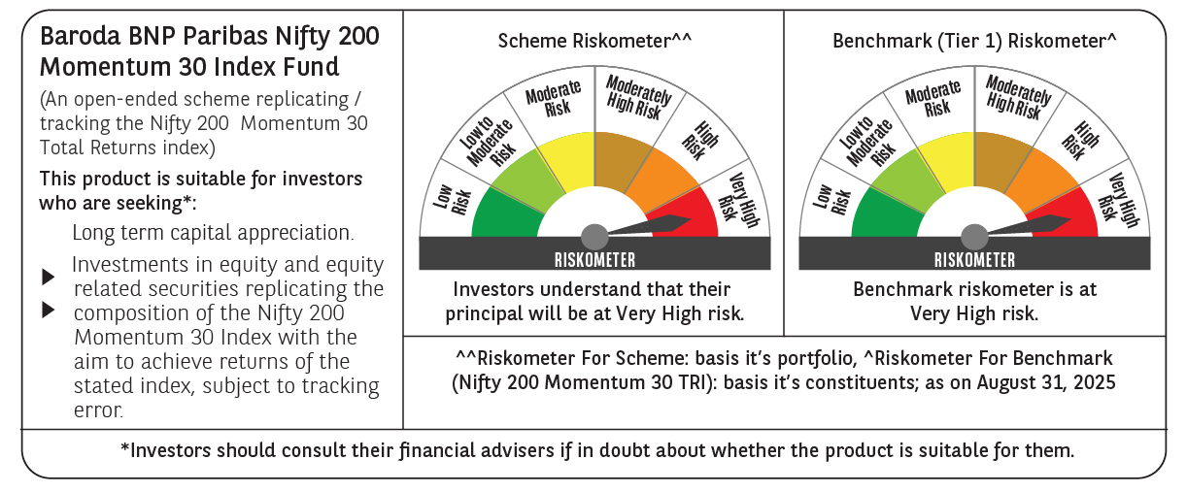

 | Monthly Performance Link: https://www.barodabnpparibasmf.in/assets/download_documents/Performance_of_Schemes_14126.pdf

